Charts
Date | Norwegian Cruise Line | Carnival Cruise Line | CCL Dummy | Spread
Oct-26 | $156 | $154 | $154 | $2
Nov-26 | $157 | $152 | $152 | $4
Dec-26 | $222 | $187 | $187 | $35
Jan-27 | $167 | $141 | $141 | $26
Feb-27 | $189 | $146 | $146 | $43
Mar-27 | $190 | $178 | $178 | $13
Apr-27 | $187 | $159 | $159 | $28
May-27 | $194 | $177 | $177 | $17
Jun-27 | $229 | $217 | $217 | $12
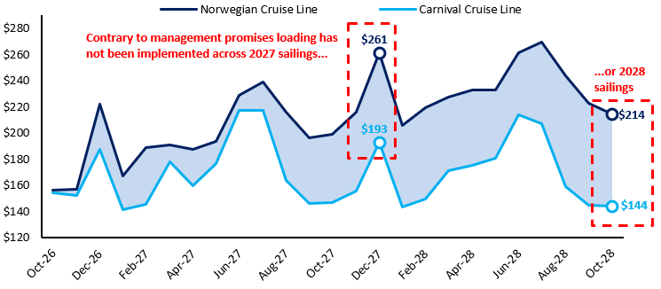
Jul-27 | $239 | $217 | $217 | $21
Aug-27 | $216 | $164 | $164 | $52
Sep-27 | $196 | $146 | $146 | $50
Oct-27 | $199 | $147 | $147 | $52
Nov-27 | $216 | $156 | $156 | $60
Dec-27 | $261 | $193 | $193 | $69
Jan-28 | $206 | $144 | $144 | $62
Feb-28 | $219 | $150 | $150 | $70
Mar-28 | $227 | $171 | $171 | $56
Apr-28 | $233 | $175 | $175 | $58
May-28 | $233 | $180 | $180 | $52
 | Model | Select Street Estimates*
1Q26A | $232
2Q26A | $256
3Q26E | $270 | $276
4Q26E | $216 | $223
1Q27E | $215 | $220
2Q27E | $232 | $249
3Q27E | $262 | $276
4Q27E | $214 | $224
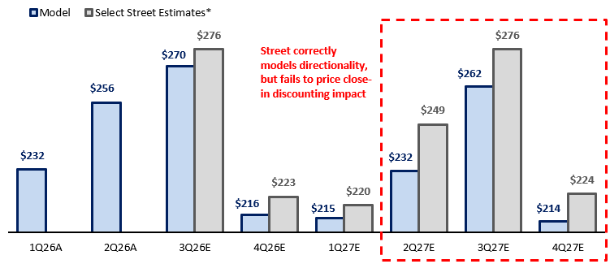
Jun-28 | $261 | $214 | $214 | $47
Jul-28 | $269 | $207 | $207 | $62
Aug-28 | $244 | $159 | $159 | $85
Sep-28 | $223 | $144 | $144 | $78
Oct-28 | $214 | $144 | $144 | $71

Passenger Ticket Revenue per Capacity Day | 1Q26A | 2Q26A | 3Q26E | 4Q26E | 1Q27E | 2Q27E | 3Q27E | 4Q27E
Model | $232 | $256 | $270 | $216 | $215 | $232 | $262 | $214
Select Street Estimates* |  |  | $276 | $223 | $220 | $249 | $276 | $224

