Sheet1
Sl No | Implemented Section | My Suggestions | Effectivity
1 | After login Welcome user name and logout button | Welcome username and logout button font size is very small and properly not visible. We can show user name and a down arrow beside pebble icon in header section. On click we can show logout option. Or may be a user logo beside pebble logo. click on that logo will show Welcome Username and logout option | Welcome username will be prominent and properly visible
2 | Left and right hand panel. Attributes and filter panel | After login collapse these panels as initially we are focusing on data. | It will occupy entire screen to show up the data properly. It will be easy for user to check the data
3 | Left hand attributes panel | If it is collapsed I will be good if we add a tooltip if user mouseover the icons | Confusion will be less for users to set the attributes if panel is collapsed.
4 | Right hand Filter panel | Initially no need to show that panel and the arrow also to collapse and expend that panel. As for the first time there is no filteration. After adding the filteration we can activate filter panel and also the arrow to collapse and expand | main data section will take entire page to display. View will be easy. And for first time there is no filteration so showing that panel is not necessary and meaningless.
5 | Saved Dashboard list | If user has any saved ddashboard list I would like to show that tabs first then other tabs like profile, SYW interaction 12M and so on. | If user saved it then may be it’s a priority search for that particular user may be he/she wants to check that list first next time he/she logged in.
6 | Data Tiles (Like Member Age,Gender,Ethinicity) | We are allowing user to arrange those blocks by drag and drop the position. Then user saved it for future use. But next time login we are not showing those saved dashboard options. User need to go to Dashboard list to active saved ddashboard option. | Depending on the priority and need user saved some option so need to display that option first to that particular user.
7 | Login after logout | Once user clickedd on log out after that if user clicked on login its not redirecting to the home page. User need to refresh the page to load it.
8 | Data Tiles Settings Option | Under settings options There is a option to remove the tile. It is a text but its not clear that it’s a actionable button or link. I like to add a delete/remove icon that section. With a tooltip "Remove Tile". And may be a confirmation popup will be effective also if user clicked on it mistakenly. | It will be effective for user and properly understandable
9 | Top Header Panel Active Members icon | Its overlapped with "Member Discovery Engine v3.0" need to put some space
10 | Search Attribute Field | Its showing a big field but entire field is not a input field need to match the width of input field. User start typing and press space bar seleting the first option from the dropdown list. May be user like to add some more words for filteration. Search icon not properly aligned | user can click anywhere in the entire search block to start typing.
11 | List members | After clicking List Members its showing a loading icon we can make it center aligned
12 | Member Sorted By Dropdown List , Top Members and Bottom Members | Fields not aligned properly
13 | Member List Load More Option for Pagination | As sometimes member list is long we can show proper pagination display. Check image custompaging1.png for referrance . It will be easy for user to reach to some desired data faster. | 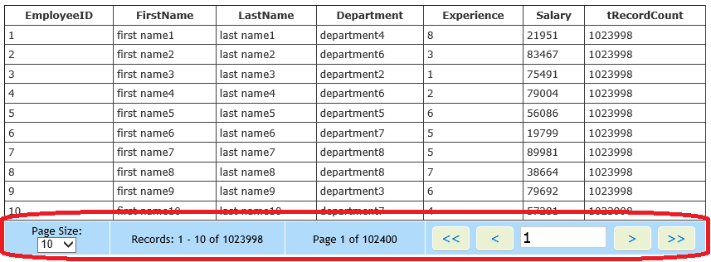
14 | order By Options for value in tiles for table view mode | Order By option with Value field not working properlly for every tiles like member age,home value,has children,house hold income.
15 | Multiple tab login in the same browser | If user is logged in in one tab in another tab of a particular browser(i.e. Chrome) its asking for login again if user tried to open the link in another tab
16 | Show Hide columns Member List Search Field | Search Field Is not properly designed
17 | After adding some attributes to filter List Of Member if it is 0(Zero) so in Member Age tile its showing NaN% | Need to write some condition that section to avoid NaN. | As it’s a bug we can resolve it as well.

