no fixations
 | Yannek | Daniel | George | Monique | Mara | Emily
Rhexis | 252 | 300 | 257 | 300 | 221 | 272
Phaco | 351 | 335 | 302 | 313 | 280 | 300
Cortex | 245 | 211 | 202 | 265 | 194 | 197
Core_vit | 161 | 172 | 136 | 163 | 128 | 112 | no of fixations similar between retina specialists (higher)
Memb_peel | 59 | 80 | 55 | 66 | 42 | 61 | hypothesis proven = experts = more fixations
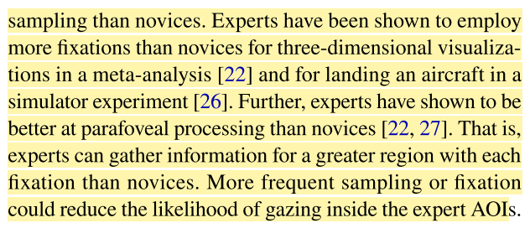
Laser | 87 | 98 | 72 | 96 | 62 | 83

 |  |  | years_oph = [20, 4, 4, 8, 7, 4]
 |  |  | years_sub = [10, 1, 1, 2, 2, 1]

