Sheet1
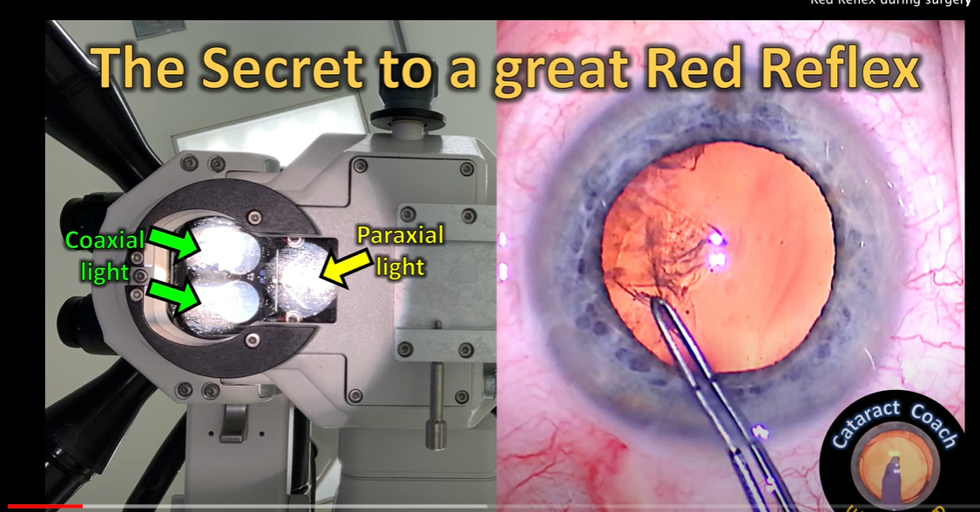
TR_method | img_size | dataset | Feature | Iris color | Lighting | Segmentation
deeplabv3 | 512 | CADIS - Original (public) | Iris | Dark | Paraxial + Coaxial always | Perfect (original results reproduced)
deeplabv3 | 512 | CADIS - Original (public) | Iris | Light | Paraxial + Coaxial always | Perfect (original results reproduced)
deeplabv3 | 512 | UIC - NGENUITY | Iris | Light | Mix | Bad - Partial iris segmented, sometimes full iris segmented
deeplabv3 | 512 | UIC - NGENUITY | Iris | Dark | Mix | Bad - Partial iris segmented, sometimes full iris segmented
deeplabv3 | 512 | Cataract 101 - Low res (public) | Iris | Light | Hard to tell - Low res | Really bad (no segmentation)
deeplabv3 | 512 | Cataract 101 - Low res (public) | Iris | Dark | Hard to tell - Low res | Bad - Partial iris segmented

 | 19 light eyes
 | 6 dark eye
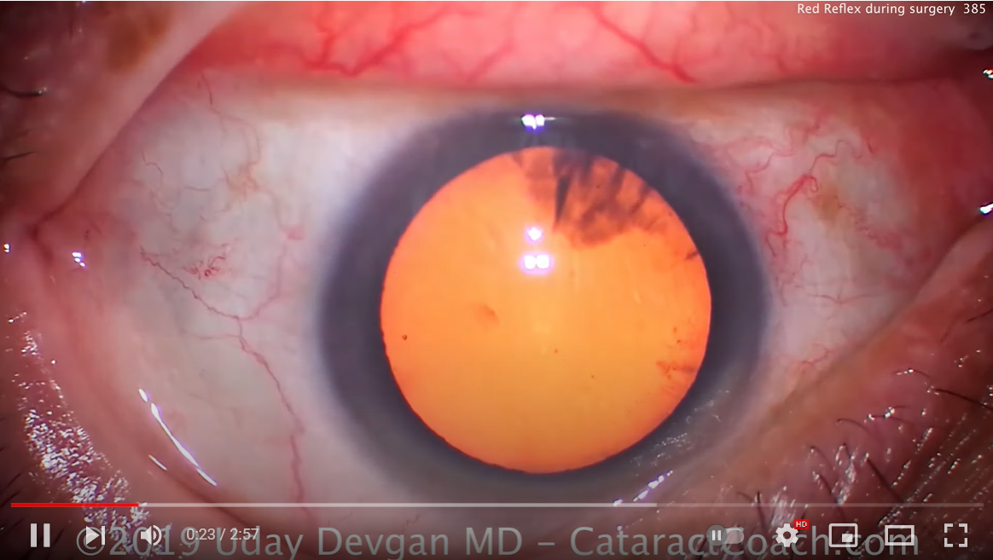
 |  |  |  |  |  |  | Together - good lighting

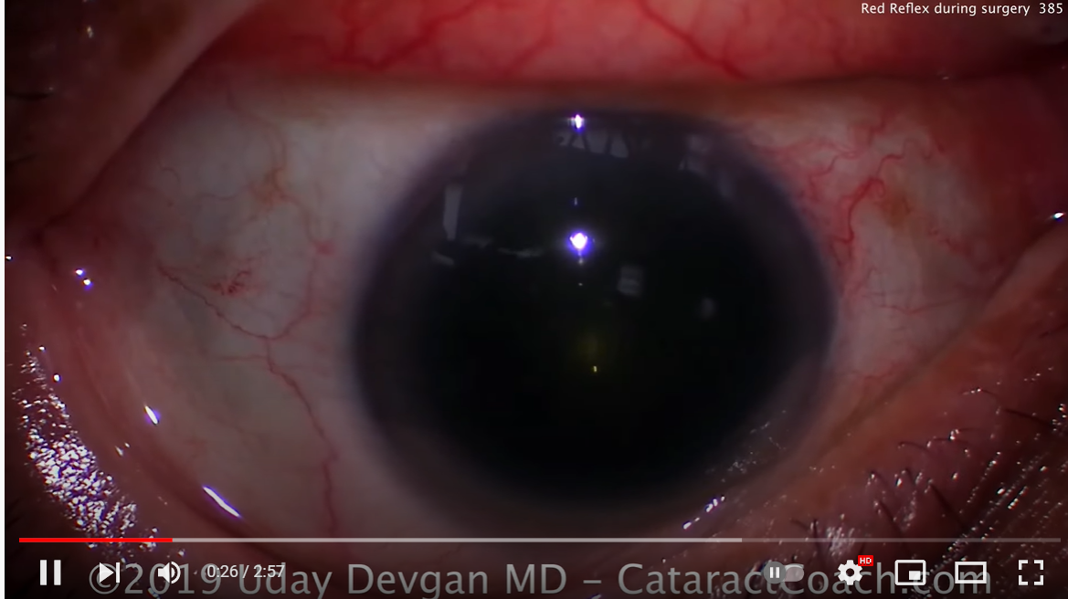
 |  |  |  |  |  |  | Paraxial only

