Sheet1
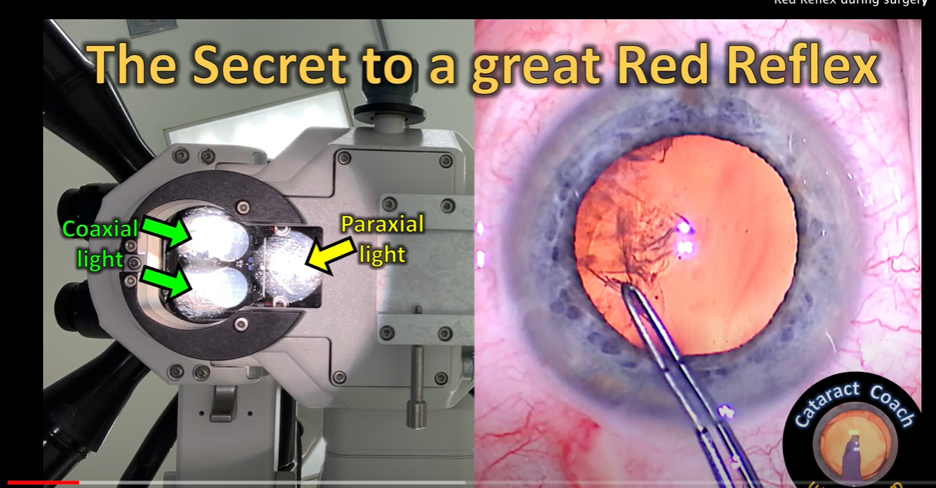
TR_method | img_size | dataset | Lighting | Segmentation
deeplabv3 | 512 | CADIS - Original (public) | Paraxial + Coaxial always | Perfect (original results reproduced)
deeplabv3 | 512 | UIC - NGENUITY | Mix | Good - perfect with good red reflex
deeplabv3 | 512 | Cataract 101 - Low res (public) | Hard to tell - Low res | Acceptable with red reflex, bad overall - lighting conditions?

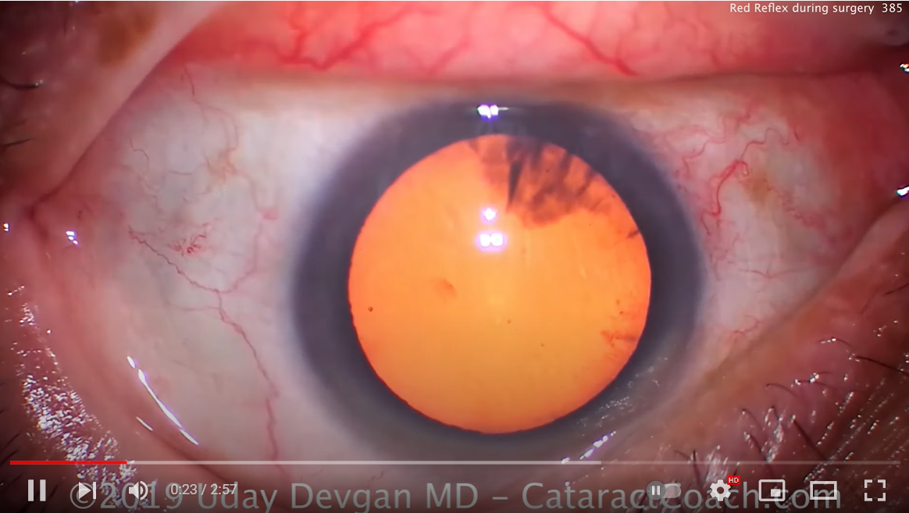
 |  |  |  |  | Together - good lighting

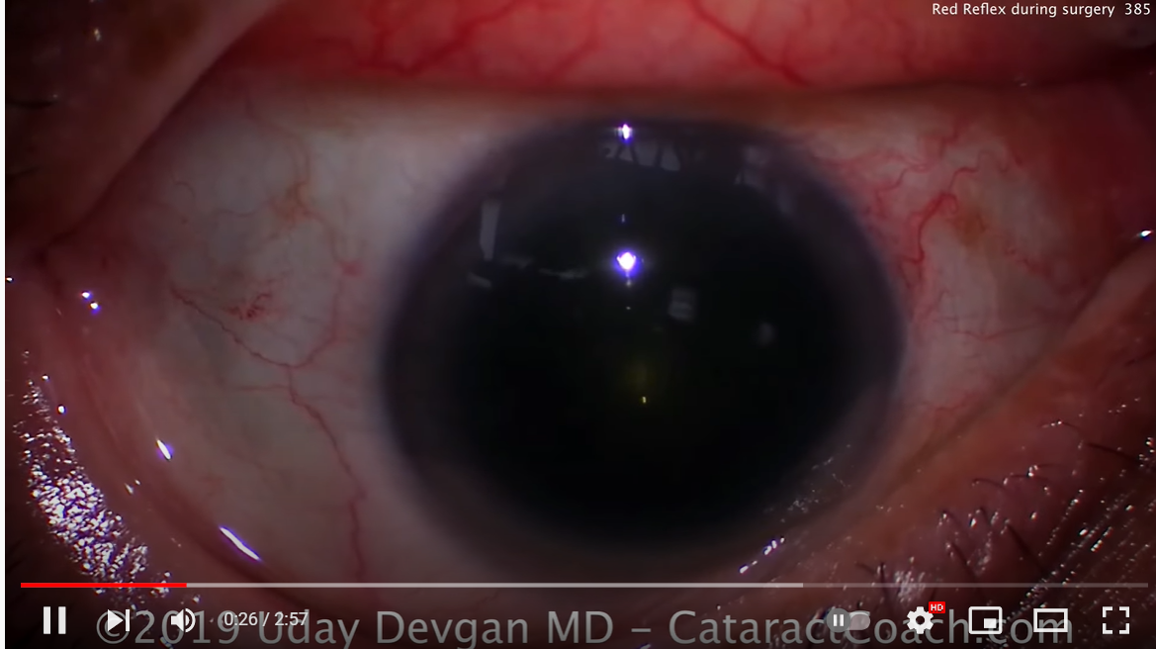
 |  |  |  |  | Paraxial only

