IQR_2024_25_Charts
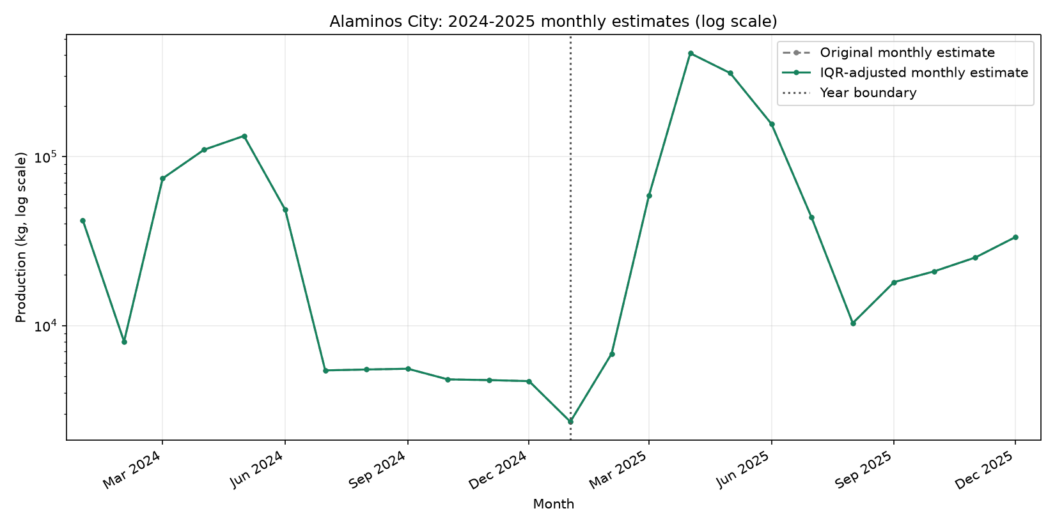
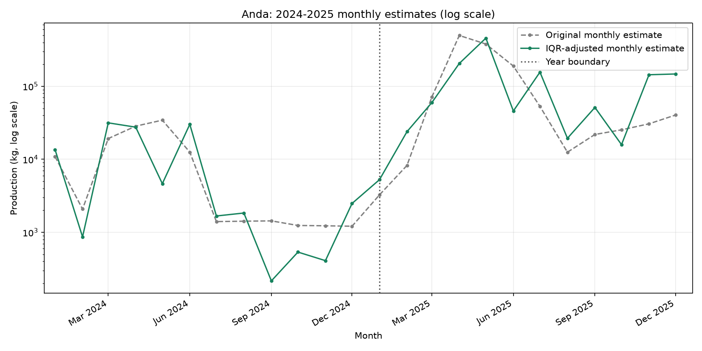
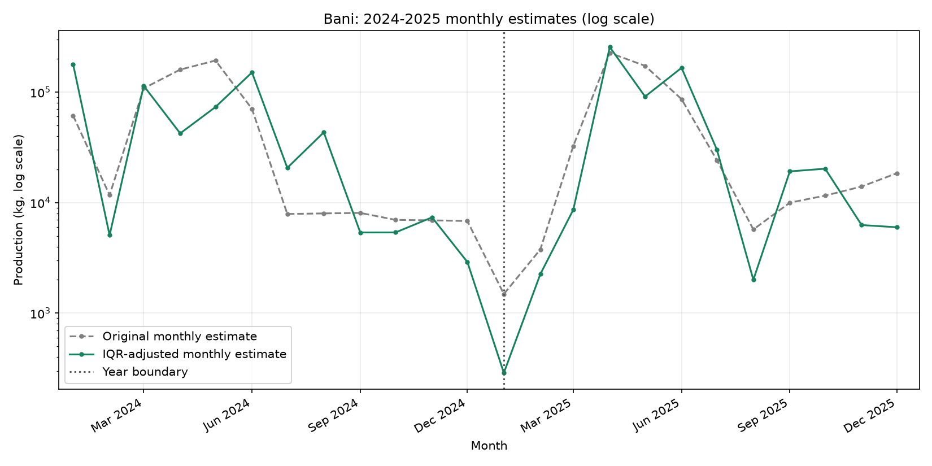
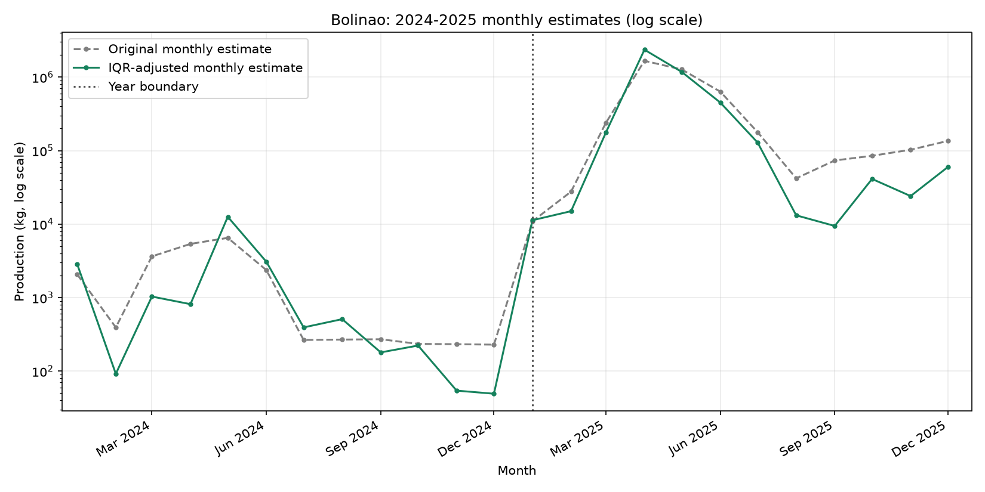
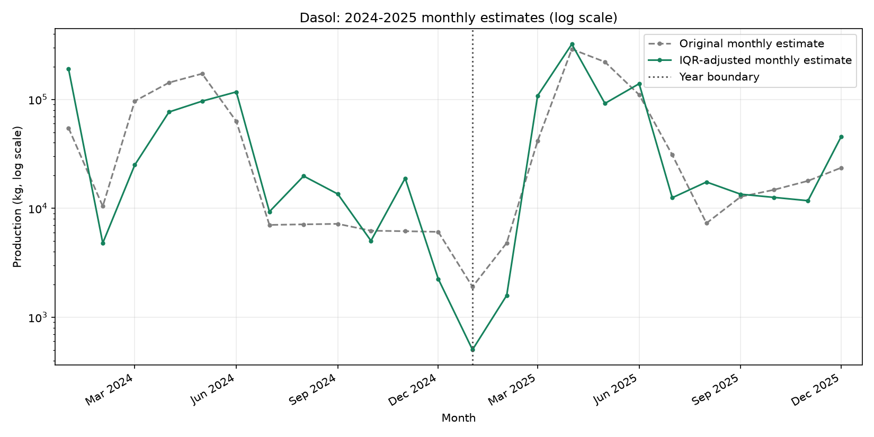
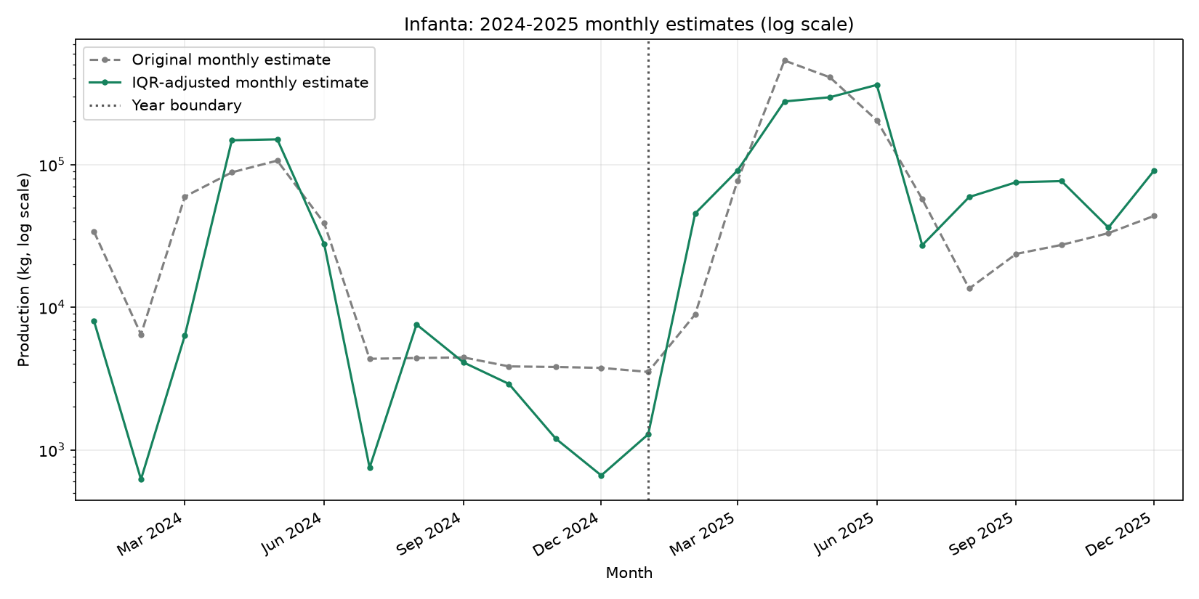
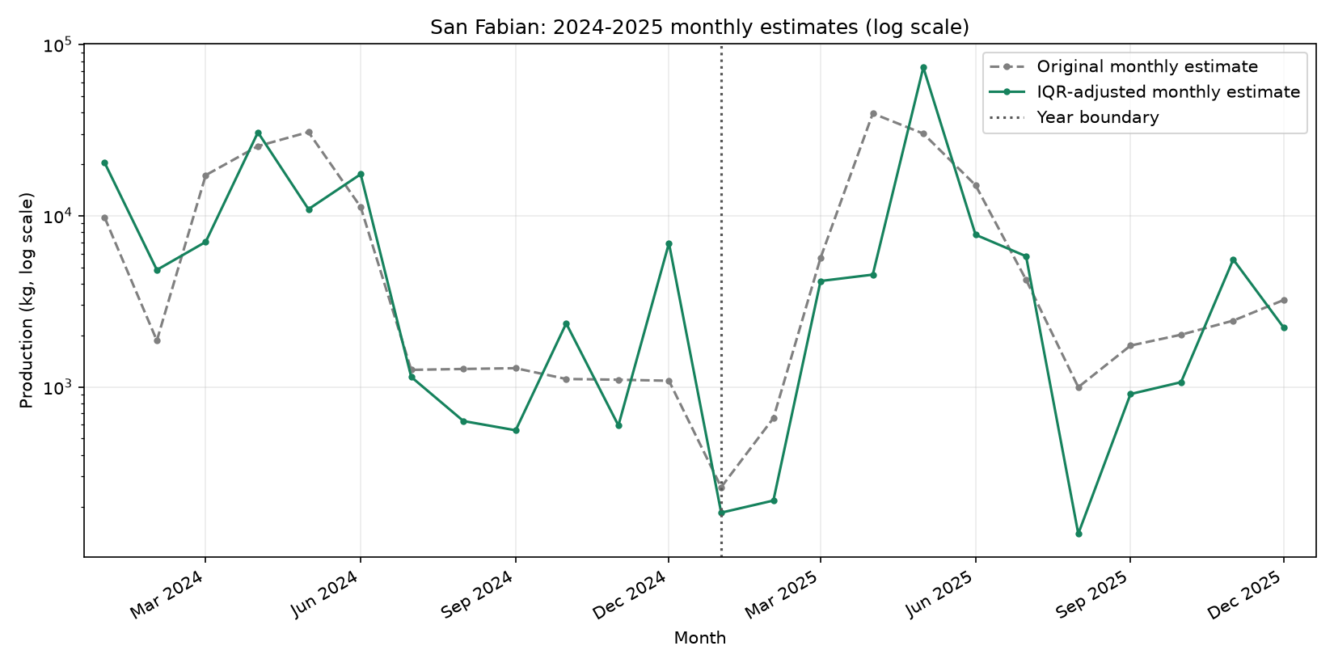
Historical monthly estimates with stronger Alaminos-calibrated IQR variation
Gray dashed = original estimates; green = IQR-adjusted estimates. Annual totals are preserved. Historical data only; no predictions.

2026_Annual_Chart
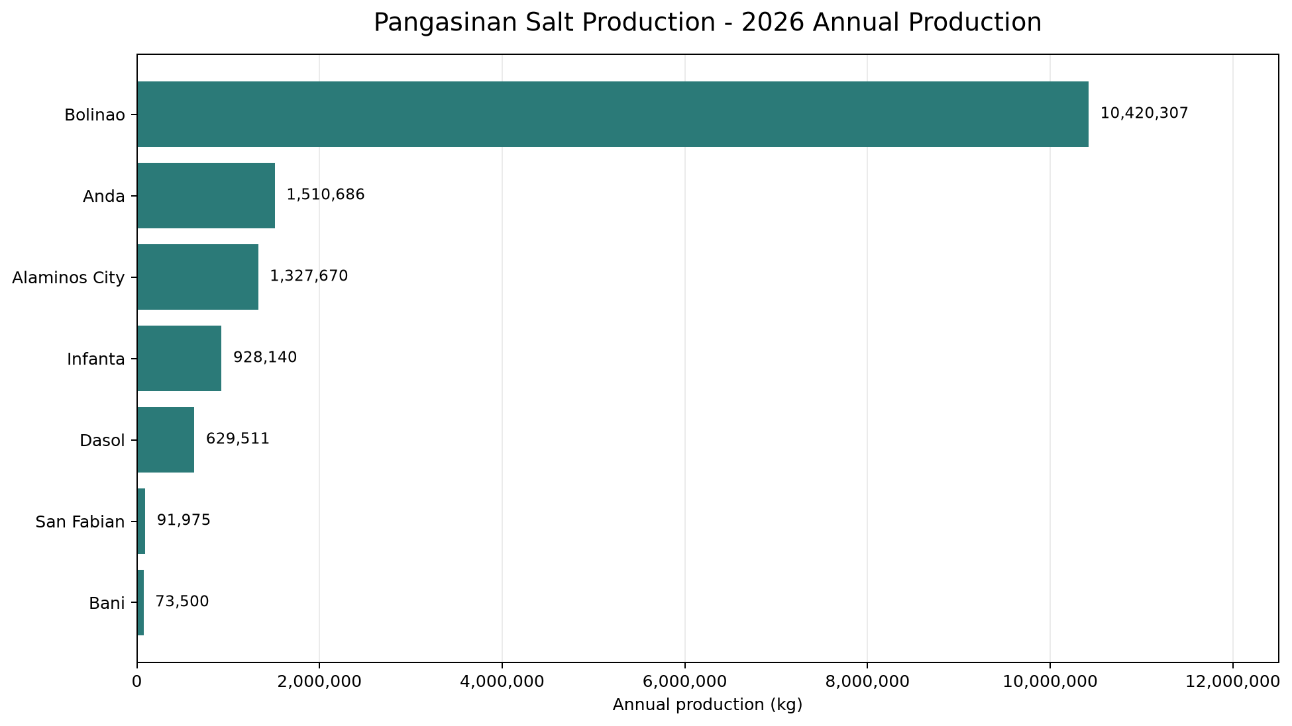
Jan-Sep 2026 Production Through September (kg)
Only the supplied 2026 Jan-Sep cumulative production amounts are plotted; these are not full-year annual totals.

