Sheet2
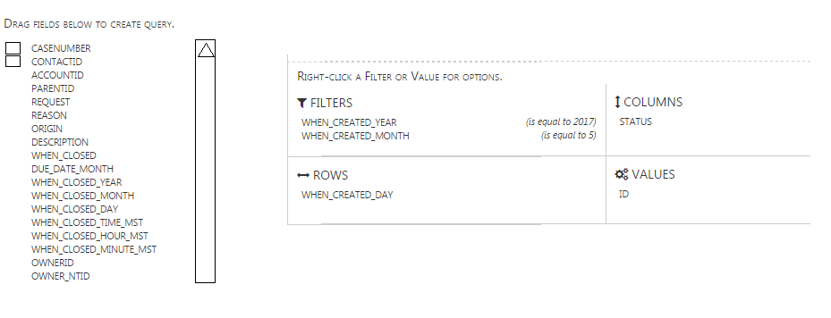
SORT BUCKETS

FIELD LIST

