Summary
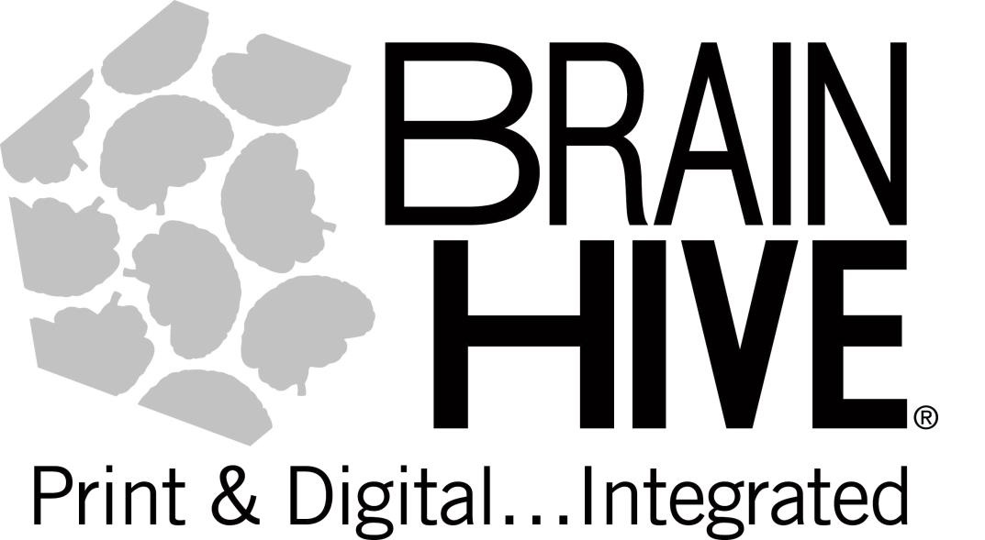
BRAIN HIVE Packing Slip
 |  | REMIT TO:
 |  | PDI EDUCATION dba BRAIN HIVE
 |  | 5809 Clarks Fork Dr
 |  | Raleigh, NC 27616

Date:
Packing Slip for:
PO NUMBER | 84220022

SOLD TO: |  | DELIVERED TO:

Publisher | Item Number | Item Desc | QTY
 | 9781877419164 |  | 1

Questions?
aharlow@myedupartners.com |  | Amber Harlow
BRAIN HIVE Packing Slip

