Summary
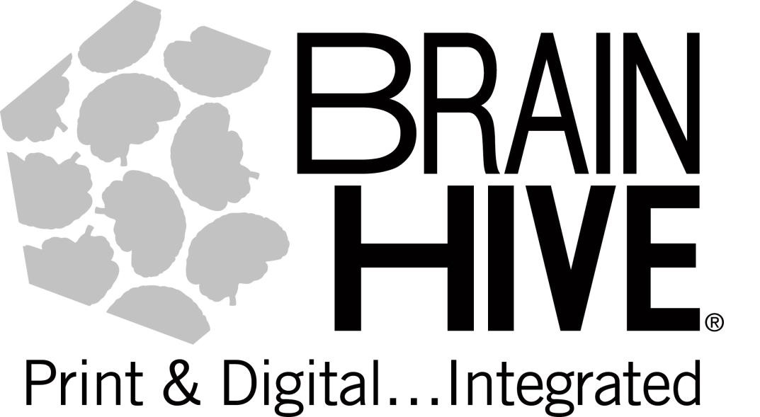
BRAIN HIVE INVOICE
 |  |  | REMIT TO:
 |  |  | PDI EDUCATION dba BRAIN HIVE
 |  |  | 5809 Clarks Fork Dr
 |  |  | Raleigh, NC 27616

 |  |  | INVOICE
 |  |  |  | BH100128
PO NUMBER | 84220022 | DATE: | 2021-08-27 | DUE IN 30 DAYS

SOLD TO: |  | DELIVERED TO:

Item number | Description | List Price |  | QTY | Subtotal
 | Seventh Grade Book Collection with different number of copies per title | $1,937.15 |  | 1 | $1,937.15

 |  |  |  | SUBTOTAL
 |  |  |  | DISCOUNT
 |  |  |  | SHIPPING
 |  |  |  | TAX
 |  |  |  | DISCOUNTED TOTAL | $0.00
Questions?
aharlow@myedupartners.com |  | Amber Harlow | 919.395.7315
BRAIN HIVE INVOICE

