Summary
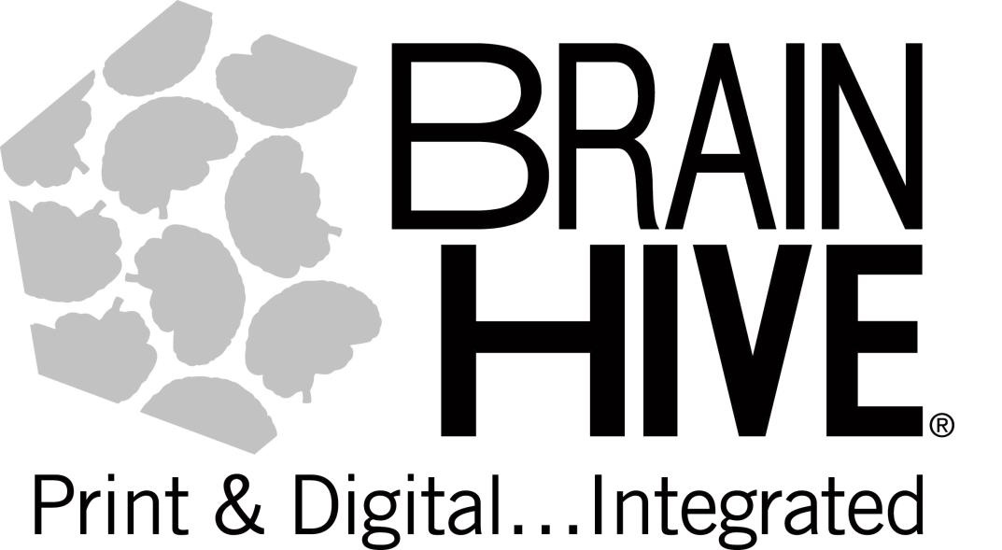
BRAIN HIVE Publisher 'Check In'
 |  | REMIT TO:
 |  | PDI EDUCATION dba BRAIN HIVE
 |  | 5809 Clarks Fork Dr
 |  | Raleigh, NC 27616

Publisher Check In for:
BH PO NUMBER | 84220022 | DATE: | 2021-08-27

SOLD TO: |  | DELIVERED TO:

Publisher | Item Number | Item Desc |  | QTY
 | 9781877419164 |  |  | 1

Questions?
aharlow@myedupartners.com |  | Amber Harlow | 919.395.7315
BRAIN HIVE Packing Slip

