MAP
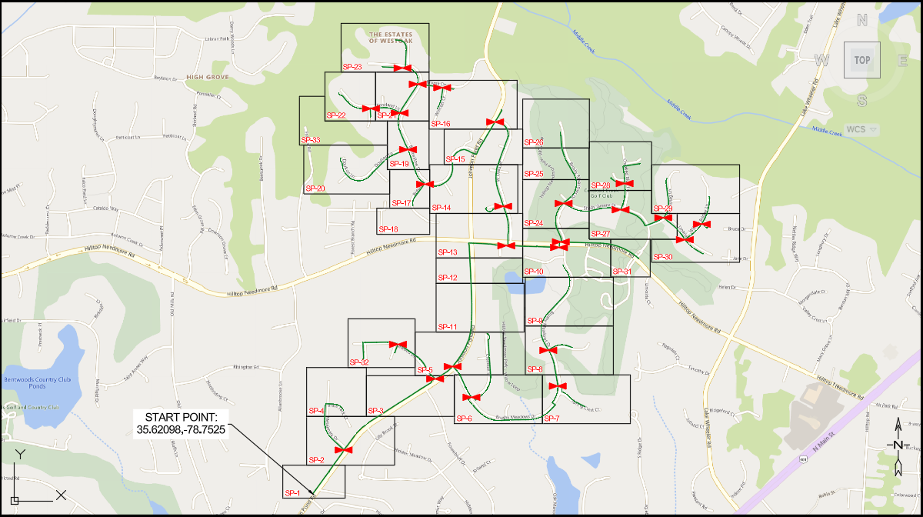
PASTE LOCATION MAP HERE

