요약
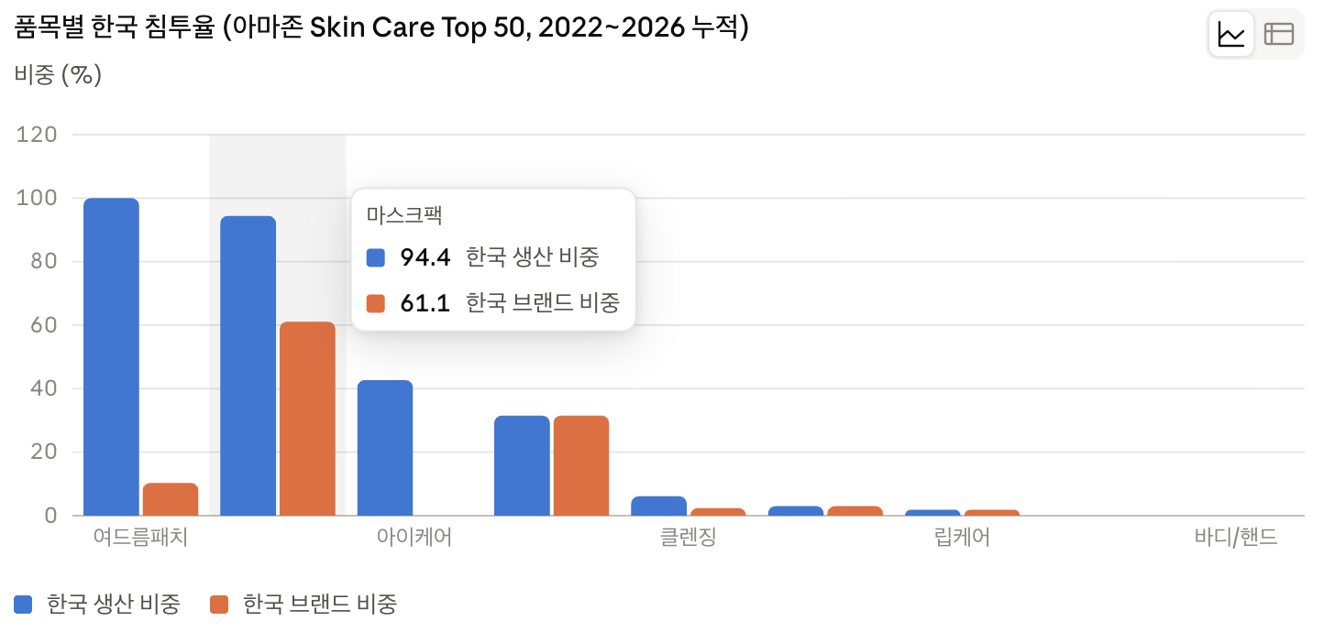
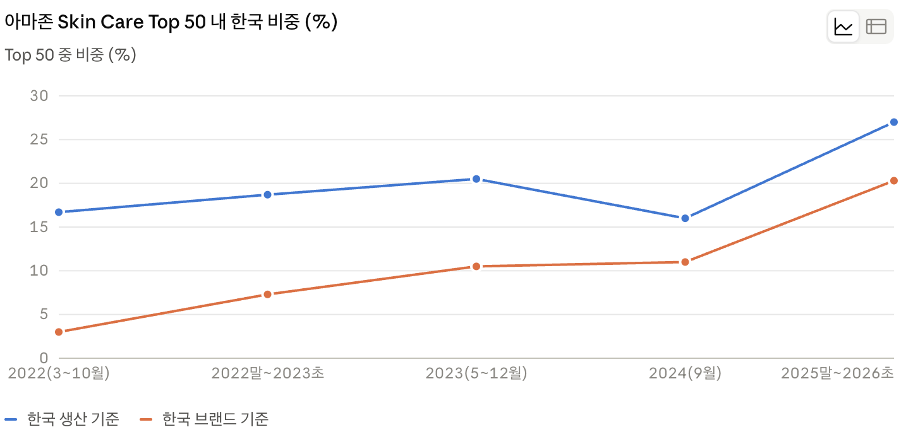
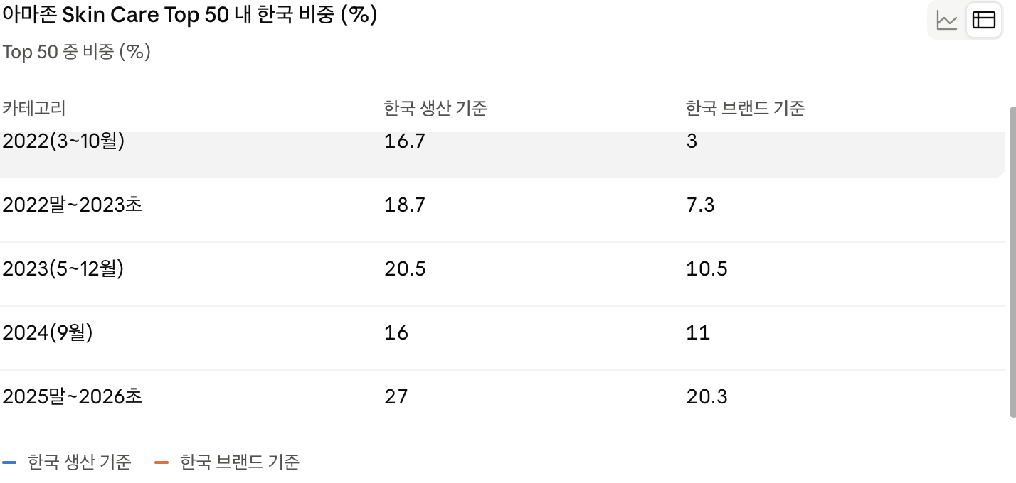
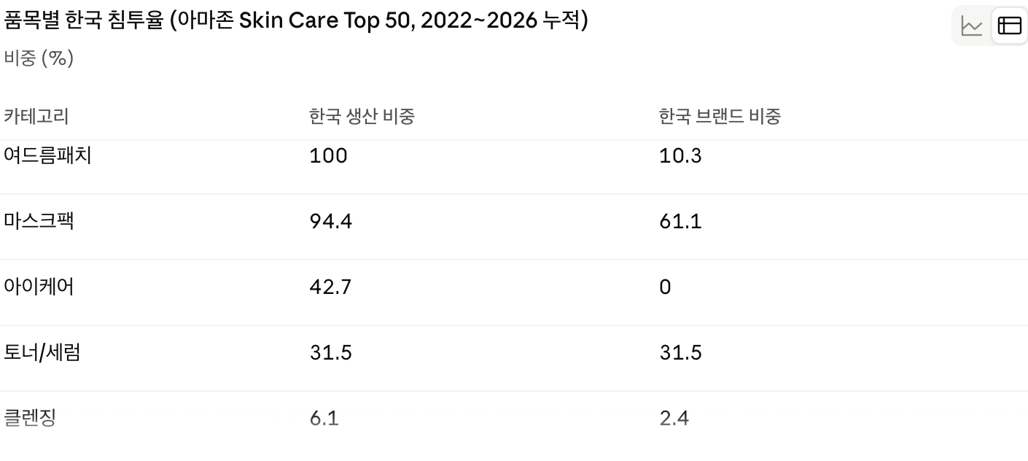
아마존 US Skin Care Top 50 — 한국 밸류체인 침투 분석
데이터: Internet Archive Wayback Machine 스냅샷 35개 (2022-03-08 ~ 2026-02-06), 각 시점 Top 50, 총 1,800행

핵심 지표 | 2022 (3~10월) | 2025말~2026초
한국 생산 제품 비중 | 16.7% | 27.0%
한국 브랜드 제품 비중 | 3.0% | 20.3%
두 기준의 격차 | 13.7%p | 6.7%p

브랜드 교체 분석 (2022말~2023초 → 2025말~2026초)
한국 생산 브랜드 수 | 15종 | 17종
그중 양 기간 모두 등장 | 4종 (COSRX, LANEIGE, Hero Cosmetics, Rael)
한국 생산 브랜드 교체율 | 73%
전체 브랜드 교체율 (비교군) | 63%

해석
1 | 한국 생산 비중은 2022년 초에 이미 16.7%. 한국 브랜드 인지도(3%)보다 훨씬 앞서 제조 단계가 침투해 있었음
2 | 최근 상승은 한국 브랜드가 자기 이름으로 상위권에 진입한 결과. 제조 기반의 신규 침투가 아니라 밸류체인 전면화
3 | 브랜드는 73%가 교체됐으나 총량은 15종→17종으로 유지·증가. 개별 브랜드 성패와 무관하게 한국 제조 기반은 유지됨

