DCF Model
DCF Model
 |  |  |  |  |  |  |  |  |  |  | CAPM: | 9.7% |  | Discounted CFs | Entry | 2025 | 2026e | 2027e | 2028e | 2029e | 2030e | DCF Model | 2025 | 2026e | 2027e | 2028e | 2029e | 2030e | Total
Assumptions |  |  |  |  |  |  |  |  |  |  | So, Re: | 9.7% |  | Date | 31.12.2025 | 31.12.2025 | 31.12.2026 | 31.12.2027 | 31.12.2028 | 31.12.2029 | 31.12.2030 | Discounted FCF |  | 373 | 490 | 1,115 | 1,695 | 2,444 | 6,117
Perpetural Growth Rate |  | 2% |  |  |  |  |  |  | We can't take the average of levered betas because each company has different debt levels. |  | Interest: | 3.5 |  | Time Periods |  |  | 1 | 2 | 3 | 4 | 5
Transaction Date |  | 2025-12-31 |  |  |  |  | (using Hamada Eq) |  | Instead, we unlever their betas, average the unlevered betas, and then re-lever using our unlevered beta and our projected debt-to-equity ratio for 2025 |  | Debt: | 86.6 |  | EBIT (income from operations) |  |  | 848 | 1,616 | 2,873 | 4,755 | 7,316 | Terminal Value | 56,585
Fiscal Year End |  | 2025-12-31 | Competitors | Levered B | Gearing |  | Unlevered Beta | Here, we have levered debt. However, in cases where we have no debt, then it will be unlevered beta. | Re-levering the average Unlevered beta calculated using our company's capital structure of 2025, as the transation y given here is 2025. |  | Rd: | 4% | (i% is interest/debt) | Tax Rate |  |  | 30% | 30% | 30% | 30% | 30%
Current Price |  | 39.00 | Competitor A | 1.30 | 40% | Means that D is 40% and E is 60% | 1.02 | For only unlevered beta: 1) Unlever all beta 2) Find their average |  |  | Equity: | 495.8 | 85% |  |  |  |  |  |  |  |  | Discounted TV | 37,324
Shares Outstanding |  | 1,165 | Competitor B | 1.60 | 55% | Means that D is 55% and E is 45% | 1.16 | For with levered beta: 1) Use Hamada Equation 2) You'll find your replaced beta | Company Beta: | 1.2 | Debt: | 86.6 | 15% | (+) D&A |  |  | 101 | 172 | 276 | 417 | 590
Risk Free Rate |  | 2.5% | Competitor C | 1.50 | 50% | Means tht D is 50% and E is 50% | 1.11 | Levered beta is the equity beta. |  |  | Total: | 582.42 | 100% | (-) Capex |  |  | 232 | 406 | 583 | 1,014 | 1,556 | Enterprise Value: | €43,441
Market Return |  | 8.5% |  |  |  | Average | 1.09 | D/E ratio is one form of gearing ratio. |  |  | WACC: | 8.678% |  | (-) Change in WCN |  |  | 58 | 317 | 271 | 366 | 450 | (+) Cash | 376
 |  |  |  |  |  |  |  |  |  |  |  |  |  | (=) FCF |  |  | 405 | 579 | 1,432 | 2,364 | 3,705 | (-) Debt | 70
 |  |  |  |  |  |  |  |  |  |  |  |  |  |  |  |  |  |  |  |  |  | (=) Equity Value | €43,748
 |  |  |  |  |  |  |  |  |  |  |  |  |  |  |  |  |  |  |  |  |  | Equity Value/Share | €37.55
 |  |  |  |  |  |  |  |  |  |  |  |  |  |  |  |  |  |  |  |  |  | (share price is overvalued)

Q) Find the value of the company.
Ans:

Step 1: Find the Tax rate of each y in IS using the formula:

Step 2: Take the tax rate of 2025, since here the transaction date is 2025.

Step 3: Find the Unlevered Beta using the Hamada Equation.
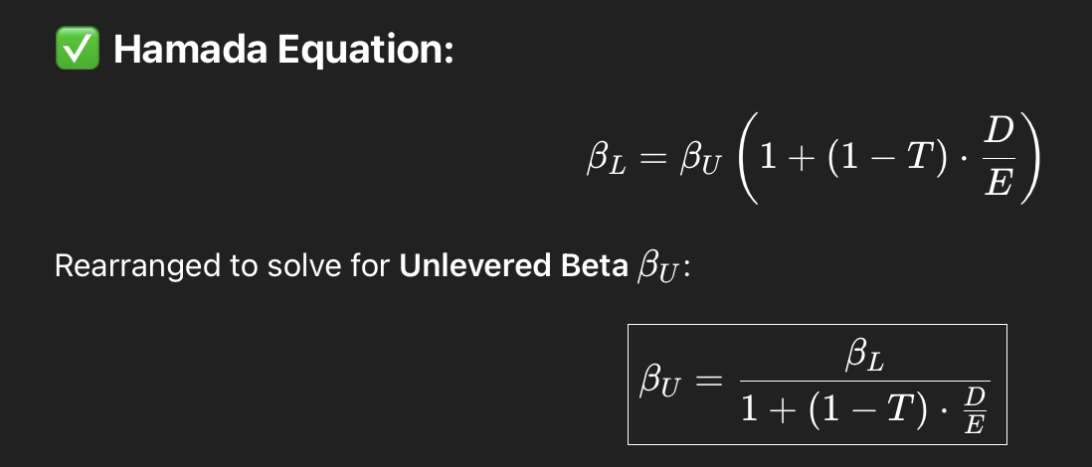
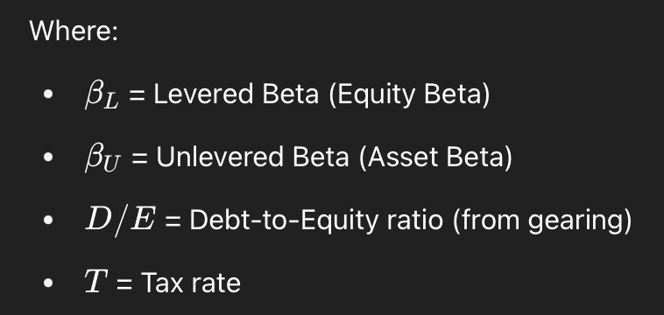

Step 4: Find the average of the three Unlevered Beta.

Step 5: Find the D/E ratio in BS for all years.

Step 6: Re-lever the average Unlevered beta, found in Step 4, using the D/E ratio of our company in 2025.
This is your company's levered Beta now.

Step 7: CAPM Calculation for finding Re

 | Step 8: Write the Re from CAPM, the interest from 2025, the debt from 2025, and the calculated Rd.

 | Step 9: Calculate WACC

 | Step 10: Create the Discounted CFs table.

 | Step 11: Create a new sheet to calculate Capex and then WCN

 | Step 12: Calculate the FCFs.

 | Step 13: Calulate using DCF model.

 | Step 14: Sum the FCFs and TV to get the EV

 | Step 15: Calculate the Equity Value

 | Step 16: Calculate the Equity value per shares outstanding

