Map
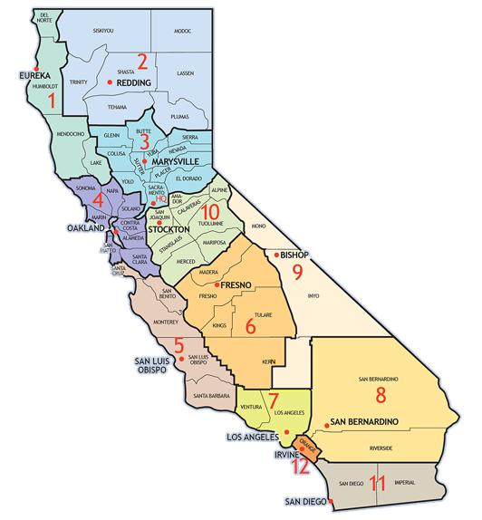
County Name | County Abbreviation | District | County Name | County Abbreviation | District
Alameda | ALA | 4 | Orange | ORA | 12
Alpine | ALP | 10 | Placer | PLA | 3
Amador | AMA | 10 | Plumas | PLU | 2
Butte | BUT | 3 | Riverside | RIV | 8
Calaveras | CAL | 10 | Sacramento | SAC | 3
Contra Costa | CC | 4 | Santa Barbara | SB | 5
Colusa | COL | 3 | San Bernardino | SBD | 8
Del Norte | DN | 1 | San Benito | SBT | 5
El Dorado | ED | 3 | Santa Clara | SCL | 4
Fresno | FRE | 6 | Santa Cruz | SCR | 5
Glenn | GLE | 3 | San Diego | SD | 11
Humboldt | HUM | 1 | San Francisco | SF | 4
Imperial | IMP | 11 | Shasta | SHA | 2
Inyo | INY | 9 | Sierra | SIE | 3
Kern | KER | 6 | Siskiyou | SIS | 2
Kings | KIN | 6 | San Joaquin | SJ | 10
Los Angeles | LA | 7 | San Luis Obispo | SLO | 5
Lake | LAK | 1 | San Mateo | SM | 4
Lassen | LAS | 2 | Solano | SOL | 4
Madera | MAD | 6 | Sonoma | SON | 4
Mendocino | MEN | 1 | Stanislaus | STA | 10
Merced | MER | 10 | Sutter | SUT | 3
Mono | MNO | 9 | Tehama | TEH | 2
Modoc | MOD | 2 | Trinity | TRI | 2
Monterey | MON | 5 | Tulare | TUL | 6
Mariposa | MPA | 10 | Tuolumne | TUO | 10
Marin | MRN | 4 | Ventura | VEN | 7
Napa | NAP | 4 | Yolo | YOL | 3
Nevada | NEV | 3 | Yuba | YUB | 3

