All
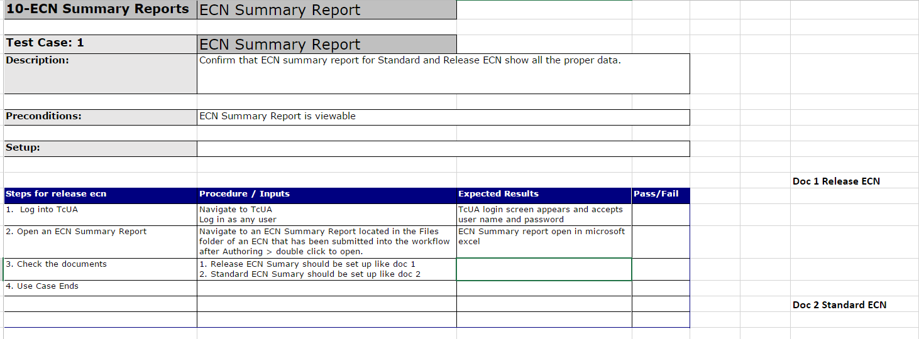
ID | Title | Functional/Tech Spec | Regression? | Target Completion (UFT Script code) | Assigned To | Status (UFT script) | Hours needed | Need Clarification | Comments
53 | 21-Edit a Project Form that is releated to an open ECN | 21 - AdminEditor | Y | February 28 | Rodji | DONE
76 | 5-CHG-Add a File to Released ECN-Test 1.xlsx | 5 - ChangeECN | Y | February 28 | Rodji | IN PROGRESS |  | YES | 1) Test Case 1 is all about adding a file to a released ECN however on Step 4 it stated to delete a file. Deletion of file(s) from released ECN is already covered in Test Case 2 2) Can't execute this test script manually by adding a file to a released ECN with user having an Author Access. It will throw an error upon adding a file to a released ECN under Files folder
77 | 5-CHG-Add a Reviewer to an ECN-Test 1.xlsx | 5 - ChangeECN | Y | February 28 | Rodji | DONE
78 | 5-CHG-Assign Effectivity Date-Test 1.xlsx | 5 - ChangeECN | Y | February 28 | Rodji | DONE
79 | 5-CHG-Assign Effectivity Date-Test 2.xlsx | 5 - ChangeECN | Y | February 28 | Rodji | DONE
82 | 5-CHG-Assign Effectivity Date-Test 5.xlsx | 5 - ChangeECN | Y | February 28 | Rodji | DONE
83 | 5-CHG-Assign Effectivity Date-Test 6.xlsx | 5 - ChangeECN | Y | February 28 | Rodji | DONE
84 | 5-CHG-Assign Effectivity Date-Test 7.xlsx | 5 - ChangeECN | Y | February 28 | Rodji | DONE
85 | 5-CHG-Assign Effectivity Date-Test 8.xlsx | 5 - ChangeECN | Y | February 28 | Rodji | DONE
88 | 5-CHG-Std ECN Add Additional Reviewer-Test 1.xlsx | 5 - ChangeECN | Y | February 28 | Rodji | DONE
89 | 5-CHG-Std ECN Cancellation-Test 1.xlsx | 5 - ChangeECN | Y | February 28 | Rodji | DONE
90 | 5-CHG-Std ECN Cancellation-Test 2.xlsx | 5 - ChangeECN | Y | February 28 | Rodji | DONE
91 | 5-CHG-Std ECN Design Doc work Needed-Test 1.xlsx | 5 - ChangeECN | Y | February 28 | Rodji | DONE
92 | 5-CHG-Std ECN Design Doc work Needed-Test 2.xlsx | 5 - ChangeECN | Y | February 28 | Rodji | DONE
93 | 5-CHG-Std ECN Expedite Approve or Reject-Test 1.xlsx | 5 - ChangeECN | Y | February 28 | Rodji | DONE | 5
97 | 5-CHG-Std ECN for Div Part with BOM-Test 1.xlsx | 5 - ChangeECN | Y | February 28 | Rodji | DONE | 16
98 | 5-CHG-Std ECN for Div Part with BOM-Test 2.xlsx | 5 - ChangeECN | Y | February 28 | Rodji | FOR CLARIFICATION | 9 | YES | Based on the description of this Test Case ECN should fail. However in the step 16 it passes validation.
100 | 5-CHG-Std ECN for Div Part with BOM-Test 4.xlsx | 5 - ChangeECN | Y | February 28 | Rodji | DONE | 5
101 | 5-CHG-Std ECN for Div Part with BOM-Test 5.xlsx | 5 - ChangeECN | Y | February 28 | Rodji | DONE | 5 |  | Skipped Step #9 and #10 . No design document stated in the test script that has been revised.
102 | 5-CHG-Std ECN for Div Part with BOM-Test 6.xlsx | 5 - ChangeECN | Y | February 28 | Rodji | DONE | 5 |  | Skipped Step #9 and #10 . No design document stated in the test script that has been revised.
103 | 5-CHG-Std ECN for Div Part with BOM-Test 7.xlsx | 5 - ChangeECN | Y | February 28 | Rodji | DONE | 5
104 | 5-CHG-Std ECN for Div Part with BOM-Test 8.xlsx | 5 - ChangeECN | Y | February 28 | Rodji | DONE | 5
105 | 5-CHG-Std ECN for Div Part with BOM-Test 9.xlsx | 5 - ChangeECN | Y | February 28 | Rodji |  | 5
109 | 5-CHG-Std ECN for Div Parts-Test 4.xlsx | 5 - ChangeECN | Y | February 28 | Rodji |  | 6
110 | 5-CHG-Std ECN for Div Parts-Test 5.xlsx | 5 - ChangeECN | Y | February 28 | Rodji |  | 6
111 | 5-CHG-Std ECN for Div Parts-Test 6.xlsx | 5 - ChangeECN | Y | February 28 | Rodji |  | 6
112 | 5-CHG-Std ECN for Div Parts-Test 7.xlsx | 5 - ChangeECN | Y | February 28 | Rodji |  | 6

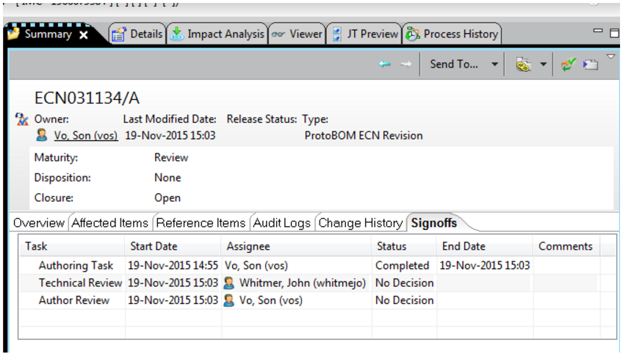
 |  |  |  | For 746:
 |  |  |  | This is the actual info of ECN031134 on Teamcenter |  |  |  | This is the screenshot on the Test case
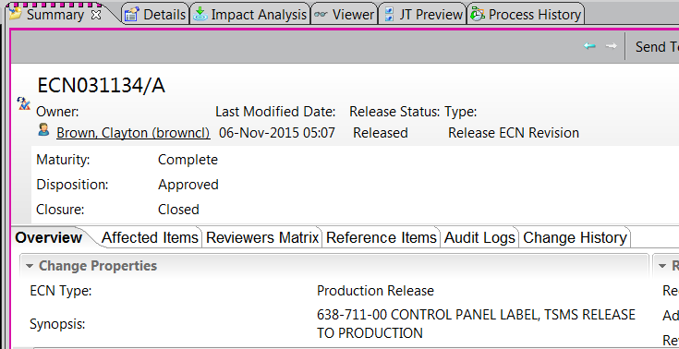

 |  |  |  |  |  |  |  | VS

 |  |  |  | For 900:
 |  |  |  | Insufficient information on Test case about Doc1 and Doc2

