Sheet1
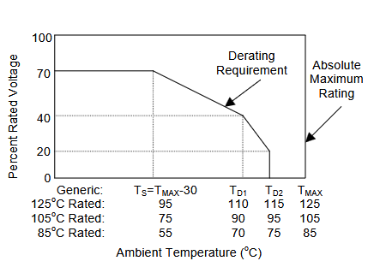
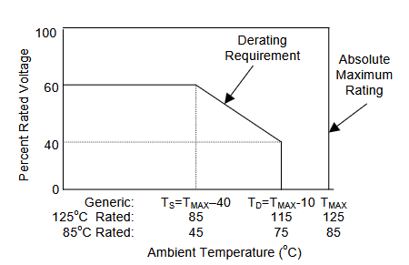

Capacitors
Component | Type | Rated Voltage (V) | Operating Temperature Range(C) | Operating Voltage (V) | Rated Voltage at TS(V) | Rated Voltage at TD1(V) | Voltage at TD2(V) | Margin( Percent of Max Max Voltage)
EEH-ZK1V101XP | Fixed, Electrolytic (Dry), Aluminum (Polarized) | 35 | -55 to 125 | 5 | 24.5 | 14 | 7 | 71.43%
GRT21BC71E106KE13L | Fixed, Ceramic, Chip | 25 | -55 to 125 | 5 | 15 | 10 | N/A | 33.33%
GCM155R71H104KE02J | Fixed, Ceramic, Chip | 50 | -55 to 125 | 5 | 30 | 20 | N/A | 16.67%
GCM31CR71H225KA55L | Fixed, Ceramic, Chip | 50 | -55 to 125 | 5 | 30 | 20 | N/A | 16.67%
GCM155R71H103KA55D | Fixed, Ceramic, Chip | 25 | -55 to 125 | 5 | 15 | 10 | N/A | 33.33%
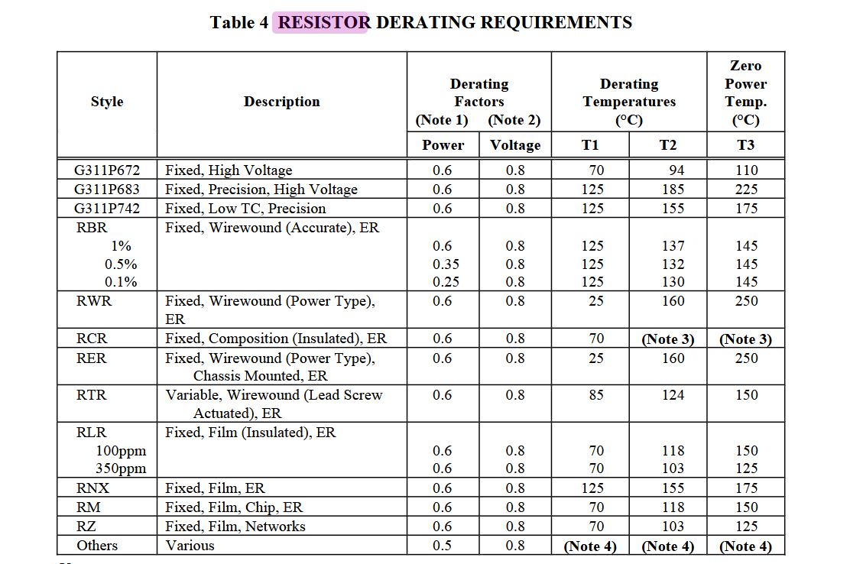

Resistors
Component | Type | Power dissipated(W) | Rated Voltage (V) | Operating Temperature Range(C) | Derated Power dissipated | Derated Voltage | T1 | T2 | Operating Voltage(V) | Operating Power(W) | Margin( Percent of Max Voltage) | Margin( Percent of Power Dissipated)
ERJ-2RKF4701X | Fixed, Film, Chip, ER | 0.063 | 50 | -55 to 155 | 0.0378 | 40 | 70 | 121 | 5 | 0.025 | 12.50% | 66.14%
ERJ-2RKF1001X | Fixed, Film, Chip, ER | 0.063 | 50 | -55 to 155 | 0.0378 | 40 | 70 | 121 | 5 | 0.025 | 12.50% | 66.14%

Component | Type | Rated Saturation Current(A) | Rated Current due to Temperature Rise 40 degree above ambient(A) | Operating Temperature Range(C) | Derated Saturation Current(A) | Derated Current due to Temperature Rise 40 degree above ambient(A) | Operating Current(A) | Margin( Percent of Max Current)
DFE322520FD-4R7M=P2 | CHIP COIL | 3.4 | 2 | -40 to 125 | 3.06 | 1.8 | 0.1 | 5.56%
ETQ-P3M6R8KVN | CHIP COIL | 8.1 | 3.6 | -55 to 155 | 7.29 | 3.24 | 0.1 | 3.09%

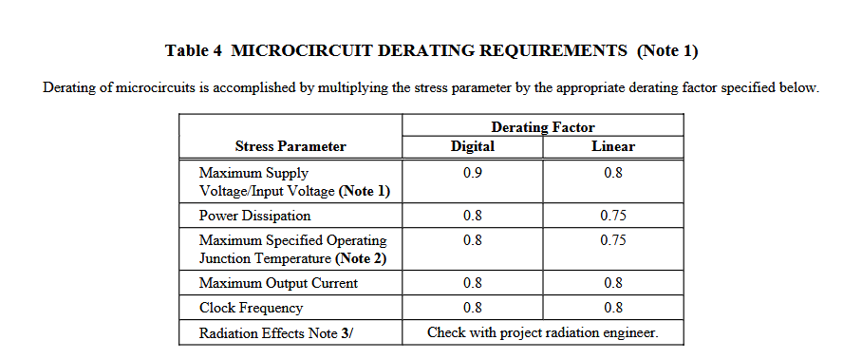

Component | Type | Rated Max Vin(V) | Rated Power Dissipation(W) | Rated Max Tj(C) | Rated Max Iout(A) | Max Operating Vin (V) | Max Power Dissipated Operating(W) | Derated Power Dissipation(W) | Derated Max Tj(C) | Derated Max Iout(A) | Margin( Percent of Power Dissipated)
LMR50410Y5FQDBVRQ1 | monolithic | 36 | 0.722 | 150 | 1 | 20.75 | 0.52023121387 | 0.5415 | 112.5 | 8.00E-01 | 96.07%
LMR50410Y3FQDBVRQ1 | monolithic | 36 | 0.722 | 150 | 1 | 20.75 | 0.52023121387 | 0.5415 | 112.5 | 8.00E-01 | 96.07%
TCA9548ARGERQ1 | monolithic | 5.25 | 2 | 125 | 0.025 | 5 | 1.1363636364 | 1.5 | 93.75 | 2.00E-02 | 75.76%
TMP112AQDRLRQ1 | monolithic | 3.6 | 0.6 | 125 | 0.003 | 3.3 | 0.30952380952 | 0.45 | 93.75 | 2.40E-03 | 68.78%

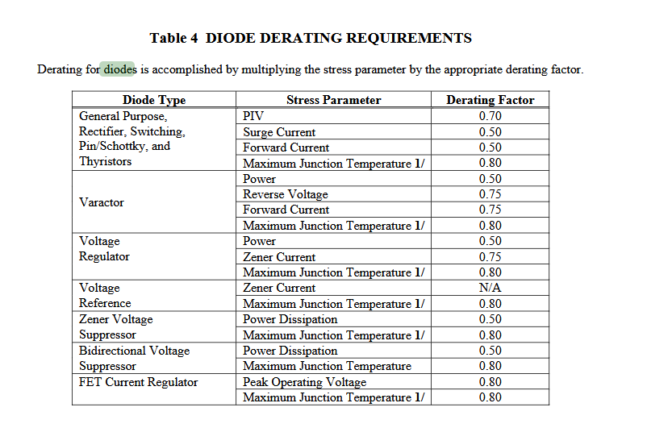

Diodes
Component | Type | Rated PIV(V) | Rated Surge Currnet(A) | Rated Forward Current(A) | Rated Max Tj(C) | Max Operating PIV | Max Foreward Current(A) | Derated PIV | Derated Surge Currnet(A) | Derated Forward Current(A) | Derated Max Tj(C) | Margin( Percent of Max PIV) | Margin( Percent of Forward Current)
V1P22-M3/H | Schottky | 160 | 25 | 1 | 175 | 21.5 | 0.025 | 112 | 12.5 | 0.5 | 125 | 19.20% | 5.00%

