Bollinger Bands Instruction
Bollinger Bands
Bollinger bands are a tool for technical analysis of market prices that show the 20d along with sets of bands that show that average +/- some standard deviation.
*You can read more about technical analysis here.

In this exercise, you'll construct a chart showing the 20d moving average of Tesla stock along with some bands that show the moving average +/- 1σ, and +/- 2σ.

Instructions:

Go to the "Bollinger Bands model" tab and begin to populate the empty fields with calculations.

Find the 20d moving average and 20d standard deviation and put those calculations next to the close and volume data.

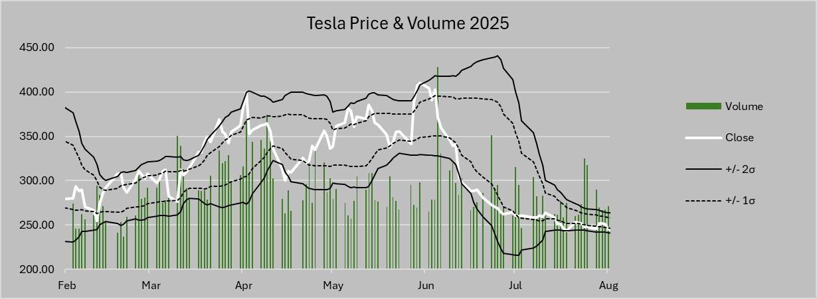
Insert the bands:
In adjacent columns, add in the calcuations for the 20d moving average
1) +2s
2) +1s
3) -1s
4) -2s
These are the Bollinger bands

Insert a combo chart and plot the close along with the Bollinger bands as line data
Plot the Volume as column data on a secondary axis.
Change the date range to 2/1/2025 - 8/1/2025
Format the chart to make the secondary axis disappear and include a title and a legend the way I've done in the example at the right.

