EPoll_OMP
TimeUsed | TimeUsed | TimeUsed | Start Nmber
MP-Sync_Win | MP-NoSyn-Win | MT-Win | 1M
2882428 | 1703269 | 3385306
24097741 | 20933617 | 190529779
49360840 | 49856285 | 295558830
20680940 | 19455067 | 313175796
42303226 | 45752585 | 377490230
11893867 | 10150962 | 394981212
37152012 | 43293053 | 394820546
138649955 | 134747971 | 396203900
100792995 | 88225677 | 401720327
32591793 | 29352290 | 424429052
#VALUE! | #VALUE! | #VALUE! | 10M
1905340 | 1750337 | 3366550
24772962 | 21326080 | 141532737
52878147 | 50724022 | 159215527
23162058 | 20482762 | 176353680
58171270 | 40714616 | 255224292
14033836 | 9211032 | 316150236
46140447 | 50364825 | 321979855
142895211 | 132858202 | 321390630
87284685 | 87465876 | 332753663
40015330 | 29535959 | 336454991
#VALUE! | #VALUE! | #VALUE! | 100M
1644524 | 1896847 | 3390967
20522397 | 22315201 | 137802035
51677754 | 50753749 | 152344764
19821343 | 21439678 | 199183436
42645082 | 42674101 | 261585099
9380545 | 12047101 | 334322100
46509200 | 37113792 | 357099834
150424207 | 134937301 | 358424088
87658746 | 92986550 | 375474123
32298065 | 32932943 | 383439819
#VALUE! | #VALUE! | #VALUE! | 1000M
2868627 | 2264538 | 135533959
21977590 | 22423491 | 211859398
47360304 | 49451436 | 282080954
19779938 | 29954256 | 332662359
42889620 | 43135219 | 345988770
10225633 | 10187766 | 345226139
46542820 | 38375053 | 364203456
136769386 | 134428055 | 366467639
87510466 | 89246293 | 378171822
26530731 | 37485022 | 381673557

Profile Data at Turn Point
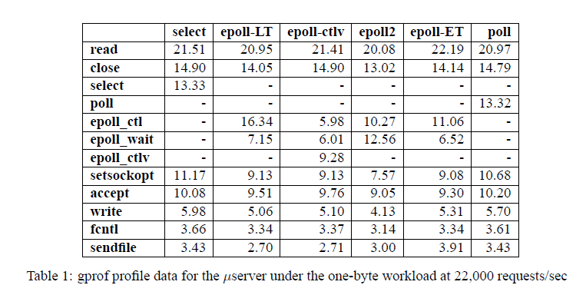

Discussion & Next JMS
