Sheet1
Term | Definition | Ref | Additional Stuff
Artificial Intelligence | the capacity of an algorithm to assimilate information to perform tasks that are characteristic of human intelligence | Reichstein, Nature
Machine Learning | a field of statistical research for training computation algorithms that split, sort, and transfomr a set of data to classify, predict, cluster, or discover patterns | Reichstein, Nature
Deep Learning | machine learning algorithms that constructu hierarchical architectures of increasing sophistication. Often utilize artificial neural networks with many layers (i.e. hidden layers) | Reichstein, Nature
Bayesian inference | statistical and machine learning framework that develops methods for data analysis in which observational evidence is used to update the probability that an hypothesis is true. Used to treat uncertainty | Reichstein, Nature
Causal inference | links events, processes or properties in a system via a cause-and-effect connection. Recent | Reichstein, Nature
Convolution | an important operation in signal and image processing that can do 1d, 2d, and 3d processing. 'A convolutional filter is essentially a weighting vector/matrix/cube that uses a sliding-window approach. Depending on the kernel structure, the convolution enhances some features of the data, such as edges, trends or flat regions. Convolution is embedded in convolutional neural networks at the neuron level, which extracts useful features from the previous layers.' | Reichstein, Nature
Supervised and Unsupervised Learning (1) | 1) In supervised learning an algorithm learns the input-to-output relationship after being provided both the inputs and the respective outputs. For example, the input might be a set of photos and the output might be a set of corresponding labels. In unsupervised learning the algorithm does not have access to the output, so the goal is to infer the underlying structure of the data. For example, the algorithm could automatically separate pictures with different statistical or semantic properties (such as a set of images of cats and dogs). | Reichstein, Nature, Shen, 2018
Supervised and Unsupervised Learning (1) | 2) supervised learning is trained to predict some observed target variables, given some input attribute. [e.g. classification tasks (for categorical data) and regression tasks (for continuous data). Unsupervised learning is not given a target, and so seeks to learn how to represent input data instances efficiently and meaningfully by finding hidden structures. [e.g to remove less important details and leave only key bits of information] | Shen, 2018
NN | Nueral Networks | Shen, 2018
PDF | Partial Differential Equations | Shen, 2018
Artificial Neural Networks (ANN) | Supervised learning to approximate functions by connecting units | Shen, 2018
Units | sometimes also called neurons, or cells. In ANN, a cell receives inputs from multiple cells in the above layer (inputs), and uses it to generate an output sent to multiple cells in the below layer (outputs) | Shen, 2018
Tuning | Also known as the training. This process defines the transformation between inputs and outputs. During training, the neural network learns to minimize the loss function. One efficient method is backpropogation | Shen, 2018
Loss Function | The mismatch between real data and predictions during tuning | Shen, 2018
Backpropogation | A fast method for computing the loss function. For more information: http://neuralnetworksanddeeplearning.com/chap2.html | Shen, 2018
Multidimensionality of DL networks | the # of neurons (cells, units) in a 'layer' is called the 'width' of the netowrk. The number of layers is called the 'depth' of the network. A deep network implies a large depth | Shen, 2018
testing error | refers to errors incurred when the algorithm is applied to data not in the training set. Also known as generalization errors. When applied to a forward run (wherein there is no testing data), the network is making an 'inference'. | Shen, 2018
inference | see previous | Shen, 2018
deep v nondeep learning | There is no clearcut definition here, but deep learning (DL) is generally large, multiplayer neural networks working directly on big raw data. By contrast, nondeep learning requires that input features be constructed by expert humans. Note that with deep learning DL increased depth allows for exponential growth in the ability to represent complex functions | Shen, 2018
vanishing gradient | one of the downsides of going deep. The traning signal becomes exponentially small as it propogates into the networks, making back propogation ineffective for deep networks | Shen, 2018
double descent curve | the notion that DL models do especially best with moderately and highly parameterized models, which is the opposite of traditional ML (does best only with a lot of parameters) and classical statistics (does best with fewer parameters). | Shen, 2018
MLP | (Multilayer perceptron) - a class of feedforward artificial neural network. A vanilla MLP network. Here each circle represents a neuron The layer in the middle is not connected to input or output and is thus called the hidden layer. The layers are fully connected, meaning that a neuron in a layer is connected to all cells in the adjacent layers. | Shen, 2018 | 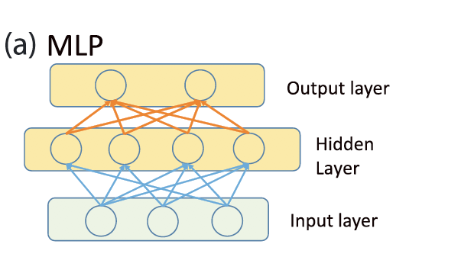
CNN | Convolutional neural network (CNN): although it structurally resembles SDAE, each coarsening stage (reduction in the number of neurons) forward contains multiple convolutional layers and pooling layers (here only one set is illustrated). The convolutional layer convolves a layer-shared filter with the inputs, while the pooling layer employs a reduction operator, for example, max, to coarsen the layers. There can be many such coarsening stages. Thus, a neuron in the upper-level layers has a field of view indicated by the dashed black lines | Shen, 2018 | 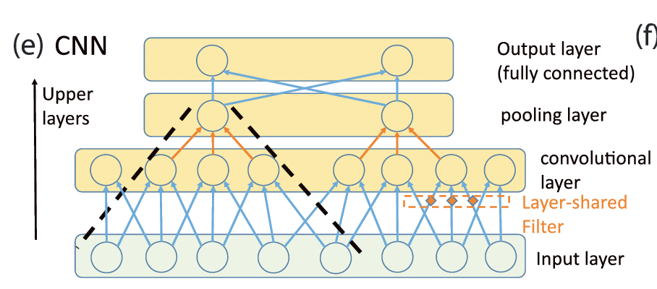
LSTM | Comparing long short-term memory (LSTM) and simple recurrent neural networks (reprinted from Fang et al., 2017 with permission). ⨂ means multiplication by weights. In this plot alone, activation functions are explicitly shown as transformations. The design of gates allows LSTM to learn when to forget past states and when to output. | Shen, 2018 | 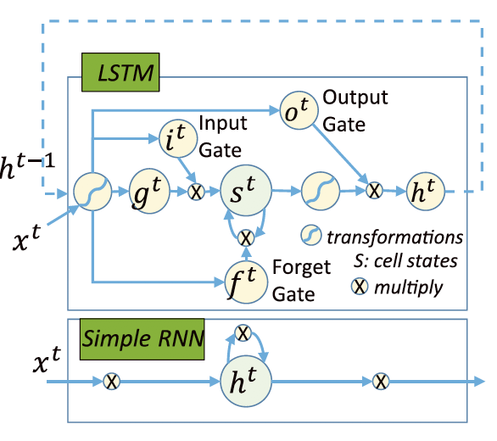
Autoencoders | Autoencoder: note that the hidden layer has fewer neurons than input and output layers, which have the same number of neurons. This autoencoder is trained to reproduce its inputs through the bottleneck layer in the middle, which is forced to apply information compression | Shen, 2018 | 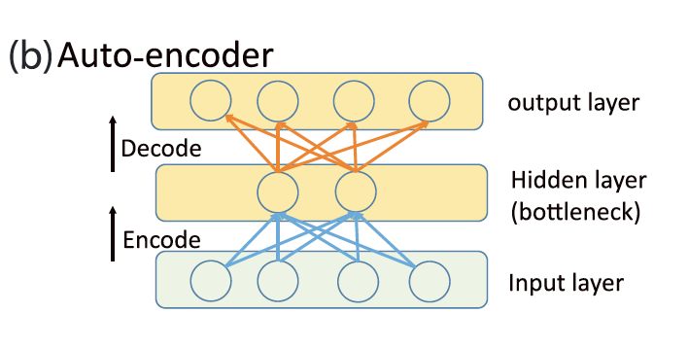
SDAEs | SDAE, formed by stacking autoencoders: each hidden layer is first trained to reproduce its inputs, then activations from this layer are sent to the next hidden layer, which has fewer neurons, as the input data to be reproduced. The layers are fully connected. | Shen, 2018 | 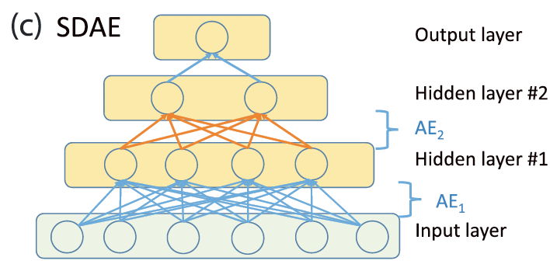
DBN | Deep belief net (DBN) stacks layers of restricted Boltzmann machines (RBMs) with a specific order in the number of their elements. Each RBM is trained to stochastically reproduce its input distributions after going through a forward and reconstruction step. ( | 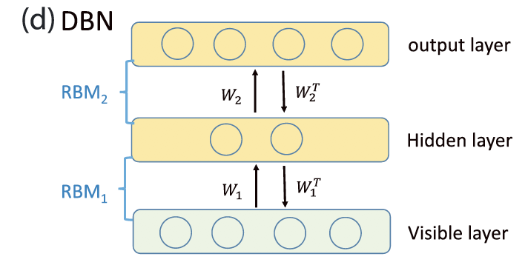 Shen, 2018
Regularization (Model Complexity Penalization) Techniques
Generative Adversarial Networks

