Sheet1
Code | Term | Definition | Ref | Additional Stuff
DL | Artificial Intelligence | the capacity of an algorithm to assimilate information to perform tasks that are characteristic of human intelligence | Reichstein, Nature
DL | Machine Learning | a field of statistical research for training computation algorithms that split, sort, and transfomr a set of data to classify, predict, cluster, or discover patterns | Reichstein, Nature
DL | Deep Learning | machine learning algorithms that constructu hierarchical architectures of increasing sophistication. Often utilize artificial neural networks with many layers (i.e. hidden layers) | Reichstein, Nature
DL | Bayesian inference | statistical and machine learning framework that develops methods for data analysis in which observational evidence is used to update the probability that an hypothesis is true. Used to treat uncertainty | Reichstein, Nature
DL | Causal inference | links events, processes or properties in a system via a cause-and-effect connection. Recent | Reichstein, Nature
DL | Convolution | an important operation in signal and image processing that can do 1d, 2d, and 3d processing. 'A convolutional filter is essentially a weighting vector/matrix/cube that uses a sliding-window approach. Depending on the kernel structure, the convolution enhances some features of the data, such as edges, trends or flat regions. Convolution is embedded in convolutional neural networks at the neuron level, which extracts useful features from the previous layers.' | Reichstein, Nature
DL | Supervised and Unsupervised Learning (1) | 1) In supervised learning an algorithm learns the input-to-output relationship after being provided both the inputs and the respective outputs. For example, the input might be a set of photos and the output might be a set of corresponding labels. In unsupervised learning the algorithm does not have access to the output, so the goal is to infer the underlying structure of the data. For example, the algorithm could automatically separate pictures with different statistical or semantic properties (such as a set of images of cats and dogs). | Reichstein, Nature, Shen, 2018
DL | Supervised and Unsupervised Learning (1) | 2) supervised learning is trained to predict some observed target variables, given some input attribute. [e.g. classification tasks (for categorical data) and regression tasks (for continuous data). Unsupervised learning is not given a target, and so seeks to learn how to represent input data instances efficiently and meaningfully by finding hidden structures. [e.g to remove less important details and leave only key bits of information] | Shen, 2018
DL | NN | Nueral Networks | Shen, 2018
DL | PDF | Partial Differential Equations | Shen, 2018
DL | Artificial Neural Networks (ANN) | Supervised learning to approximate functions by connecting units | Shen, 2018
DL | Units | sometimes also called neurons, or cells. In ANN, a cell receives inputs from multiple cells in the above layer (inputs), and uses it to generate an output sent to multiple cells in the below layer (outputs) | Shen, 2018
DL | Tuning | Also known as the training. This process defines the transformation between inputs and outputs. During training, the neural network learns to minimize the loss function. One efficient method is backpropogation | Shen, 2018
DL | Loss Function | The mismatch between real data and predictions during tuning | Shen, 2018
DL | Backpropogation | A fast method for computing the loss function. Backpropagation is a beautifully local process. Every gate in a circuit diagram gets some inputs and can right away compute two things: 1. its output value and 2. the local gradient of its output with respect to its inputs. Notice that the gates can do this completely independently without being aware of any of the details of the full circuit that they are embedded in. However, once the forward pass is over, during backpropagation the gate will eventually learn about the gradient of its output value on the final output of the entire circuit. Chain rule says that the gate should take that gradient and multiply it into every gradient it normally computes for all of its inputs. Backpropagation can thus be thought of as gates communicating to each other (through the gradient signal) whether they want their outputs to increase or decrease (and how strongly), so as to make the final output value higher. | Shen, 2018, http://neuralnetworksanddeeplearning.com/chap2.html https://cs231n.github.io/optimization-2/
DL | Multidimensionality of DL networks | the # of neurons (cells, units) in a 'layer' is called the 'width' of the netowrk. The number of layers is called the 'depth' of the network. A deep network implies a large depth | Shen, 2018
DL | testing error | refers to errors incurred when the algorithm is applied to data not in the training set. Also known as generalization errors. When applied to a forward run (wherein there is no testing data), the network is making an 'inference'. | Shen, 2018
DL | inference | see previous | Shen, 2018
DL | deep v nondeep learning | There is no clearcut definition here, but deep learning (DL) is generally large, multiplayer neural networks working directly on big raw data. By contrast, nondeep learning requires that input features be constructed by expert humans. Note that with deep learning DL increased depth allows for exponential growth in the ability to represent complex functions | Shen, 2018
DL | vanishing gradient | one of the downsides of going deep. The traning signal becomes exponentially small as it propogates into the networks, making back propogation ineffective for deep networks | Shen, 2018
DL | double descent curve | the notion that DL models do especially best with moderately and highly parameterized models, which is the opposite of traditional ML (does best only with a lot of parameters) and classical statistics (does best with fewer parameters). | Shen, 2018
NN | MLP | (Multilayer perceptron) - a class of feedforward artificial neural network. A vanilla MLP network. Here each circle represents a neuron The layer in the middle is not connected to input or output and is thus called the hidden layer. The layers are fully connected, meaning that a neuron in a layer is connected to all cells in the adjacent layers. | Shen, 2018 | 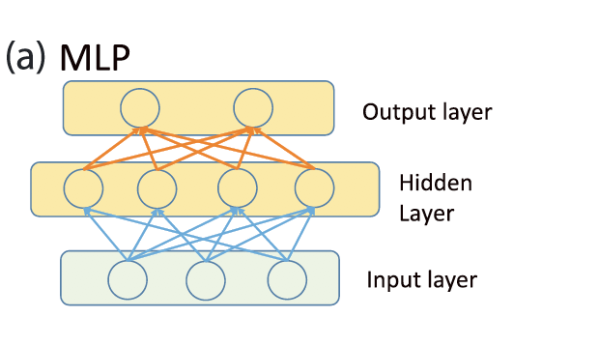
NN | CNN | Convolutional neural network (CNN): although it structurally resembles SDAE, each coarsening stage (reduction in the number of neurons) forward contains multiple convolutional layers and pooling layers (here only one set is illustrated). The convolutional layer convolves a layer-shared filter with the inputs, while the pooling layer employs a reduction operator, for example, max, to coarsen the layers. There can be many such coarsening stages. Thus, a neuron in the upper-level layers has a field of view indicated by the dashed black lines | Shen, 2018 | 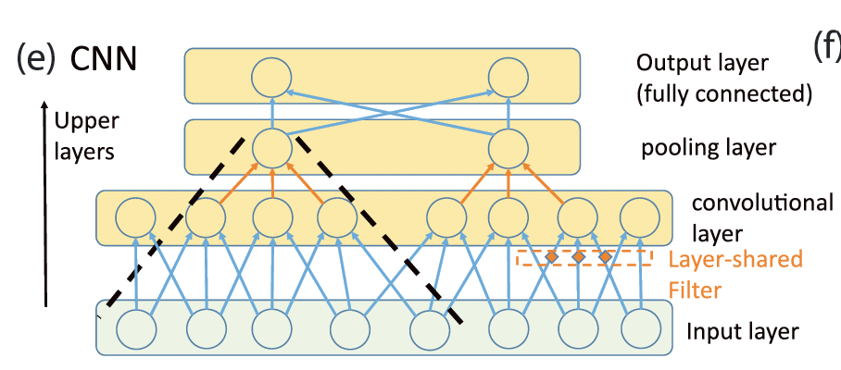
NN | LSTM | Comparing long short-term memory (LSTM) and simple recurrent neural networks (reprinted from Fang et al., 2017 with permission). ⨂ means multiplication by weights. In this plot alone, activation functions are explicitly shown as transformations. The design of gates allows LSTM to learn when to forget past states and when to output. | Shen, 2018 | 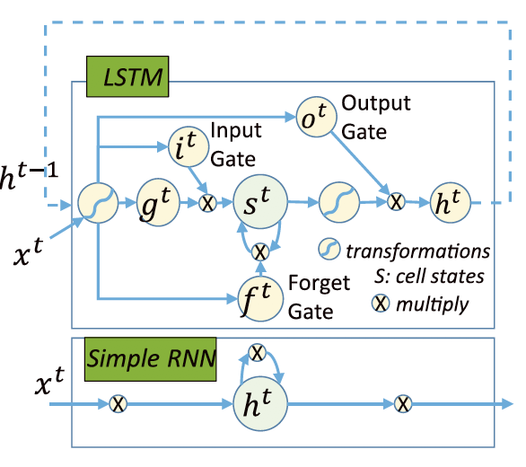
NN | Autoencoders | Autoencoder: note that the hidden layer has fewer neurons than input and output layers, which have the same number of neurons. This autoencoder is trained to reproduce its inputs through the bottleneck layer in the middle, which is forced to apply information compression | Shen, 2018 | 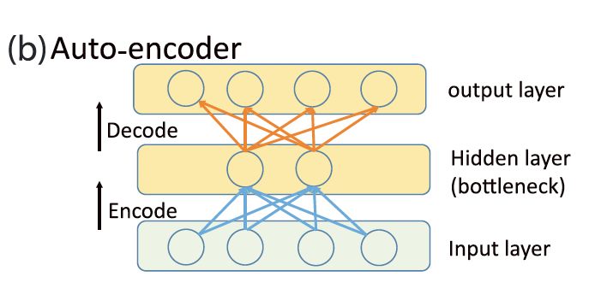
NN | SDAEs | SDAE, formed by stacking autoencoders: each hidden layer is first trained to reproduce its inputs, then activations from this layer are sent to the next hidden layer, which has fewer neurons, as the input data to be reproduced. The layers are fully connected. | Shen, 2018 | 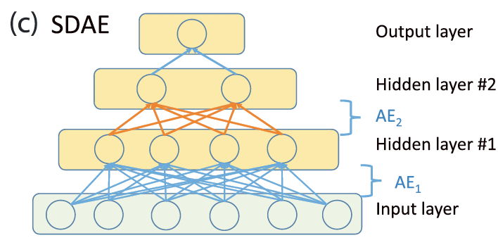
NN | DBN | Deep belief net (DBN) stacks layers of restricted Boltzmann machines (RBMs) with a specific order in the number of their elements. Each RBM is trained to stochastically reproduce its input distributions after going through a forward and reconstruction step. ( | 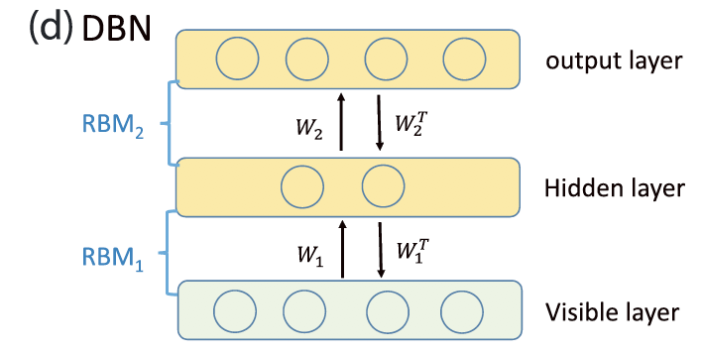 Shen, 2018
 | Regularization (Model Complexity Penalization) Techniques
 | Generative Adversarial Networks
Py | Keras | A python ML and DL package
Py | TensorFlow | A google-built, production-grade deep learning package
Py | PyTorch | The up and coming Python ML and DL package
Py | Abstract Syntax Tree | a tree representatino of the anstract syntactctice structure of source code written in a programming language. Abstract in the sense of not including all code (kind of like Pseudo Code) | https://en.wikipedia.org/wiki/Abstract_syntax_tree
Py - TensorFlow | Session - TensorFlow | a class for running tensorflow operations
Py | context manager | Used with 'with' statements - allow you to allocate and release resources precisely when you want to. Most common - 'with statement'. Common use is opening and closing files/resources | https://book.pythontips.com/en/latest/context_managers.html
Py - TensorFlow | eager execution | an imperative programming environment that evaluates operations immediately, without building graphs: operations return concrete values instead of constructing a computational graph to run later. This makes it easy to get started with TensorFlow and debug models, and reduces boilerplate code | https://www.tensorflow.org/guide/eager | 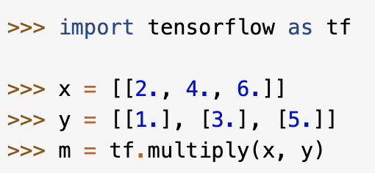
Py - PyTorch | Torch | A framework for doing fast computation in C | http://torch.ch/
Py - PyTorch | Lua | a type of wrapper used to construcct models in PyTorch | https://www.lua.org/about.html
Py - PyTorch | torch-Tensor | the core tensor object in PyTorch which is super integrated and convertible to Numpy arrays.
Py - PyTorch | backward() | computes the gradient (for backpropogation) used in DL models | https://pytorch.org/docs/stable/autograd.html#torch.Tensor.backward
Py - PyTorch | CUDA | PyTorch is Cuda Compatabile. CUDA is Compute Unified Device Architecture, a parallel computing platform and API allowing for GPU use | https://en.wikipedia.org/wiki/CUDA
Py - PyTorch | AutoDiffernetiation | Autograd automatically calculates the gradient of the functions in torch.nn during backpropogation | https://pytorch.org/tutorials/beginner/blitz/autograd_tutorial.html
Py - PyTorch | fast.ai API | The super-useful API used by pytorch | https://www.fast.ai/
Py - PyTorch | TouchServe | a flexible and easy to use tool for serving PyTorch models | https://github.com/pytorch/serve
Py - PyTorch | TouchElastic | training deep neural networks at scale using Kubernetes | https://pytorch.org/elastic/0.2.0rc0/kubernetes.html
Py - PyTorch | Kubernates | Used by the above | https://github.com/pytorch/elastic/tree/master/kubernetes
Py - PyTorch | PyTorch HUB | A community of research using pytorch | https://pytorch.org/hub/research-models
DL | ReLU Network | ReLU stands for rectified linear unit, and is a type of activation function. Mathematically, it is defined as y = max(0, x). Visually, it looks like the following: ReLU is the most commonly used activation function in neural networks, especially in CNNs. If you are unsure what activation function to use in your network, ReLU is usually a good first choice. Because its uncomplicated (cheap), converges quickly (no vanishing gradient, like sigmoid or tanh (other types of activation functions). Sparsely Activated. Downside, any negative input will generate an output of '0', which results in neuron 'death'. Over time you may end up with a large part of your network doing nothing. | https://medium.com/@danqing/a-practical-guide-to-relu-b83ca804f1f7 | 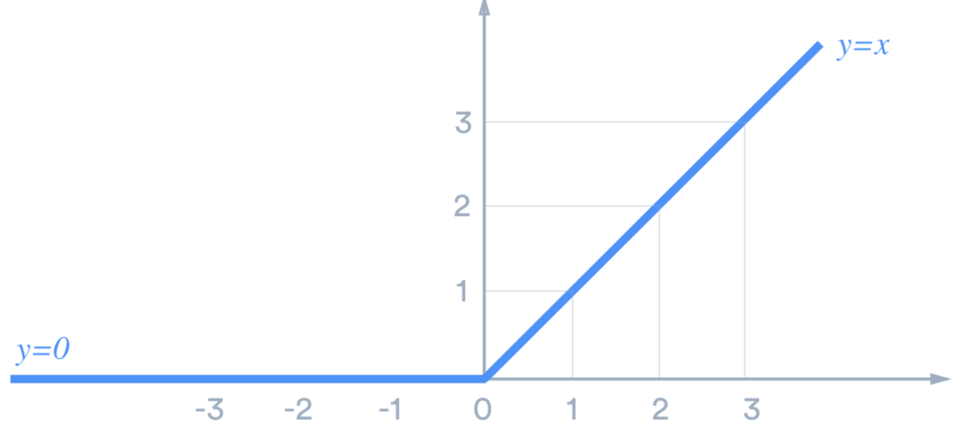
DL | Dying ReLU | A ReLU neuron is “dead” if it’s stuck in the negative side and always outputs 0. Because the slope of ReLU in the negative range is also 0, once a neuron gets negative, it’s unlikely for it to recover. Such neurons are not playing any role in discriminating the input and is essentially useless. Over the time you may end up with a large part of your network doing nothing. The dying problem is likely to occur when learning rate is too high or there is a large negative bias. Lower learning rates often mitigates the problem. If not, leaky ReLU and ELU are also good alternatives to try. They have a slight slope in the negative range, thereby preventing the issue. | https://medium.com/@danqing/a-practical-guide-to-relu-b83ca804f1f7
DL | Activation Function | e.g. ReLU (rectified linear unit), sigmoid, tanh. This is the function that does the transformation on the input within a given node to generate a given output | https://medium.com/@danqing/a-practical-guide-to-relu-b83ca804f1f7
DL | Sprasity (model) | Not to be confused with data sparsity, which is usually bad. Model sparsity is often desirable (kind of like minimizin the number of neurons required to do a certain task). Results in concise models that often have better predictive power and less overfitting / noise. In a sparse network, its more likely that neurons are actually processing meaningful aspects of the problem. Additionally, this type of network is faster than a dense network | https://medium.com/@danqing/a-practical-guide-to-relu-b83ca804f1f7
DL | Learning Rate | The learning rate is a hyperparameter that controls how much to change the model in response to the estimated error each time the model weights are updated. Choosing the learning rate is challenging as a value too small may result in a long training process that could get stuck, whereas a value too large may result in learning a sub-optimal set of weights too fast or an unstable training process. **This is one of the most important hyperparameters when configuring a neural network** | https://machinelearningmastery.com/understand-the-dynamics-of-learning-rate-on-deep-learning-neural-networks/
DL | forward pass | The "forward pass" refers to calculation process, values of the output layers from the inputs data. It's traversing through all neurons from first to last layer. A loss function is calculated from the output values | https://stackoverflow.com/questions/36740533/what-are-forward-and-backward-passes-in-neural-networks
DL | backward pass | In backpropogation: "backward pass" refers to process of counting changes in weights (de facto learning), using gradient descent algorithm (or similar). Computation is made from last layer, backward to the first layer. | https://stackoverflow.com/questions/36740533/what-are-forward-and-backward-passes-in-neural-networks
DL | Iteration | One backward and forward pass together = one iteration | https://stackoverflow.com/questions/36740533/what-are-forward-and-backward-passes-in-neural-networks
DL | minibatch | During one iteration, you usually pass a subset of the data set, which is called "mini-batch" (if you pass all data at once, it is called "batch") | https://stackoverflow.com/questions/36740533/what-are-forward-and-backward-passes-in-neural-networks
DL | epoch | "Epoch" means passing the entire data set. One epoch contains number_of_items/batch_size iterations | https://stackoverflow.com/questions/36740533/what-are-forward-and-backward-passes-in-neural-networks
DL | automatic differentiation | In mathematics and computer algebra, automatic differentiation (AD), also called algorithmic differentiation, computational differentiation,[1][2] auto-differentiation, or simply autodiff, is a set of techniques to numerically evaluate the derivative of a function specified by a computer program. Relevant to computation of gradients for backward passes because, in reality, that's all a gradient is -> the derivative (rate of change)of the activation function with respect to the variable (input -> output) in question. See CS231n reference | https://en.wikipedia.org/wiki/Automatic_differentiation https://cs231n.github.io/optimization-2/
DL | Computational graph | A computational graph is defined as a directed graph where the nodes correspond to mathematical operations. They are a way of expressing and evaluating a mathematical expression. See the examples in the attacehd reference. Kind of like a n abstract tree but usually referencing only the algorithm used in backpropogation | https://www.tutorialspoint.com/python_deep_learning/python_deep_learning_computational_graphs.htm#:~:text=A%20computational%20graph%20is%20defined,and%20evaluating%20a%20mathematical%20expression.
DL | gate | A gate in a neural network acts as a threshold for helping the network to distinguish when to use normal stacked layers versus an identity connection. In short, it allows for the layers of the network to learn in increments, rather than creating transformations from scratch. The gate in the neural network is used to decide whether the network can use the shortened identity connections, or if it will need to use the stacked layers. A single-layer artificial neural network, also called a single-layer, has a single layer of nodes, as its name suggests. Each node in the single layer connects directly to an input variable and contributes to an output variable. | https://deepai.org/machine-learning-glossary-and-terms/gated-neural-network
DL | node | A node, also called a neuron or Perceptron, is a computational unit that has one or more weighted input connections, a transfer function that combines the inputs in some way, and an output connection. Nodes are then organized into layers to comprise a network | https://machinelearningmastery.com/how-to-configure-the-number-of-layers-and-nodes-in-a-neural-network/
DL | layer | A layer is the highest-level building block in deep learning. A layer is a container that usually receives weighted input, transforms it with a set of mostly non-linear functions and then passes these values as output to the next layer. | https://developer.nvidia.com/blog/deep-learning-nutshell-core-concepts/#:~:text=in%20deep%20learning.-,Layer,output%20to%20the%20next%20layer.
DL | Network | Nodes are then organized into layers to comprise a network | https://machinelearningmastery.com/how-to-configure-the-number-of-layers-and-nodes-in-a-neural-network/
DL | Input Layer | Input Layer: Input variables, sometimes called the visible layer. | https://machinelearningmastery.com/how-to-configure-the-number-of-layers-and-nodes-in-a-neural-network/#:~:text=A%20node%2C%20also%20called%20a,layers%20to%20comprise%20a%20network.
DL | Hidden Layer | Hidden Layers: Layers of nodes between the input and output layers. There may be one or more of these layers. | https://machinelearningmastery.com/how-to-configure-the-number-of-layers-and-nodes-in-a-neural-network/#:~:text=A%20node%2C%20also%20called%20a,layers%20to%20comprise%20a%20network.
DL | Output Layer | Output Layer: A layer of nodes that produce the output variables. | https://machinelearningmastery.com/how-to-configure-the-number-of-layers-and-nodes-in-a-neural-network/#:~:text=A%20node%2C%20also%20called%20a,layers%20to%20comprise%20a%20network.
DL | Size | Size: The number of nodes in the model. | https://machinelearningmastery.com/how-to-configure-the-number-of-layers-and-nodes-in-a-neural-network/#:~:text=A%20node%2C%20also%20called%20a,layers%20to%20comprise%20a%20network.
DL | Width | Width: The number of nodes in a specific layer. | https://machinelearningmastery.com/how-to-configure-the-number-of-layers-and-nodes-in-a-neural-network/#:~:text=A%20node%2C%20also%20called%20a,layers%20to%20comprise%20a%20network.
DL | Depth | Depth: The number of layers in a neural network. | https://machinelearningmastery.com/how-to-configure-the-number-of-layers-and-nodes-in-a-neural-network/#:~:text=A%20node%2C%20also%20called%20a,layers%20to%20comprise%20a%20network.
DL | Capacity | Capacity: The type or structure of functions that can be learned by a network configuration. Sometimes called “representational capacity“. | https://machinelearningmastery.com/how-to-configure-the-number-of-layers-and-nodes-in-a-neural-network/#:~:text=A%20node%2C%20also%20called%20a,layers%20to%20comprise%20a%20network.
DL | Architecture | Architecture: The specific arrangement of the layers and nodes in the network. | https://machinelearningmastery.com/how-to-configure-the-number-of-layers-and-nodes-in-a-neural-network/#:~:text=A%20node%2C%20also%20called%20a,layers%20to%20comprise%20a%20network.
DL | gradient | The derivative of each variable. Note that the derivative really tells you sensitivity of the whole expression to its value. Often, we use the term 'gradient on x' in stead of the technically correct phrase 'the partial derivative of x' | https://cs231n.github.io/optimization-2/
DL | optimization | fitting 'learnable' parameters in 'layers' of computation that are needed for DL in large networks | From PyTorch Blitz
Py - PyTorch | torch.Tensor | A multidimensional array with support for autograd operations like 'backward()' | From PyTorch Blitz
Py - PyTorch | nn.Module | Nueral Network model. Convenient way of encapsulating parameters with helpers for moving them to GPU, explorting, loading etc…. | From PyTorch Blitz
Py - PyTorch | nn.Parameter | A kind of tensor that is automatically registered as a parameter when assigned as an atribute to a nn.Module | From PyTorch Blitz
Py - PyTorch | autograd.Function | Implements forward and backward definitions of an autograd operation. Every Tensor operation creates at least a single Function node that connects to functions that created a Tensor and encondes its history | From PyTorch Blitz
Py - PyTorch | nn | The nn package defines a set of Modules, which are roughly equivalent to neural network layers. A Module receives input Tensors and computes output Tensors, but may also hold internal state such as Tensors containing learnable parameters. The nn package also defines a set of useful loss functions that are commonly used when training neural networks. | https://pytorch.org/tutorials/beginner/pytorch_with_examples.html
Py - PyTorch | optim | The optim package in PyTorch abstracts the idea of an optimization algorithm and provides implementations of commonly used optimization algorithms. This is used to automatically updates the weights of models by mutating the Tensors holding the learnable parameters. Necessary for large network training | https://pytorch.org/tutorials/beginner/pytorch_with_examples.html

