Summary
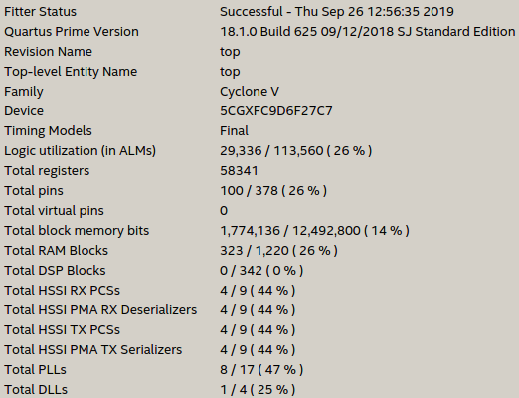
Environment | Mountain Car |  |  | Copy |  | Duplicated Input |  | Roulette |  | Nchain
Exe Type | Float | Binary | Binary | Binary | Binary | Binary | Binary | Binary | Binary | Binary | Binary |  | Exe Type | Float | Binary | Gain
Accelerator | CPU | CPU | FPGA | CPU | FPGA | CPU | FPGA | CPU | FPGA | CPU | FPGA |  | Logic Utilization | 174% | 26% | 7x
Generations | 100 | 100 | 100 | 1000 | 1000 | 1000 | 1000 | 1000 | 1000 | 100 | 100 |  | ALUTs | 127% | 26% | 5x | *
Best score | -86 | -86 | -85 | 3 | 3 | 2 | 2 | 345 | 345 | 4692 | 4762 |  | Dedicated Logic Registers | 61% | 14% | 4x
Total time | 14min | 14min | 2h | 2.8min | 6min | 2.5min | 6min | 54min | 12h | 53min | 3h |  | Memory Blocks | 69% | 26% | 3x
Process Neurons | 133ms | 198ms | 281s | 223ms | 5.5s | 337ms | 4s | 167ms | 4.4s | 104ms | 2.5s |  | DSP Blocks | 58% | 0 | 58x
Output Read | 10ms | 15ms | 51ms | 12ms | 123ms | 11ms | 147ms | 7.4ms | 51ms | 3.9ms | 41ms |  | Compiles | No | Yes | Binary
TDP | ~65W | ~65W | 3.2W | ~65W | 3.2W | ~65W | 3.2W | ~65W | 3.2W | ~65W | 3.2W
Frequency | 3.5GHz | 3.5GHz | 117 MHz | 3.5GHz | 117 MHz | 3.5GHz | 117 MHz | 3.5GHz | 117 MHz | 3.5GHz | 117 MHz
Process / TDP | 2.05 | 3.06 | 88001 | 3.44 | 1713 | 5 | 1273 | 2.58 | 1379 | 1.60 | 785
Process / Freq | 0.04 | 0.06 | 2395.61 | 0.06 | 46.63 | 0.10 | 34.67 | 0.05 | 37.53 | 0.03 | 21.38

FPGA vs CPU TDP |  |  | 28798.542054 |  | 498.32673608 |  | 245.05821055 |  | 534.5715567 |  | 489.40742188
FPGA vs CPU Freq |  |  | 42213.613979 |  | 730.45963342 |  | 359.2123755 |  | 783.58818637 |  | 717.38548245

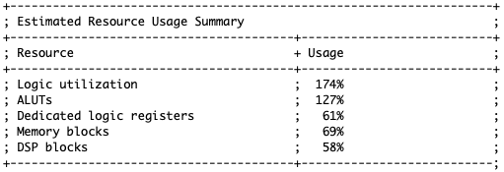
 |  |  |  |  |  |  |  |  |  |  |  | NOTES |  |  |  |  | Float AOC Resource Utilization
TDP | 65 | 65 | 3.2 | 65 | 3.2 | 65 | 3.2 | 65 | 3.2 | 65 | 3.2
Frequency FPGA | 3500 | 3500 | 117.55 | 3500 | 117.55 | 3500 | 117.55 | 3500 | 117.55 | 3500 | 117.55
File | MoutainCar-CPU-Float | MountainCar-CPU | MountainCar-FPGA | Copy-CPU | Copy-FPGA | Duplicated-CPU | Duplicated-FPGA | Roulette-CPU | Roulette-FPGA | Nchain-CPU | Nchain-FPGA
Total time original | 833 | 863 | 6618 | 172 | 372 | 150 | 395 | 3274 | 44336 | 3188 | 12991
Total time line | 402 | 402 | 437 | 3102 | 7299 | 3102 | 7301 | 3102 | 3137 | 402 | 437
Total time calc | 13.883333333 | 14.383333333 | 1.8383333333 | 2.8666666667 | 6.2 | 2.5 | 6.5833333333 | 54.566666667 | 12.315555556 | 53.133333333 | 3.6086111111
Process Neurons | 133101.8 | 198624.3 | 281604443.4 | 223407.3 | 5480853.2 | 337777.6 | 4075085.5 | 167637.7 | 4411783.2 | 104324.8 | 2513591.7 | This considered the largest it took to process neurons
Process Neurons line | 894 | 893 | 986 | 5131 | 5481 | 5060 | 5019 | 3994 | 5862 | 918 | 990
Process Neurons calc | 133.1018 | 198.6243 | 281.6044434 | 223.4073 | 5.4808532 | 337.7776 | 4.0750855 | 167.6377 | 4.4117832 | 104.3248 | 2.5135917
Output Read | 10300.7 | 15730.2 | 51224.2 | 12842.1 | 123910.1 | 11273.3 | 147612.5 | 7459.3 | 51197.8 | 3922.9 | 41960.1 | Process Neurons and Output Read is expressed in micro secs in the logs
Output Read line | 578 | 757 | 810 | 6611 | 3373 | 6272 | 5395 | 6826 | 3462 | 662 | 986
Output Read calc | 10.3007 | 15.7302 | 51.2242 | 12.8421 | 123.9101 | 11.2733 | 147.6125 | 7.4593 | 51.1978 | 3.9229 | 41.9601

 |  |  |  |  |  |  |  |  |  |  |  |  |  |  |  |  | Binary Resource Utilization

