Assessment
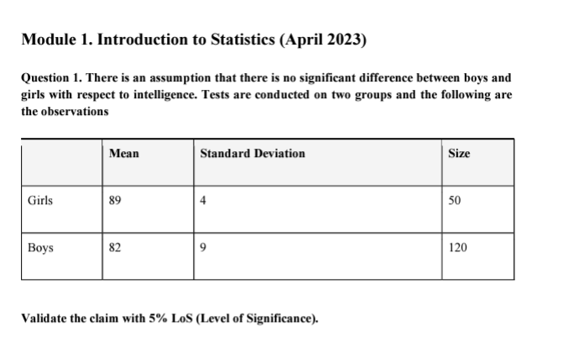

Girls | Boys
87.2 | 80.4 |  | Girls |  | Boys
90.8 | 85.7
88.1 | 75.9 |  | Mean | 89.11 | Mean | 81.7175
85.6 | 88.1 |  | Standard Error | 0.26792094478 | Standard Error | 0.30414425688
93.3 | 77.3 |  | Median | 89.05 | Median | 81.55
89.9 | 81.2 |  | Mode | #N/A | Mode | 83.8
90 | 83.8 |  | Standard Deviation | 1.8944871688 | Standard Deviation | 3.3317334045
88.4 | 78.4 |  | Sample Variance | 3.5890816327 | Sample Variance | 11.100447479
85.9 | 85.5 |  | Kurtosis | -0.70167941953 | Kurtosis | -0.55239783689
92.5 | 80.1 |  | Skewness | 0.084687359131 | Skewness | 0.2727894181
89.1 | 90.6 |  | Range | 7.7 | Range | 15.1
87.7 | 81.3 |  | Minimum | 85.6 | Minimum | 75.5
91.2 | 83.1 |  | Maximum | 93.3 | Maximum | 90.6
90.5 | 79 |  | Sum | 4455.5 | Sum | 9806.1
86.3 | 77.6 |  | Count | 50 | Count | 120
88.7 | 84.7
92 | 82.2
89.4 | 80.8
87.5 | 78.9
88.8 | 87.5
90.6 | 76.4
87.3 | 83.6
88.5 | 81
90.1 | 79.4
89.3 | 85
91 | 80.6
86.9 | 83.4
90.2 | 78.7
88.2 | 88.8
89.6 | 76.9
91.8 | 81.5
87.9 | 79.2
85.8 | 84.3
88.6 | 78.1
90.3 | 86.1
89.7 | 80.7
87 | 82.9
90.4 | 75.8
88.3 | 85.2
91.5 | 79.7
89.5 | 81.6
87.6 | 83.3
92.2 | 80.9
88.9 | 87.2
86.7 | 77.8
89 | 85.8
90.7 | 79.1
87.1 | 81.9
91.3 | 83.2
86.6 | 78.3
 | 82.5
 | 84.6
 | 77.1
 | 81.7
 | 79.6
 | 84.1
 | 78.2
 | 86
 | 80.3
 | 82.6
 | 75.7
 | 85.1
 | 79.9
 | 81.8
 | 83.5
 | 80.5
 | 87.3
 | 78
 | 86.9
 | 79.3
 | 82.1
 | 83
 | 78.6
 | 82.7
 | 84.8
 | 77.4
 | 80
 | 79.8
 | 84.2
 | 78.5
 | 86.5
 | 80.2
 | 82.4
 | 75.6
 | 84.5
 | 79.5
 | 81.1
 | 83.7
 | 80.7
 | 88.3
 | 77.7
 | 86.4
 | 79
 | 81.9
 | 83.6
 | 78.8
 | 82.3
 | 84.9
 | 76.8
 | 80.5
 | 79.9
 | 84
 | 78.2
 | 86.2
 | 80.6
 | 82.8
 | 75.5
 | 85.9
 | 80.3
 | 81.8
 | 83.1
 | 80.1
 | 87.6
 | 78.4
 | 87.7
 | 78.7
 | 82
 | 83.8
 | 78.6
 | 82.2

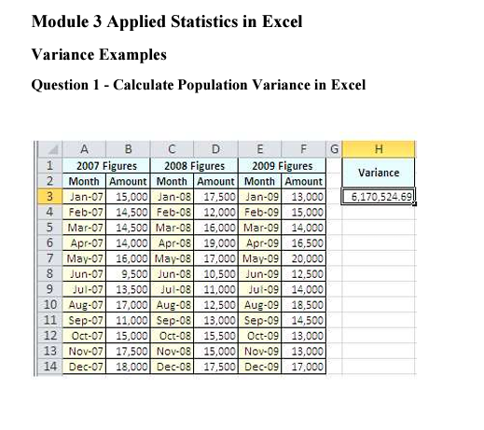
 |  |  |  |  |  |  | 2007 Figures |  | 2008 Figures |  | 2009 Figures |  | Variance
 |  |  |  |  |  |  | Month | Amount | Month | Amount | Month | Amount | 6170524.6914
 |  |  |  |  |  |  | Jan-07 | 15000 | Jan-08 | 17500 | Jan-09 | 13000
 |  |  |  |  |  |  | Feb-07 | 14500 | Feb-08 | 12000 | Feb-09 | 15000
 |  |  |  |  |  |  | Mar-07 | 14500 | Mar-08 | 16000 | Mar-09 | 14000
 |  |  |  |  |  |  | Apr-07 | 14000 | Apr-08 | 19000 | Apr-09 | 16500
 |  |  |  |  |  |  | May-07 | 16000 | May-08 | 17000 | May-09 | 20000
 |  |  |  |  |  |  | Jun-07 | 9500 | Jun-08 | 10500 | Jun-09 | 12500
 |  |  |  |  |  |  | Jul-07 | 13500 | Jul-08 | 11000 | Jul-09 | 14000
 |  |  |  |  |  |  | Aug-07 | 17000 | Aug-08 | 12500 | Aug-09 | 18500
 |  |  |  |  |  |  | Sep-07 | 11000 | Sep-08 | 13000 | Sep-09 | 14500
 |  |  |  |  |  |  | Oct-07 | 15000 | Oct-08 | 15500 | Oct-09 | 13000
 |  |  |  |  |  |  | Nov-07 | 17500 | Nov-08 | 15000 | Nov-09 | 13000
 |  |  |  |  |  |  | Dec-07 | 18000 | Dec-08 | 17500 | Dec-09 | 17000

 |  |  |  |  |  |  | Variance
Group 1 |  | Group 2 |  | Group 3 |  |  | 8.820861678
Ref | Height | Ref | Height | Ref | Height
G1.1 | 176 | G2.1 | 179 | G3.1 | 179
G1.2 | 174 | G2.2 | 173 | G3.2 | 178
G1.3 | 181 | G2.3 | 184 | G3.3 | 176
G1.4 | 178 | G2.4 | 175 | G3.4 | 181
G1.5 | 183 | G2.5 | 172 | G3.5 | 177
G1.6 | 176 | G2.6 | 176 | G3.6 | 179
G1.7 | 177 | G2.7 | 177 | G3.7 | 176
G1.8 |  | G2.8 |  | G3.8

