Polarimeters
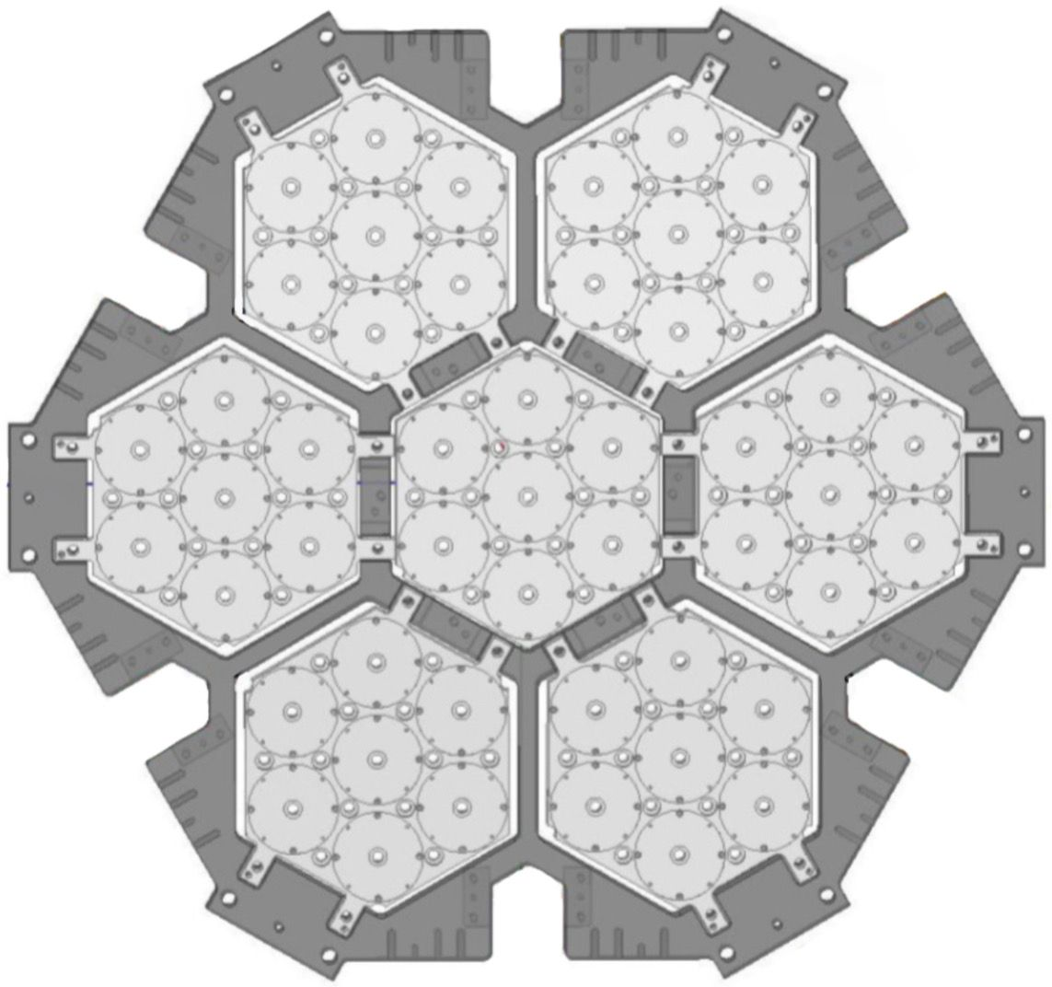
R0
S16
R4
S47
R5
S70
R6
S39
R1
S61
R2
S37
R3
S62
V0
S58
V4
S04
V5
S64
V6
S17
V1
S54
V2
S24
V3
S55
I0
S31
I4
S43
I5
S30
I6
S12
I1
S29
I2
S34
I3
S13
O0
S27
O4
S46
O5
S22
O6
S52
O1
S36
O2
S57
O3
S65
B0
S09
B4
S50
B5
S41
B6
S63
B1
S07
B2
S56
B3
S69
Y0
S08
Y4
S33
Y5
S28
Y6
S35
Y1
S48
Y2
S67
Y3
S02
G0
S15
G4
S05
G5
S59
G6
S66
G1
S45
G2
S40
G3
S51
W4
S71
W5
S78
W3
S81
W2
S73
W1
S82
W6
S76
RGB TILE | CABLE | POLARIMETERS | BOARD | CONNECTOR | P1 |  | DAQ | BIAS | P2 |  | DAQ | BIAS |  | The assembly is observed from the polarimeters
R | O-A4 | R1 - W3 | 1 | NW-50 | STRIP61 | R1 |  |  | STRIP81 | W3 |  |  | CABINET DX
 | O-A3 | R2 - R3 |  | NW-42 | STRIP37 | R2 |  |  | STRIP62 | R3
 | O-A2 | R0 - R6 |  | NW-32 | STRIP16 | R0 |  |  | STRIP39 | R6
 | O-A1 | R4 - R5 |  | NW-22 | STRIP47 | R4 |  |  | STRIP70 | R5
O | O-B4 | O1 - O2 | 2 | SW-41 | STRIP36 | O1 |  |  | STRIP57 | O2
 | O-B3 | O6 - W2 |  | SW-31 | STRIP52 | O6 |  |  | STRIP73 | W2
 | O-B2 | O0 - O3 |  | SW-21 | STRIP27 | O0 |  |  | STRIP65 | O3
 | O-B1 | O4 - O5 |  | SW-10 | STRIP46 | O4 |  |  | STRIP22 | O5
Y | S-A4 | Y6 - W1 | 3 | SW-50 | STRIP35 | Y6 |  |  | STRIP82 | W1
 | S-A3 | Y1 - Y0 |  | SW-42 | STRIP48 | Y1 |  |  | STRIP08 | Y0
 | S-A2 | Y4 - Y5 |  | SW-32 | STRIP33 | Y4 |  |  | STRIP28 | Y5
 | S-A1 | Y2 - Y3 |  | SW-22 | STRIP67 | Y2 |  |  | STRIP02 | Y3
G | S-B4 | G5 - G6 | 4 | SE-41 | STRIP59 | G5 |  |  | STRIP66 | G6 |  |  | CABINET SX
 | S-B3 | G1 - G2 |  | SE-31 | STRIP45 | G1 |  |  | STRIP40 | G2
 | S-B2 | G4 - W6 |  | SE-21 | STRIP05 | G4 |  |  | STRIP76 | W6
 | S-B1 | G0 - G3 |  | SE-10 | STRIP15 | G0 |  |  | STRIP51 | G3
B | E-A4 | B4 - B5 | 5 | SE-50 | STRIP50 | B4 |  |  | STRIP41 | B5
 | E-A3 | B0 - B6 |  | SE-42 | STRIP09 | B0 |  |  | STRIP63 | B6
 | E-A2 | B3 - W5 |  | SE-32 | STRIP69 | B3 |  |  | STRIP78 | W5
 | E-A1 | B1 - B2 |  | SE-22 | STRIP07 | B1 |  |  | STRIP56 | B2
V | E-B4 | V4 - V5 | 6 | NE-41 | STRIP04 | V4 |  |  | STRIP64 | V5
 | E-B3 | V1 - V6 |  | NE-31 | STRIP54 | V1 |  |  | STRIP17 | V6
 | E-B2 | V0 - V3 |  | NE-21 | STRIP58 | V0 |  |  | STRIP55 | V3
 | E-B1 | V2 - W4 |  | NE-10 | STRIP24 | V2 |  |  | STRIP71 | W4
I | N-A4 | I2 - 13 | 7 | NE-50 | STRIP34 | I2 |  |  | STRIP13 | I3
 | N-A3 | I0 - I4 |  | NE-42 | STRIP31 | I0 |  |  | STRIP43 | I4
 | N-A2 | I1 - I6 |  | NE-32 | STRIP29 | I1 |  |  | STRIP12 | I6
 | N-A1 | I5 |  | NE-22 | STRIP30 | I5

Thermal sensors
TS-CX6
TS-CX7
TS-CX1
TS-CX2
TS-CX3
TS-CX5
TS-CX4
TS-CX10
TS-DT6
TS-CX11
TS-CX9
TS-CX8
TS-CX13
TS-CX14
TS-CX12
SENSOR ID | CONNECTOR | LOCATION | The assembly is observed from the polarimeters
TS-CX1 | N-B3 | Module R |  | Thermal straps
TS-CX2 | N-B3 | Module V |  | Main frame
TS-CX3 | N-B3 | Module B |  | Copper interface
TS-CX4 | N-B3 | Module G
TS-CX5 | N-B3 | Module Y
TS-CX6 | N-B3 | Module O
TS-CX7 | N-B3 | Module I
TS-CX8 | N-B3 | Frame perimeter (0°)
TS-CX9 | N-B4 | Frame perimeter (60°-90°)
TS-CX10 | N-B3 | Frame perimeter (120°-150°)
TS-CX11 | N-B4 | Frame Center North
TS-CX12 | N-B4 | W-polariemter
TS-CX13 | N-B3 | Q-polarimeter 28 (on OMT)
TS-CX14 | N-B4 | Q-polarimeter 56
TS-CX15 | N-B4 | Frame interface (0°)
TS-CX16 | N-B4 | Filter holder perimeter
TS-CX17 | N-B4 | Filter holder central
EX-CX18 | N-B2 | Spare channel (non collegato)
EX-DT2 | N-B2 | Frame Ring Support
TS-DT3 | N-B4 | Bottom shield 100K
TS-DT5 | N-B4 | Side Shield 100K (flat I/F)
TS-DT6 | N-B4 | Frame Center South
TS-SP1 |  | Cold Head
TS-SP2 |  | L-Support IF

