Listings
# | Photo | Title | Price (EUR) | Condition | Description (copy-paste) | Tags | Notes (not for listing)
1 | 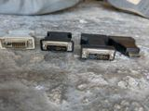 | DVI to VGA & HDMI to DVI Adapters | 3-4 each | Used | Display adapters, sold individually: DVI (male) to VGA (female) adapters 3 EUR each (about 9 available) and an HDMI (male) to DVI (female) adapter 4 EUR. Connect older VGA/DVI monitors to newer PCs and graphics cards. Buy one or as many as you need - bulk discount if you take several. Pickup Mellieha. | dvi adapter, vga adapter, dvi to vga, hdmi to dvi, monitor adapter, display adapter, pc accessories, computer parts | New: DVI-VGA 4-6 EUR, HDMI-DVI 5-8 EUR. ~10 adapters total (confirm split). FB price field: put 3.
2 | 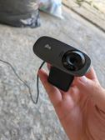 | Logitech C310 HD Webcam (720p) | 12 | Used - working | Logitech C310 HD webcam - 720p video with built-in noise-reducing mic. Plug & play over USB, works with Teams/Zoom/Skype on Windows and Mac, no drivers needed. Clip mount fits monitors and laptops. Tested and working. Pickup Mellieha. | webcam, logitech, c310, hd webcam, usb camera, teams, zoom, home office, video call | Used C310s ~25 USD FB US / 15-20 EUR eBay. Only tested item - working claim OK.
3 | 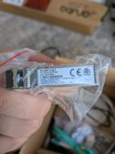 | Fortinet 10G SFP+ SR Fibre Transceiver (FN-TRAN-SFP+SR) - 3 available | 30 each | New - sealed | Genuine Fortinet FN-TRAN-SFP+SR 10-Gigabit SFP+ optical transceivers. Brand new, sealed in original anti-static packaging (serial labels visible - genuine Fortinet, not compatibles). 10GBASE-SR, 850nm multimode, LC duplex, up to 300m over OM3. For FortiGate/FortiSwitch and other SFP+ slots. 3 available at 30 EUR each - buy one or all three (bulk discount if you take all three). Pickup Mellieha. | fortinet, sfp+, transceiver, 10gb, fibre optic, 10gbase-sr, fortigate, fortiswitch, networking, server | Genuine: 33-60 USD eBay (open-box/used). Sealed at 30 EUR undercuts EU comparables.
4 | 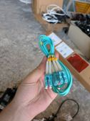 | LC-LC OM3 Fibre Optic Patch Cables (Aqua, 10Gb) - Lot of 4 | 12 (lot) | Used | 4x LC to LC duplex fibre patch cables, OM3 multimode (aqua), approx 2m each. Rated for 10Gb - perfect match for SFP+ SR transceivers (also selling those, see my other listings). Dust caps on the connectors. Pickup Mellieha. | fibre optic, lc lc, om3, patch cable, 10gb, multimode, fiber cable, networking, sfp | ~8 EUR each new (FS.com). Confirm count/length (assumed 4x ~2m).
5 | 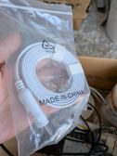 | USB to RJ45 Console Cable (Cisco-style) - New | 7 | New - sealed | USB-A to RJ45 rollover console cable (flat white, ~1.8m) - for configuring switches, routers and firewalls (Cisco, Aruba, Fortinet etc.) from a laptop. Brand new, never opened. Pickup Mellieha. | console cable, usb rj45, cisco cable, rollover cable, network config, serial cable, networking tools | 10-14 EUR on Amazon, no local stock in Malta - ordering means shipping + wait. 7 is still a clear saving.
6 | 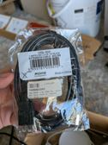 | USB 2.0 Extension Cable 1.8m (A Male-Female) - New | 3 | New - sealed | 1.8m USB 2.0 extension cable (A male to A female), black. Brand new in original packaging. Handy for webcams, keyboards, dongles, printers. Pickup Mellieha. | usb extension, usb cable, usb 2.0, computer cable, pc accessories | Verified: Scan 1.8m USB 3.2 ext = 6.95 EUR; USB 2.0 at 3 EUR sits correctly under local retail.
7 | 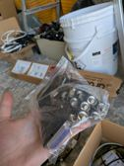 | BNC Connectors & Adapters - Mixed Bag (CCTV/Coax) | 8 (bag) | Used | Bag of BNC couplers/connectors and adapters plus a D-sub connector - ideal for CCTV installs, coax video work, or electronics tinkering. Sold as one bag. Pickup Mellieha. | bnc, cctv, coax, connectors, adapters, security camera, video, electronics | Individually 1-2 EUR each. Add rough piece count before posting.
8 | 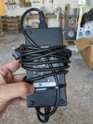 | Dell 180W Laptop Charger (7.4mm barrel) - Genuine | 25 | Used | Genuine Dell 180W AC adapter (19.5V, 9.23A) with 7.4mm barrel tip and UK 3-pin plug - perfect for Malta. Fits Dell gaming/workstation laptops: Alienware, Precision, G-series, Latitude. Sold as seen. Pickup Mellieha. | dell charger, 180w, laptop charger, dell adapter, alienware, precision, g15, power supply | eBay used 12-40 USD; Malta repair shops charge 35-45 for generic 180W new. 25 local is fair.
9 | 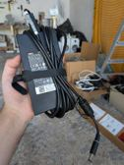 | Dell 130W Laptop Charger (LA130PM, 7.4mm barrel) - Genuine | 18 | Used | Genuine Dell 130W slim AC adapter (model LA130PM) with 7.4mm barrel tip, UK 3-pin plug. Fits Dell XPS, Precision, Latitude, Inspiron models with the larger barrel connector. Velcro tie included. Sold as seen. Pickup Mellieha. | dell charger, 130w, laptop charger, dell adapter, xps, latitude, precision, power supply | eBay used 12-21 USD; Malta local premium (generic new ~30) makes 18 fair.
10 | 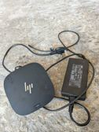 | HP USB-C Dock G5 with 120W Power Supply | 45 | Used | HP USB-C Dock G5 - turn your laptop into a full desktop setup with one cable. Includes the original HP 120W power adapter (UK plug). Ports: 2x DisplayPort, 1x HDMI (multi-monitor), Gigabit Ethernet, USB-A 3.0, USB-C, Kensington slot. Charges your laptop over the same USB-C cable. Works with HP, Dell, Lenovo and most USB-C laptops. Sold as seen. New these cost 200+ EUR. Pickup Mellieha. | hp dock, usb-c dock, docking station, dock g5, dual monitor, home office, laptop dock, displayport | Used G5: 30-65 USD eBay, 60-80 EUR EU refurb shops.
11 | 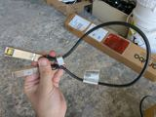 | HPE/Aruba 10G SFP+ DAC Cable 0.65m | 12 | Used | Genuine HPE/Aruba 10Gbps SFP+ direct-attach copper (DAC) cable, 0.65m - the plug-and-play way to link switches/servers at 10Gb without transceivers. Sold as seen. Pickup Mellieha. | dac cable, sfp+, 10gb, aruba, hpe, direct attach, twinax, networking, switch, server | OEM list absurd (200+ USD); generic used 10-20 EUR.
12a | 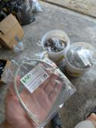 | NEW Cat6 PoE+ Network Cables ~0.3m (100W PoE, Pure Copper) | 2 each | New - sealed | Brand new, sealed Cat6 Gigabit Ethernet patch leads, approx 0.3m (model 60-1003) - pure copper (no CCA), rated for 100W PoE. Ideal for patch panels, CCTV, access points. Several available - buy as many or as few as you need, bulk discounts available. Pickup Mellieha. | cat6, ethernet cable, network cable, poe, patch cable, lan cable, short patch lead, new, gigabit | Scan basic 0.5m Cat6 = 1.95 EUR; PoE-rated pure copper at 2-3 EUR is at/below equivalent local retail. Confirm length + count.
12b | 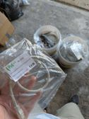 | NEW Cat6 PoE++ Network Cables ~0.5m (100W PoE, Pure Copper) | 2 each | New - sealed | Brand new, sealed Cat6 Gigabit Ethernet patch leads, approx 0.5m (model 60-1005) - pure copper (no CCA), rated for 100W PoE++. Ideal for CCTV cameras, access points, VoIP phones, any gigabit network. Several available - buy as many or as few as you need, bulk discounts available. Pickup Mellieha. | cat6, ethernet cable, network cable, poe, patch cable, lan cable, cctv cable, new, gigabit | Scan basic 0.5m Cat6 = 1.95 EUR; PoE-rated pure copper at 2-3 EUR is at/below equivalent local retail. Confirm length + count.
12c | 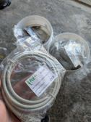 | NEW Cat6 PoE++ Network Cables ~2m (100W PoE, Pure Copper) | 3 each | New - sealed | Brand new, sealed Cat6 Gigabit Ethernet cables, approx 2m (model 60-1020) - pure copper (no CCA), rated for 100W PoE++. Ideal for CCTV cameras, access points, VoIP phones, any gigabit network. Several available - buy as many or as few as you need, bulk discounts available. Pickup Mellieha. | cat6, ethernet cable, network cable, poe, patch cable, lan cable, cctv cable, new, gigabit | Scan basic 0.5m Cat6 = 1.95 EUR; PoE-rated pure copper at 2-3 EUR is at/below equivalent local retail. Confirm length + count.
13 | 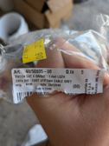 | NEW Cat6 LSZH Patch Cables 1m (Grey) - 5-Pack + Singles | 8 (5-pack) / 2 each | New - sealed | Brand new Cat6 UTP patch cables, 1m, grey, LSZH (low-smoke zero-halogen, office/server-room grade). One sealed 5-pack (Italian import, die-cast connectors) plus carded singles. Pickup Mellieha. | cat6, patch cable, ethernet, network cable, lszh, lan, 1m, new | 2.50-4 EUR each retail.
14 | 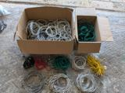 | Job Lot - Used Ethernet Cables (Cat5e/Cat6, ~100 cables) | 25 (lot) | Used | Big job lot of used Ethernet network cables - three full boxes plus sorted bundles (photo shows two of the boxes; there is a third box of the same). Mix of Cat5e and Cat6, various colours. Lengths from ~0.5m up to ~5m, most around 1m. Perfect for an office, workshop, IT installer or homelab - buying new would cost a few hundred euro. 25 EUR for the whole lot, or message me if you only want some. Pickup Mellieha (bulky if you take it all). | ethernet cables, job lot, cat5e, cat6, network cables, bulk, patch cables, lan, office, homelab | Bulk used leads ~0.30-0.50 EUR each. Rough count strengthens listing.
15 | 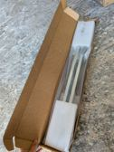 | Aruba X414 1U Universal 4-Post Rack Mount Kit - New in Box | 25 | New - open box | HPE Aruba X414 1U Universal 4-post rack mount kit (J9583B family) - in original packaging with the hardware still sealed. Fits Aruba 2530/2540/2930F and many other 1U switches into standard 4-post racks. Lists at over 200 EUR new from HPE. Pickup Mellieha. | aruba, rack mount, rail kit, x414, hpe, server rack, 4 post, networking, switch, 1u | HPE list 238 USD; eBay street ~38 USD new. Small Malta buyer pool.
16 | 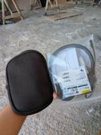 | Jabra Evolve 20 MS Stereo Headset - New, Sealed | 35 | New - sealed | Jabra Evolve 20 MS stereo USB headset - brand new, still sealed, with zip carry pouch. Certified for Microsoft Teams/Skype for Business; works with Zoom and everything else. Noise-cancelling mic, in-line call controls, padded earcups. The standard office/work-from-home headset - 67 EUR new locally, save half. Pickup Mellieha. | jabra, headset, evolve 20, usb headset, teams, office headset, work from home, microphone | Verified: Scan Malta sells same model at 67 EUR reg / 57.95 special. 35 = ~half local retail; eBay sealed 15-27 GBP is the floor, local premium justifies more.
17 | 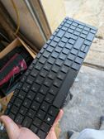 | HP ProBook Replacement Laptop Keyboard (UK Layout) - Spare Part | 10 each | Spare part | Replacement internal keyboard for HP ProBook 450 G6 / 455 G6 / 450 G7 / 455 G7 (UK QWERTY, non-backlit). The fix for worn or broken keys. Multiple available. Sold as seen. Pickup Mellieha. | hp keyboard, probook, laptop keyboard, replacement keyboard, 450 g6, 450 g7, laptop repair, spare parts | New replacements 12-17 GBP shipped from UK. Confirm part no. + quantity.
18 | 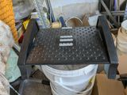 | Under-Desk Footrest (Adjustable Tilt) | 7 | Used | Ergonomic under-desk footrest with adjustable height/tilt and textured massage surface. Great for home office posture. Sold as seen. Pickup Mellieha. | footrest, ergonomic, home office, desk accessories, office furniture, posture | 20-30 EUR new.
19 | 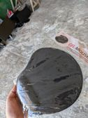 | Gel Mouse Pad with Wrist Rest - New | 5 | New - sealed | Ergonomic mouse pad with comfortable gel wrist rest - brand new, still in wrapper. Black, fits any desk setup. Pickup Mellieha. | mouse pad, wrist rest, gel, ergonomic, desk accessories, home office | Gel wrist-rest pads ~10 EUR local retail; 5 = half.
20 | 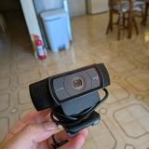 | Logitech C920 Full HD 1080p Webcam | 30 | Used - working | Logitech C920 Full HD webcam - 1080p video with dual stereo mics and autofocus, the classic streaming/meetings webcam. Plug & play over USB, works with Teams/Zoom/OBS on Windows and Mac. Fold-out clip mounts on monitors and laptops. Tested and working. Pickup Mellieha. | webcam, logitech, c920, 1080p webcam, full hd webcam, usb camera, streaming camera, teams, zoom, video call, home office, twitch streaming | Used C920s: 25-35 EUR eBay/FB; 80+ EUR new locally. Confirm exact model on the label (C920/C920e/C922).
21 | 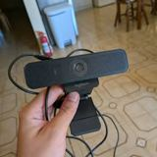 | Logitech HD 1080p Webcam | 30 | Used - working | Logitech Full HD 1080p webcam with built-in mic - plug & play over USB, works with Teams/Zoom/OBS on Windows and Mac. Clip mounts on monitors and laptops. Tested and working. Pickup Mellieha. | webcam, logitech, 1080p webcam, full hd webcam, usb camera, streaming camera, teams, zoom, video call, home office | ALREADY LIVE on FB at 30 EUR (5 days). Price is in fair range - keep. If it stalls another week, drop to 25 or add the model name to the title (check label) to catch model searches.

