Competitive Analysis
 | THE PRESERVE – 5-mile Supply
2023–2026 Deliveries | Grapevine, TX | Stabilization Target: |  |  |  |  | 95% target
Property |  | Units | Est. Delivery | Occupancy | Avg Mkt Rent | Owner | Proximity | Type | Notes
 | STABILIZED / STABILIZING (2023–2024 Deliveries) (1 properties, 324 units)
1 | Trailwinds Grapevine | 324 | Q1 2023 | 93.2% | $1,841 | Equity Residential | 0.1 Mi | Low-Rise

 | LEASING UP (2025–2026 Deliveries) (3 properties, 723 units)
2 | Parkwood Oaks | 72 | Q1 2026 | 83.3% | $2,412 | Warren Properties, Inc | 2.7 Mi | Townhome |  |  | 1,047
3 | Soltra Bear Creek | 371 | Q3 2025 | 76.5% | $1,989 | Leon Capital Group | 3.0 Mi | Garden
4 | The Crawford | 280 | Q2 2025 | 68.6% | $1,766 | StoneHawk Capital Partners, LLC | 4.2 Mi | Mid-Rise

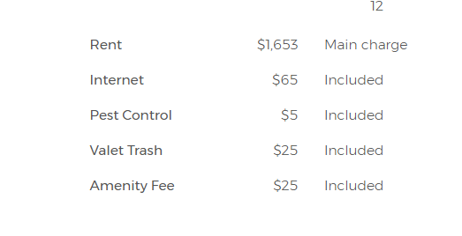
 | UNDER CONSTRUCTION (0 properties, 0 units)
 |  |  |  |  |  |  |  |  |  | SOLTRA
ABSORPTION SUMMARY: Units Remaining to Reach 95% Occupancy
Est. Delivery |  | # Props | Total Units | Wtd Avg Occupancy | Currently Occupied | Target @ 95% | Units Needed to Reach 95% | Units Needed to Reach 92.5% | Units Needed to Reach 90%
Q4 2029 |  | 0 | 0 | 0.0% | 0 | 0 | 0 | 0 | 0
Q3 2029 |  | 0 | 0 | 0.0% | 0 | 0 | 0 | 0 | 0
Q2 2029 |  | 0 | 0 | 0.0% | 0 | 0 | 0 | 0 | 0
Q1 2029 |  | 0 | 0 | 0.0% | 0 | 0 | 0 | 0 | 0
Q4 2028 |  | 0 | 0 | 0.0% | 0 | 0 | 0 | 0 | 0
Q3 2028 |  | 0 | 0 | 0.0% | 0 | 0 | 0 | 0 | 0
Q2 2028 |  | 0 | 0 | 0.0% | 0 | 0 | 0 | 0 | 0
Q1 2028 |  | 0 | 0 | 0.0% | 0 | 0 | 0 | 0 | 0
Q4 2027 |  | 0 | 0 | 0.0% | 0 | 0 | 0 | 0 | 0 | CRAWFORD
Q3 2027 |  | 0 | 0 | 0.0% | 0 | 0 | 0 | 0 | 0
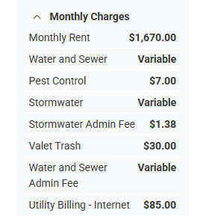
Q2 2027 |  | 0 | 0 | 0.0% | 0 | 0 | 0 | 0 | 0
Q1 2027 |  | 0 | 0 | 0.0% | 0 | 0 | 0 | 0 | 0
Q4 2026 |  | 0 | 0 | 0.0% | 0 | 0 | 0 | 0 | 0
Q3 2026 |  | 0 | 0 | 0.0% | 0 | 0 | 0 | 0 | 0
Q2 2026 |  | 0 | 0 | 0.0% | 0 | 0 | 0 | 0 | 0
Q1 2026 |  | 1 | 72 | 83.3% | 60 | 68 | 8 | 7 | 5
Q4 2025 |  | 0 | 0 | 0.0% | 0 | 0 | 0 | 0 | 0
Q3 2025 |  | 1 | 371 | 76.5% | 284 | 352 | 69 | 59 | 50
Q2 2025 |  | 1 | 280 | 68.6% | 192 | 266 | 74 | 67 | 60
Q1 2025 |  | 0 | 0 | 0.0% | 0 | 0 | 0 | 0 | 0
Q4 2024 |  | 0 | 0 | 0.0% | 0 | 0 | 0 | 0 | 0
Q3 2024 |  | 0 | 0 | 0.0% | 0 | 0 | 0 | 0 | 0
Q2 2024 |  | 0 | 0 | 0.0% | 0 | 0 | 0 | 0 | 0
Q1 2024 |  | 0 | 0 | 0.0% | 0 | 0 | 0 | 0 | 0 | TRAILWINDS
Q4 2023 |  | 0 | 0 | 0.0% | 0 | 0 | 0 | 0 | 0

Q3 2023 |  | 0 | 0 | 0.0% | 0 | 0 | 0 | 0 | 0
Q2 2023 |  | 0 | 0 | 0.0% | 0 | 0 | 0 | 0 | 0
Q1 2023 |  | 1 | 324 | 93.2% | 302 | 308 | 6 | -2 | -10
TOTAL |  | 4 | 1,047 | 80.0% | 838 | 995 | 157 | 131 | 104

 |  |  |  |  | Total Current Inventory |  | 38,262 | 38,262 | 38,262
 |  |  |  |  | % to be Absorbed |  | 0.41% | 0.34% | 0.27%
 | * 5-Mile Radius -Total Inventory is from Costar

