How to Use this sheet
Purpose | The purpose of Ethernet Customer Design Process is to ensure that your board follows the guidelines provided by TI. This document is intended to enable customer-led schematic reviews using the knowledge base of TI's Ethernet team in the form of the best practices guidelines in the following sheets.

Design Process
1 | Create your design using TI PHY, referencing datasheet, EVM, and reference designs (if applicable)
2 | Go thru the schematics checklist and ensure your design confirms to our guidelines
3 | Use EVM design files along with Layout User Guidelines for layout
4 | Go thru the layout checklist and ensure your design confirms to layout guidelines
5 | If you still have questions/concerns on your design, fill all the sheets of this document
6 | Submit to your FAE or on E2E.ti.com to review with all information complete

Section Instructions
Pin Wise Checklist - XXX | This sheet provides recommended connection for each pin. Please enter your inputs in Column "G" with yes and no via dropdown menu. If menu is not immediately seen, you may either type "yes" or "no" or click to right of cell to toggle dropdown. This will clear the yellow cell fill. If you have any questions, please write them in column "H" | 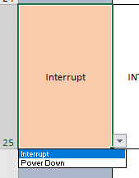
 | This sheet also provides checking for multiple configurations of clock and MAC interface. All configurable cells with dropdowns are painted in orange.
XXX Strap Tool | This sheet provides recommended strap network for each strap pin
 | For option 1, please input the desired configuration via drop-down menu in orange
 | The desired strap configuration for the relevant pins would be revealed in green cell
 | For option 2 (if applicable), please input 1 or 0 into desired field in blue
 | The desired strap configuration for the relevant pins would be revealed in green cell
General | If there are any concerns, typos, or questions about the functionality of this excel document. Please feel free to contact your local TI contact.

Pin Wise Checklist - RGZ
Domain | Items | Pin Associated (S) if strap pin | Recommended Connection | Pictures | Customer Input | Customer Questions | TI Feedback
Power | VDDIO | 19, 30, 41 | IO Supply: 1.8 V, 2.5 V, or 3.3 V Connect 0.1-µF, 1-µF ceramic decoupling capacitors near each pin; optional ferrite bead. Connect 10nF, 10µF capacitor as well | 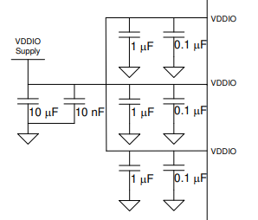 | Required
 | VDDA2P5 | 3, 9 | Analog Supply: 2.5 V Connect 0.1-µF, 1-µF ceramic decoupling capacitors near each pin; optional ferrite bead. Connect 10nF, 10µF capacitor as well | 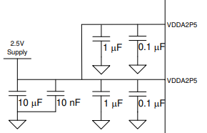 | Required
 | VDD1P0 | 6, 24, 31, 42 | Analog Supply: 1.0 V Connect 0.1-µF, 1-µF ceramic decoupling capacitors near each pin; optional ferrite bead. Connect 10nF, 10µF capacitor as well | 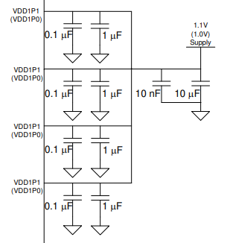 | Required
 | VDDA1P8 | 13, 48 | Optional Analog Supply: 1.8V In triple supply mode, connect 0.1-µF, 1-µF ceramic decoupling capacitors near each pin; optional ferrite bead. Connect 10nF, 10µF capacitor as well In dual supply mode, these pins should be left floating. They should not even be connected to each other. | 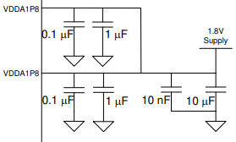 | Required

GND | GND | Ground Pad | Keep option to isolate the digital ground from the MDI connector ground for EMC purposes | 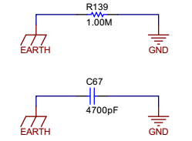 | Required

RBIAS | RBIAS | 12 | Connect a 11kohm 1% tolerance resistor between RBIAS pin and GND. | 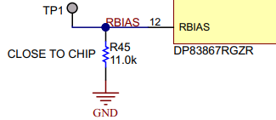 | Required

LEDs | LED_2 | 45 (S) | Strap pin Active polarity detection and correction depending on strap Mode 1,2,3 is active high, mode 4 is active low. Default function indicates transmit/receive activity | 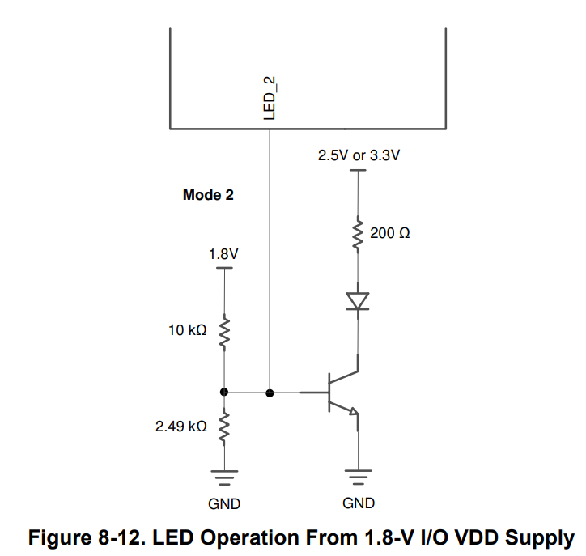 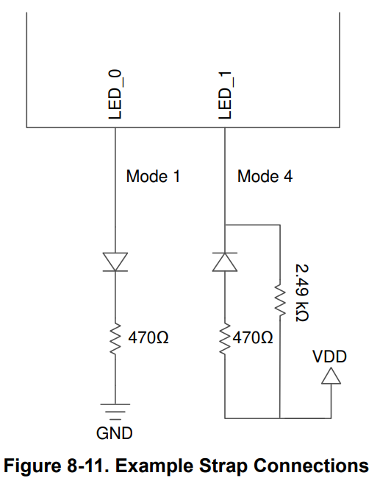 For 1.8V operation, BJT recommended for level shifting to 3.3V to provide enough forward voltage to turn on diode. For any configuration requiring intermediate mode strapping, recommended to place voltage divider network parallel to LED with current limiting. | Required
 | LED_1 | 46 (S) | Strap pin Active polarity detection and correction depending on strap Mode 1,2,3 is active high, mode 4 is active low Default function indicates 1000BASE-T Link |  | Required
 | LED_0 | 47 (S) | Strap pin Active polarity detection and correction depending on strap Mode 1,2,3 is active high, mode 4 is active low Default function indicates link |  | Required

GPIOs | GPIO_0 | 39 (S) | GPIO configurable via Reg 0x172. Default RX_ER Only Mode 1 and 3 straps are applicable. Do not strap into Mode 2 and 4. |  | Required
 | GPIO_1 | 40 (S) | GPIO configurable via Reg 0x172. Default COL All 4 strap modes are applicable. |  | Required

Clock (Crystal) | XI | 15 | Reference clock 25-MHz crystal. Ensure it meets the ppm and ESR spec as defined in datasheet and load capacitance as defined by crystal manufacturer. |  | Required
 | XO | 14

Serial Management Interface (SMI) | MDC | 16 | Connect to host driving the SMI clock for PHY register programming. No pullup required Input to PHY |  | Required
 | MDIO | 17 | This pin requires a pullup resistor between 1.5kΩ and 2.2kΩ due to open-drain. Bidirectional | 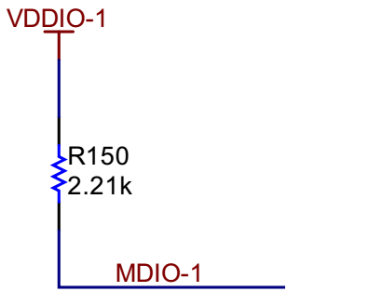 | Required

Reset | RESET_N | 43 | Active-LOW input. This pin has a weak internal pullup. Asserting this pin LOW for at least 1 μs will force a reset process to occur. All internal registers will reinitialize to their default states as specified for each bit in the datasheet. All bootstrap pins are resampled upon deassertion of reset. | 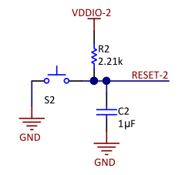 | Required
Power Down | INT_N/PWDN | 44 | Active Low output, asserted when an interrupt condition occurs. Pin has a weak internal pullup. Register access necessary to enable various interrupt triggers. Deasserted once register reads interrupt register | 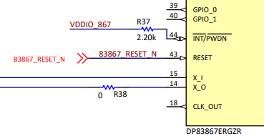 | Required
CLK_OUT | CLK_OUT | 18 | CLK_OUT is active by default and will output 25MHz clock. The output clock is configurable through register settings and can also be turned off. If unused, leave this pin floating. Suggested test point for quick test if PHY is active |  | Required

Medium Dependent Interface (MDI) | TD_P_A TD_M_A TD_P_B TD_M_B TD_P_C TD_M_C TD_P_D TD_M_D | 1 2 4 5 7 8 10 11 | Four differential channels for 1Gbps operation/2 channels for 10/100Mbps Route to magnetics; ensuring that each channel has individual center taps with 100nF decoupling Magnetics should meet PHY requirements (Insertion Loss, Return Loss, Turns Ratio) | 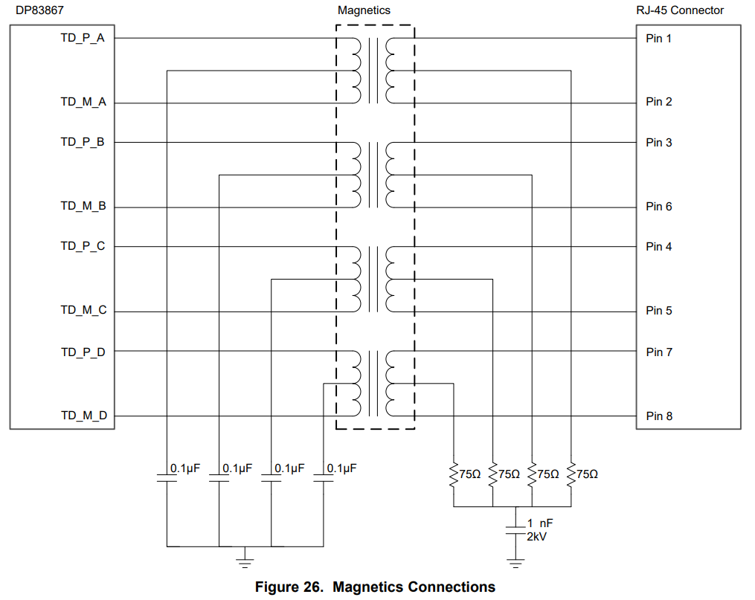 | Required

RGMII | GTX_CLK | 29 | Transmit Clock 2.5MHz for 10Mbps, 25MHz for 100Mbps, 125MHz for 1000Mbps |  | Required
 | TX_CTRL | 37 | Transmit Control Rising: TX_EN, Falling: (TX_EN XOR TX_ER) High on both edges of GTK_CLK if error-free packet present Low on both edges of GTK_CLK if no packet present High on rising edge and low on falling edge of GTK_CLK if error packet present |  | Required
 | TX_D3 | 25 | Transmit Data |  | Required
 | TX_D2 | 26 | Transmit Data |  | Required
 | TX_D1 | 27 | Transmit Data |  | Required
 | TX_D0 | 28 | Transmit Data |  | Required
 | RX_CLK | 32 | Receive Clock 2.5MHz for 10Mbps, 25MHz for 100Mbps, 125MHz for 1000Mbps |  | Required
 | RX_D0 | 33 (S) | Receive Data |  | Required
 | RX_D1 | 34 | Receive Data |  | Required
 | RX_D2 | 35 (S) | Receive Data |  | Required
 | RX_D3 | 36 | Receive Data |  | Required
 | RX_CTRL | 38 (S) | Receive Control Rising: RX_DV, Falling: (RX_DV XOR RX_ER) High on both edges of RX_CLK if error-free packet Low on both edges of RX_CLK if no packet High on rising edge and low on falling edge of RX_CLK if error packet Strap for Mode 3 or 4 only |  | Required

JTAG | JTAG_TCK | 20 | Test Clock. This pin can be left unconnected if not used |  | Required
 | JTAG_TDO | 21 | Test Data Output. This pin can be left unconnected if not used |  | Required
 | JTAG_TMS | 22 | Test Mode Select. This pin can be left unconnected if not used |  | Required
 | JTAG_TDI | 23 | Test Data Input. This pin can be left unconnected if not used |  | Required

Interrupt
Power Down
RGMII | RGMII |  | 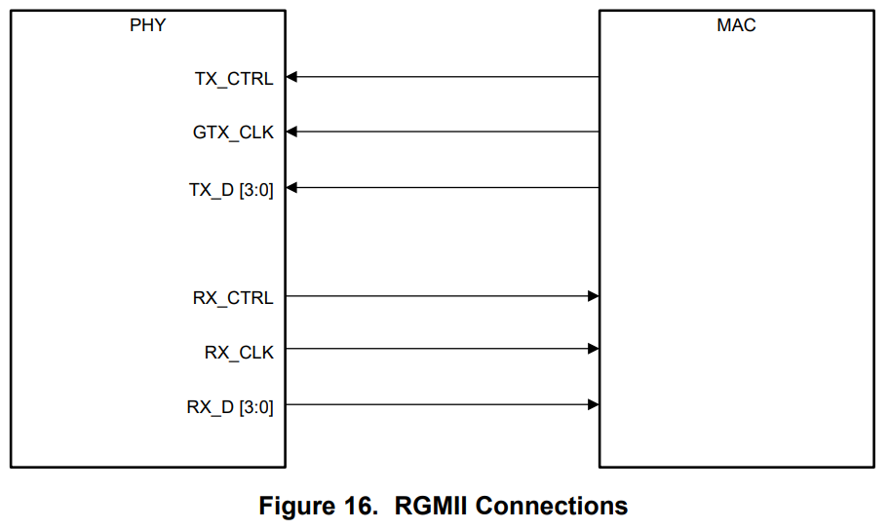
SGMII |  |  | 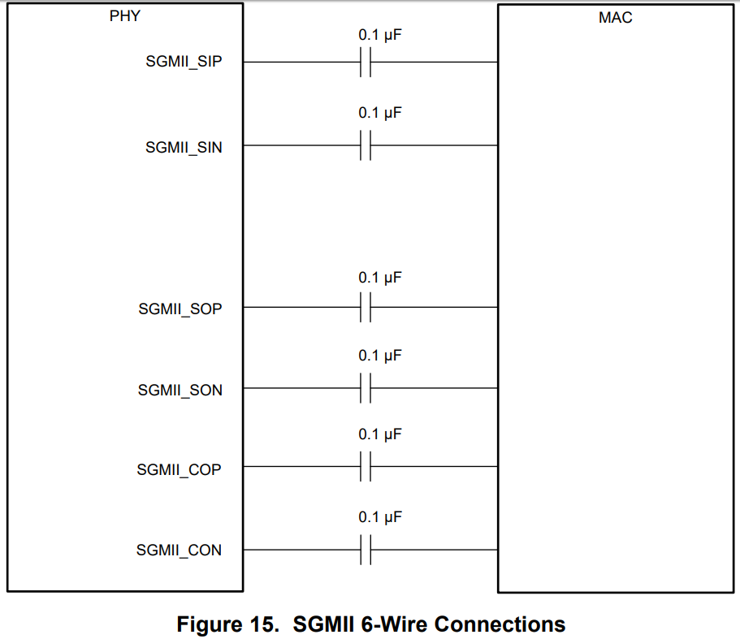
Clock (Crystal) | Crystal
Clock (Oscillator) | CrystalPic |  | 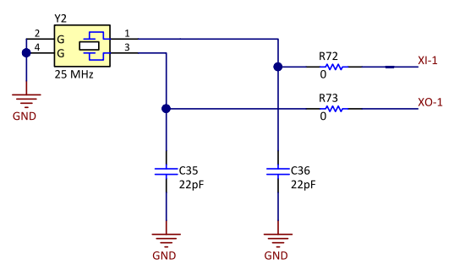

 |  |  | 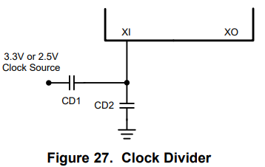

RGZ Strap Tool
Select desired feature from the drop down list for each line item.

OPTION 1

 |  |  |  |  |  | Strap Resistors
 | Hardware Configuration | Feature Select | Default Value | Strap Pin | Strap Mode | Recommend Pull up (RH) | Recommend Pull Down (RL)
 | PHY Address | 0 | 0 | RX_D0 | Mode 1 | Open | Open
Resistor Values to be used for the Straps
1% tolerant recommended
RX_D1/3 dummy loading required in SGMII for balancing purposes. Not required in RGMII mode
 |  |  |  | RX_D2 | Mode 1 | Open | Open
 |  |  |  | RX_D1 | Mode 1 | Open | Open
 |  |  |  | RX_D3 | Mode 1 | Open | Open
 | Auto-Negotiation | Enable | Enable Must strap into Mode 3 or 4 | RX_CTRL | Mode 3 | 5.76kΩ | 2.49kΩ
 | RGMII RX Clock Skew (N/A if using MII or SGMII) | 2.0ns | 2.0ns | GPIO_0 | Mode 1 | Open | Open
 |  |  |  | GPIO_1 | Mode 1 | Open | Open
 | RGMII TX Clock Skew (N/A if using MII or SGMII) | 2.0ns | 2.0ns | LED_2 | Mode 1 | Open | Open
 | Auto-Negotiation Advertisements | 10/100/1000 | 10/100/1000 | LED_1 | Mode 1 | Open | Open
 | Mirror Mode MAC Interface | Mirror Disable RGMII | Mirror Disable RGMII | LED_0 | Mode 1 | Open | Open

OPTION 2
Enter Configuration Customer is planning to use for the DP83867 through Straps
 | PHY_AD[3] | PHY_AD[2] | PHY_AD[1] | PHY_AD[0] | ANEG Disable | RGMII Skew RX [2] | RGMII Skew RX [1] | RGMII Skew RX [0] | RGMII Skew TX [2] | RGMII Skew TX [1] | RGMII Skew TX [0] | ANEG SEL | Mirror Enable | SGMII Enable
 | 0 | 0 | 0 | 0 | 0 | 0 | 0 | 0 | 0 | 0 | 0 | 0 | 0 | 0

NOTE For SGMII Operation
For SGMII Mode 4 strap, TI recommends using Rhi = 4 kΩ and Rlo = 10 kΩ on RX_D0 and RX_D1 , RX_D2 and RX_D3.
RX_D1 and RX_D3 are not a strap inputs, but these pins must be populated with the same strap resistors chosen for RX_D0 and RX_D2 respectively. RX_D0 and RX_D1 form an SGMII differential pair. RX_D2 and RX_D3 form another SGMII differential pair. The dummy straps on RX_D1 and RX_D3 are required to provide a balanced load for the SGMII differential pairs.
 |  |  | Strap Resistors
 | Strap Pin | Strap Mode | Recommend Pull up (RH) | Recommend Pull Down (RL)
 | RX_D0 | Mode 1 | Open | Open
Resistor Values to be used for the Straps
 | RX_D2 | Mode 1 | Open | Open
 | RX_CTRL | Mode 3 | 5.76kΩ | 2.49kΩ
 | GPIO_0 | Mode 1 | Open | Open
 | GPIO_1 | Mode 1 | Open | Open
 | LED_2 | Mode 1 | Open | Open
 | LED_1 | Mode 1 | Open | Open
 | LED_0 | Mode 1 | Open | Open

Pin Wise Checklist - PAP
Domain | Items | Pin Associated (S) if strap pin | Recommended Connection | Pictures | Customer Input | Customer Questions (If Any) | TI Feedback
Power | VDDIO | 23, 41, 57 | IO Supply: 1.8 V, 2.5 V, or 3.3 V Connect 0.1-µF, 1-µF ceramic decoupling capacitors near each pin; optional ferrite bead. Connect 10nF, 10µF capacitor as well |  | Required
 | VDDA2P5 | 4, 12 | Analog Supply: 2.5 V Connect 0.1-µF, 1-µF ceramic decoupling capacitors near each pin; optional ferrite bead. Connect 10nF, 10µF capacitor as well |  | Required
 | VDD1P1 | 8, 29, 42, 58 | Analog Supply: 1.1 V Connect 0.1-µF, 1-µF ceramic decoupling capacitors near each pin; optional ferrite bead. Connect 10nF, 10µF capacitor as well |  | Required
 | VDDA1P8 | 17, 64 | Optional Analog Supply: 1.8V In triple supply mode, connect 0.1-µF, 1-µF ceramic decoupling capacitors near each pin; optional ferrite bead. Connect 10nF, 10µF capacitor as well In dual supply mode, these pins should be left floating. They should not even be connected to each other. |  | Required

GND | GND | Ground Pad | Keep option to isolate the digital ground from the MDI connector ground for EMC purposes |  | Required

RBIAS | RBIAS | 15 | Connect a 11kohm 1% tolerance resistor between RBIAS pin and GND. |  | Required

LEDs | LED_1 | 62 (S) | Strap pin Active polarity detection and correction depending on strap Mode 1,2,3 is active high, mode 4 is active low Default function indicates 1000BASE-T Link | For 1.8V operation, BJT recommended for level shifting to 3.3V to provide enough forward voltage to turn on diode. For any configuration requiring intermediate mode strapping, recommended to place voltage divider network parallel to LED with current limiting. | Required
 | LED_0 | 63 (S) | Strap pin Active polarity detection and correction depending on strap Mode 1,2,3 is active high, mode 4 is active low Default function indicates link |  | Required

Clock (Crystal) | XI | 19 | Reference clock 25-MHz crystal. Ensure it meets the ppm and ESR spec as defined in datasheet and load capacitance as defined by crystal manufacturer. |  | Required
 | XO | 18

Serial Management Interface | MDC | 20 | Connect to host driving the SMI clock for PHY register programming. No pullup required Input to PHY |  | Required
 | MDIO | 21 | This pin requires a pullup resistor between 1.5kΩ and 2.2kΩ due to open-drain. Bidirectional |  | Required

Reset | RESET_N | 59 | Active-LOW input. This pin has a weak internal pullup. Asserting this pin LOW for at least 1 μs will force a reset process to occur. All internal registers will reinitialize to their default states as specified for each bit in the datasheet. All bootstrap pins are resampled upon deassertion of reset. |  | Required
Power Down | INT_N/PWDN | 60 | (Default) Active Low input to enable power down mode. Register access available to reconfigure. |  | Required
CLK_OUT | CLK_OUT | 22 | CLK_OUT is active by default and will output 25MHz clock. The output clock is configurable through register settings and can also be turned off. If unused, leave this pin floating. Suggested test point for quick test if PHY is active |  | Required

Medium Dependent Interface (MDI) | TD_P_A TD_M_A TD_P_B TD_M_B TD_P_C TD_M_C TD_P_D TD_M_D | 2 3 5 6 10 11 13 14 | Four differential channels for 1Gbps operation/2 channels for 10/100Mbps Route to magnetics; ensuring that each channel has individual center taps with 100nF decoupling Magnetics should meet PHY requirements (Insertion Loss, Return Loss, Turns Ratio) |  | Required

RGMII | GTX_CLK | 40 | Transmit Clock 2.5MHz for 10Mbps, 25MHz for 100Mbps, 125MHz for 1000Mbps |  | Required
 | No function | 30 | No function |  | Required
 | No function | 39 | No function |  | Required
 | TX_CTRL | 52 | Transmit Control Rising: TX_EN, Falling: (TX_EN XOR TX_ER) High on both edges of GTK_CLK if error-free packet present Low on both edges of GTK_CLK if no packet present High on rising edge and low on falling edge of GTK_CLK if error packet present |  | Required
 | No function | 31 | No function |  | Required
 | No function | 32 | No function |  | Required
 | No function | 33 | No function |  | Required
 | No function | 34 | No function |  | Required
 | TX_D3 | 35 | Transmit Data |  | Required
 | TX_D2 | 36 | Transmit Data |  | Required
 | TX_D1 | 37 | Transmit Data |  | Required
 | TX_D0 | 38 | Transmit Data |  | Required
 | RX_CLK | 43 | Receive Clock 2.5MHz for 10Mbps, 25MHz for 100Mbps, 125MHz for 1000Mbps |  | Required
 | RX_D0 | 44 (S) | Receive Data |  | Required
 | RX_D1 | 45 | Receive Data |  | Required
 | RX_D2 | 46 (S) | Receive Data |  | Required
 | RX_D3 | 47 | Receive Data |  | Required
 | No function | 48 (S) | No function |  | Required
 | No function | 49 (S) | No function |  | Required
 | No function | 50 (S) | No function |  | Required
 | No function | 51 (S) | No function |  | Required
 | RX_CTRL | 53 (S) | Receive Control Rising: RX_DV, Falling: (RX_DV XOR RX_ER) High on both edges of RX_CLK if error-free packet Low on both edges of RX_CLK if no packet High on rising edge and low on falling edge of RX_CLK if error packet Strap for Mode 3 or 4 only |  | Required
 | No function | 54 | No function |  | Required
 | No function | 55 | No function |  | Required
 | No function | 56 (S) | No function Strap for Mode 1 or 2 only |  | Required

JTAG | JTAG_TCK | 25 | Test Clock. This pin can be left unconnected if not used |  | Required
 | JTAG_TDO | 26 | Test Data Output. This pin can be left unconnected if not used |  | Required
 | JTAG_TMS | 27 | Test Mode Select. This pin can be left unconnected if not used |  | Required
 | JTAG_TDI | 28 | Test Data Input. This pin can be left unconnected if not used |  | Required

Interrupt
Power Down

RGMII | RGMII
GMII |  |  | 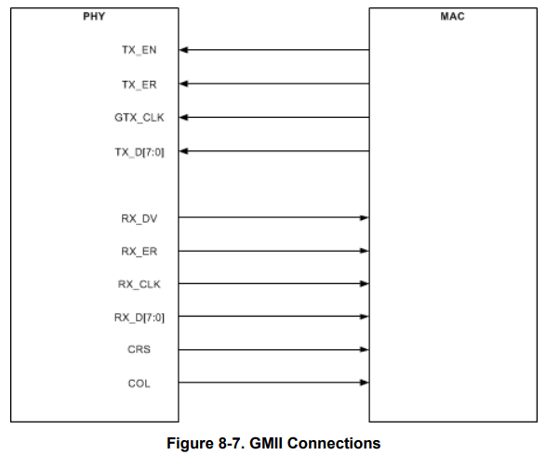
MII |  |  | 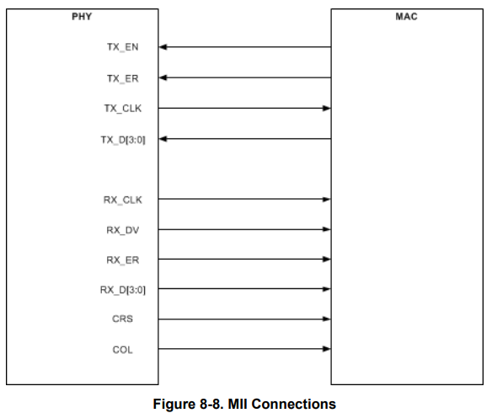
Clock (Crystal) | Crystal
Clock (Oscillator) | CrystalPic

PAP Strap Tool
Select desired feature from the drop down list for each line item.

 |  |  |  |  | Strap Resistors
Hardware Configuration | Feature Select | Default Value | Strap Pin | Strap Mode | Recommend Pull up (RH) | Recommend Pull Down (RL)
PHY Address | 0 | 0 | RX_D0 | 1 | Open | Open
Resistor Values to be used for the Straps
1% resistor tolerant recommended
 |  |  | RX_D2 | 1 | Open | Open
 |  |  | RX_D4 | 1 | Open | Open
MDI/X (Don't Care if Auto-MDIX enabled) Duplex (Don't Care if Auto-Negotiation enabled) | MDI Full Duplex | MDI Full Duplex | RX_D5 | 1 | Open | Open
Auto-MDIX MAC Interface | Enabled RGMII | Enabled RGMII | RX_D6 | 1 | Open | Open
Speed Optimization (0x14[9]) CLK OUT (0x170[6]) | Disabled Enabled | Disabled Enabled | RX_D7 | 1 | Open | Open
Auto-Negotiation | Enabled | RESERVED Must strap to mode 3 or 4 | RX_CTRL/RX_DV | 3 | 5.76kΩ | 2.49kΩ
Fast Link Drop | Disabled | Disabled | CRS | 1 | Open | Open
Auto-Negotiation Advertisements (Don't Care if Auto-Negotiation is disabled) | 10/100/1000 | 10/100/1000 | LED_1 | 1 | Open | Open
Port Mirroring | Disabled | Disabled | LED_0 | 1 | Open | Open

