Sheet2
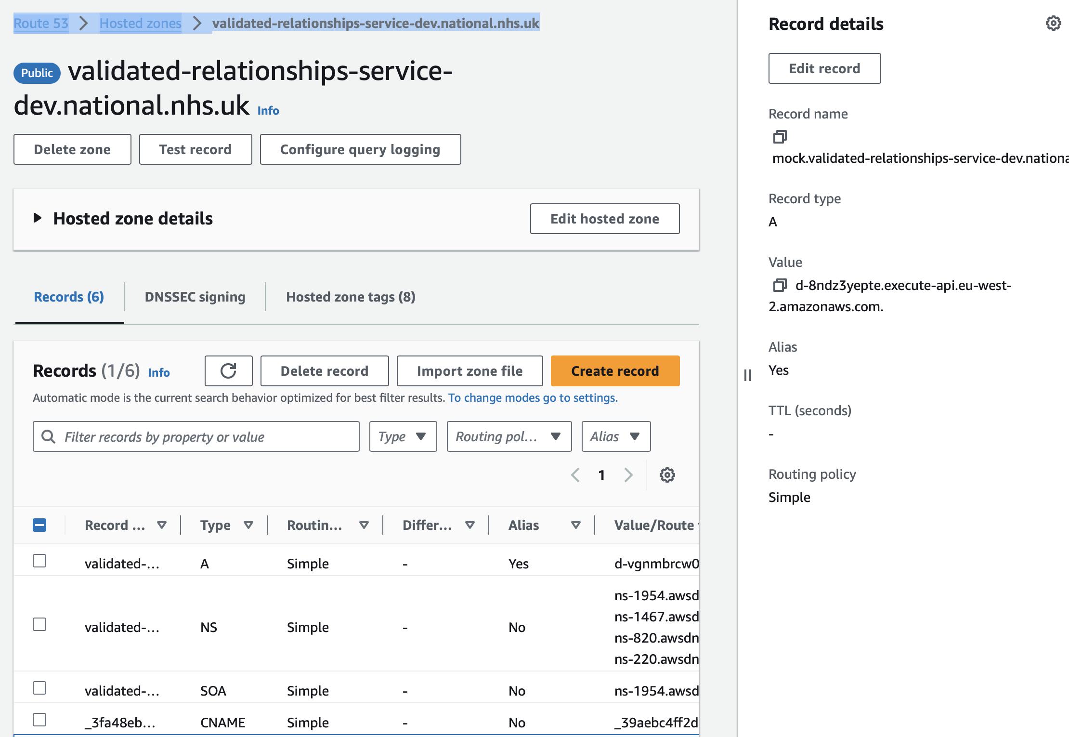
To extract the url | PATH ON AWS | url
 | Route 53 > HOSTEDZone>validated-relationships-service-dev.national.nhs.uk | validated-relationships-service-dev.national.nhs.uk
 | Click on it -> right section -> copy the record name

