Sheet1
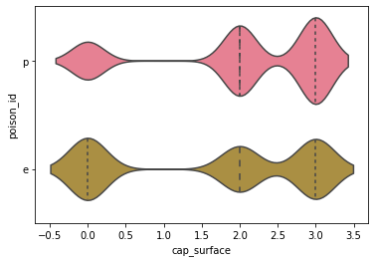

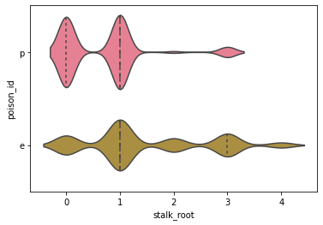

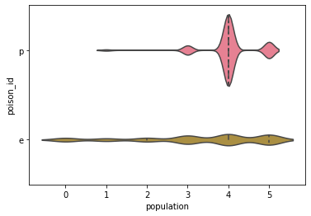

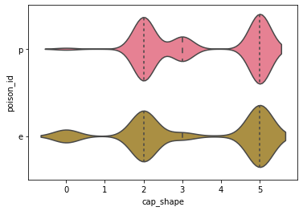
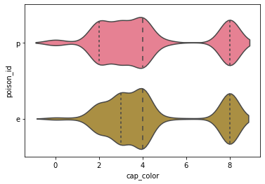

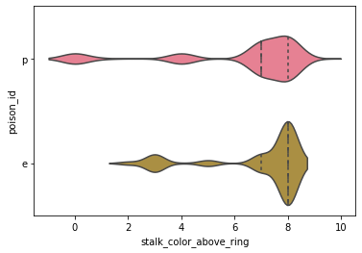

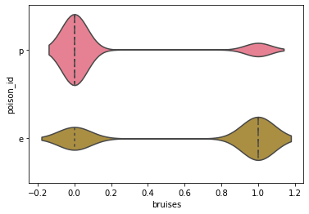
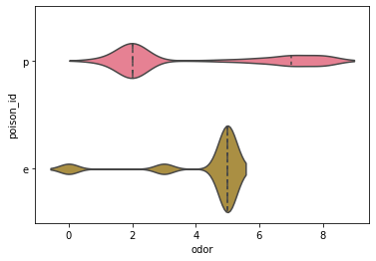
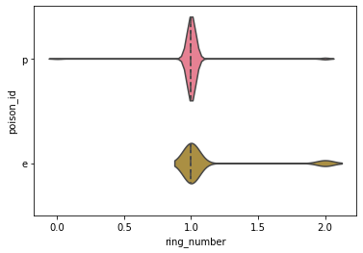

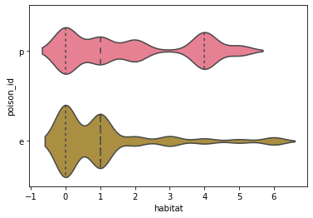
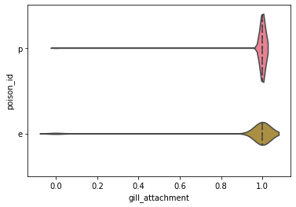
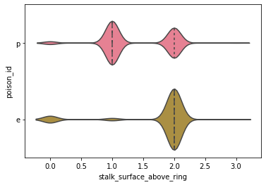
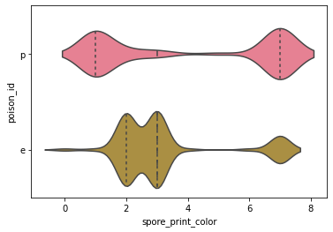

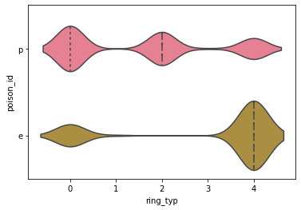

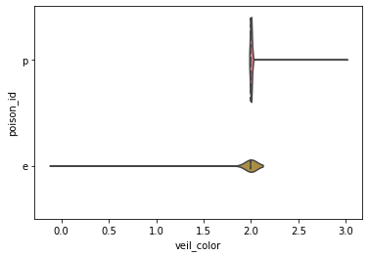

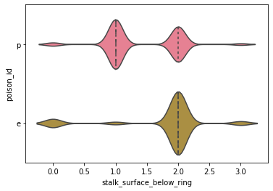
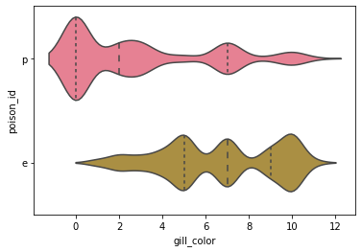
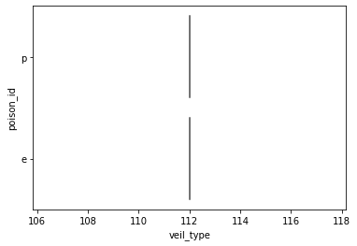

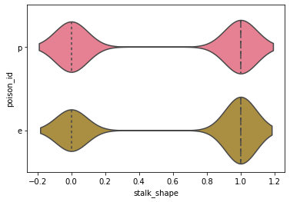

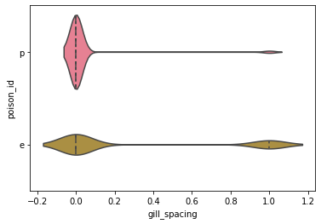
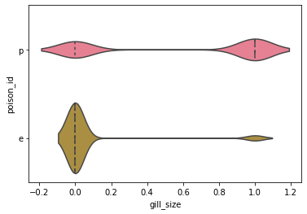

poison_id | #1
 | #data.poison_id = [ float(ord(x)) - 111 if float(ord(x)) >= 112 else
 | # float(ord(x)) - 101 for x in data.poison_id ]
cap_shape | #2 {98.0, 99.0, 102.0, 107.0, 115.0, 120.0} maps to ? b f s x but normalized to 0 1 2 3 4 5
cap_surface | #3 {121.0, 115.0, 102.0, 103.0} maps to ? f g s y normalized to 0 1 2 3
cap_color | #4 {98.0, 99.0, 101.0, 103.0, 110.0, 112.0, 114.0, 117.0, 119.0, 121.0} to --> 0 to 9
bruises | #5 true or false --> 1 or 0
odor | #6 {97.0, 99.0, 102.0, 108.0, 109.0, 110.0, 112.0, 115.0, 121.0} --> 0 to 8
gill_attachment | #7 {97.0, 102.0} --> t or f --> 0 or 1 (f is 1)
gill_spacing | #8 {99.0, 119.0} --> 0 or 1
gill_size | #9 {98, 110} --> 0 or 1
gill_color | #10 {98.0, 101.0, 103.0, 104.0, 107.0, 110.0, 111.0, 112.0, 114.0, 117.0, 119.0, 121.0} --> 0 to 11
stalk_shape | #11 {116.0, 101.0} --> 0 or 1
stalk_root | #12 {98.0, 99.0, 101.0, 114.0, 63.0} --> 0 to 4
stalk_surface_above_ring | #13 {107.0, 121.0, 115.0, 102.0} --> 0 to 3
stalk_surface_below_ring | #14 {107.0, 121.0, 115.0, 102.0} --> 0 to 3
stalk_color_above_ring | #15 {98.0, 99.0, 101.0, 103.0, 110.0, 111.0, 112.0, 119.0, 121.0} --> 0 to 8
stalk_color_below_ring | #16 {98.0, 99.0, 101.0, 103.0, 110.0, 111.0, 112.0, 119.0, 121.0} --> 0 to 8
veil_type | #17 do we want to delete this useless piece of data? --> 112 only
veil_color | #18 {121.0, 111.0, 110.0, 119.0} --> 0 to 3
ring_number | #19 {116.0, 110.0, 111.0} order matters? none one two == 110 111 116 --> 0 to 2
ring_typ | #20 {101.0, 102.0, 108.0, 110.0, 112.0} --> 0 to 4
spore_print_color | #21 {98.0, 104.0, 107.0, 110.0, 111.0, 114.0, 117.0, 119.0, 121.0} to 0 to 8
population | #22 {97.0, 99.0, 110.0, 115.0, 118.0, 121.0} --> 0 to 5
habitat | #23 {100.0, 103.0, 108.0, 109.0, 112.0, 117.0, 119.0} --> 0 to 6

