1. Title Page
[Project Name]

Project Name: Instacart Grocery Basket Analysis
Date: 2023.04.19.
Analyst Name: Richard Pávay
Data used: “The Instacart Online Grocery Shopping Dataset 2017”, Accessed from www.instacart.com/datasets/grocery-shopping-2017 via Kaggle on [date].

Contents:
Population Flow
Consistency checks
Wrangling steps
Column derivations
Visualizations
Recommendations

2. Population Flow
Title page

Population flow

Exclusion flag
Condition: max_order < 5
Obervations to be removed: 1440295 observations
Final total count of order_products_all: 30964564 rows

Orders_products_combined
Orders_products_merged
Orders_products_all

Total: 32434489 rows
Total: 32434489 rows
Total: 32404859 rows

1.) The grey boxes in the first row of the population flow represent the original data sets as they were when you downloaded them. In the Total fields you need to add the count of the rows when you imported the data set into Jupyter.
2.) The second row of boxes (coloured) represents the data sets after you manipulated them, e.g., removed missing values and duplicates. In the Total fields you need to add the count of the rows after conducting these operations. This offers a visual oveview of how the data flows throughout the data consistency checks.
3.) The third row, where also the arrows are coloured, represents the merges you performed between the datasets. In the Total fields you need to add the count of the rows in the merged datasets, so that you end up with the final dataset (in the red box). Keep in mind the final dataset should be without exclusions (based on the exclusion flag).

3. Consistency checks
 |  |  |  | Title page
Consistency checks

Dataset | Missing values | Missing values treatment | Duplicates
orders | 206209, in 'days_after_previous_order' column | All kept These mark the very first order each user made | none found
products | 16 | dropped | 5 - dropped
orders_products_prior | 0 | 0 | n/a
customers | 0 | 0 | n/a

4. Wrangling steps
 |  |  |  | Title page
Wrangling steps

Columns dropped | Columns renamed | Columns' type changed | Comment/Reason
orders.eval set |  |  | data irrelevant to analysis
 | order_dow' renamed to 'orders_day_of_the_week' |  | renamed to be more descriptive
 |  | orders.order_id changed to str | since these are meant to be unique identifiers, str is better
 |  | orders.user_id changed to str | since these are meant to be unique identifiers, str is better
 | days_since_prior_order' : 'days_after_previous_order' |  | renamed to be more descriptive
customers | First Name': 'first_name', 'Surnam': 'surname', 'Gender': 'gender', 'STATE': 'state', 'Age': 'age', 'n_dependants': 'number_of_dependants', 'fam_status': 'family_status' |  | renamed to be more descriptive and for consistency
customers.last_name, customers.first_name |  |  | for data privacy reasons, removed PII data

5. Column derivations
In this tab you should add tables below that the frequences of flags/label variables that you produced after deriving them. NB: don't do this for continuous variables, only for flags.
 |  |  |  | Title page

Column derivations and aggregations

Dataset | New column | Column/s it was derived from | Conditions
products | price_range | price | price <= 5 : Low range product, price > 5 and <= 15 : Mid range product, price > 15: High-range product
ords_prods_merged | spending_flag | avg_spending | avg_spending >= 10 : High-spender, else Low-spender
orders | busiest_days | order_day_of_the_week | order_day_of_the_week 0 = Busiest day, 4 = Least busy day, else: regular day
ords_prods_merged | busiest_period_of_day | order_hour_of_day | [10, 11, 14, 15, 13, 12, 16, 9] = Most orders, [17, 8, 18, 19, 20, 7, 21, 22] = Average orders, else: Fewest orders
ords_prods_merged | loyality_flag | max_orders | max_orders > 40 = Loyal customer, 40 >= max_order > 10 : Regular customer, else: New customer
ords_prods_merged | order_frequency_flag | median_days_between_orders | >20: Non frequent customer, <= 20 and >10: Regular customer, else: Loyal customer
orders_products_all | region | state | according to us census regions
orders_products_all | age_profile | age | age <= 25 = Young, 26-59 = Middle-aged, 60+ senior
orders_products_all | income_profile | income | income <= 40000: Low-income,40000 < income < 100000: Mid-income, else: High-income
orders_products_all | children | number_of_dependants | number_of_dependants > 0: Parent, else: No children
orders_products_all | nutrition_profile | department id | Vegetarian (no orders from department 12), Vegan (no orders from departhemts 12 and 16), else: Meat-consumer
orders_products_all | days_of_order_profile | order_day_of_the_week | if sum of total orders made on the weekend >= orders made on weekdays: Weekend customer, else: Weekday customer

6. Visualizations
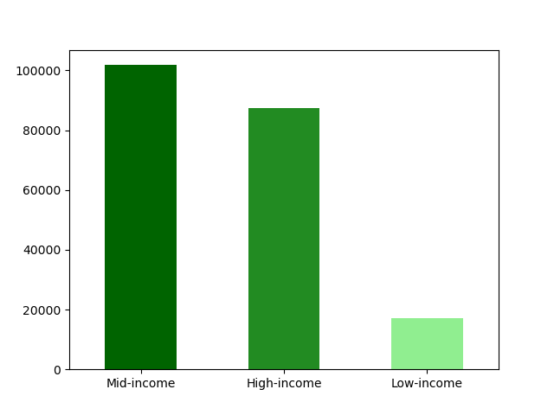
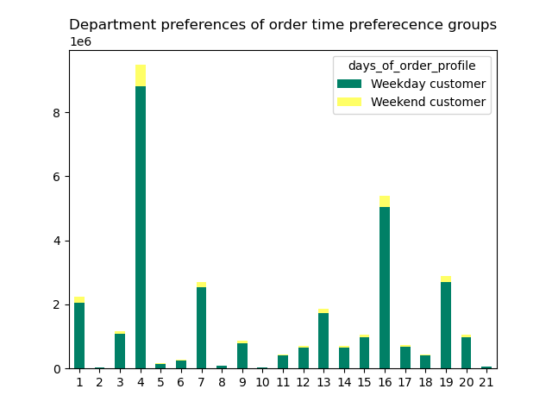
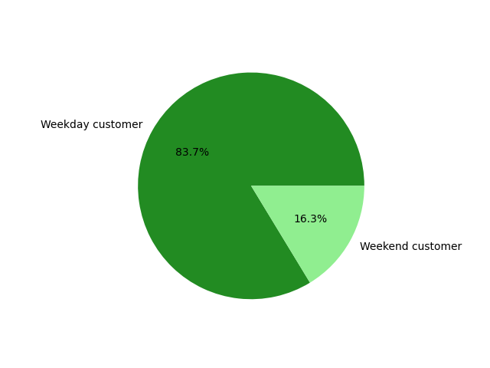
 |  |  |  |  |  |  |  |  | Title page
In this tab you should include all the visualtions from Exercises 4.9 and 4.10, alongside the questions from the project brief that they answer. Include any commentary on the relationship between different variables.
Visualisations

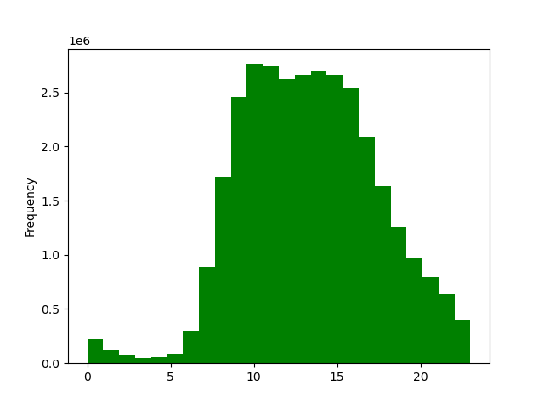
The sales team needs to know what the busiest days of the week and hours of the day
are (i.e., the days and times with the most orders) in order to schedule ads at times
when there are fewer orders.
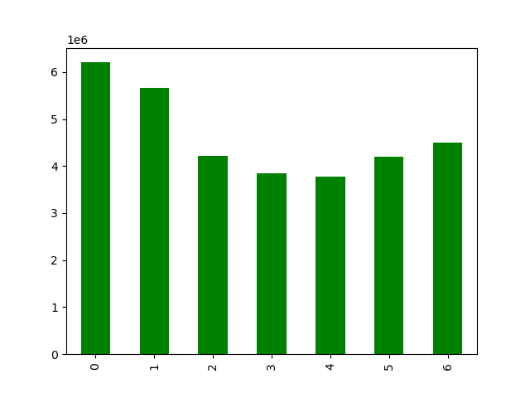
 |  | 0 | 1 | 2 | 3 | 4 | 5 | 6
 |  | Saturday | Sunday | Monday | Tuesday | Wednesday | Thursday | Friday

 |  | The most amount of orders arecome from the weekends. |  |  |  |  |  |  |  |  |  |  | The period from 00:00 to 07:00 stands out as the least active period of the day
 |  | Tuesday and Wednesday stand out as the days with least orders

They also want to know whether there are particular times of the day when people spend
the most money, as this might inform the type of products they advertise at these times.
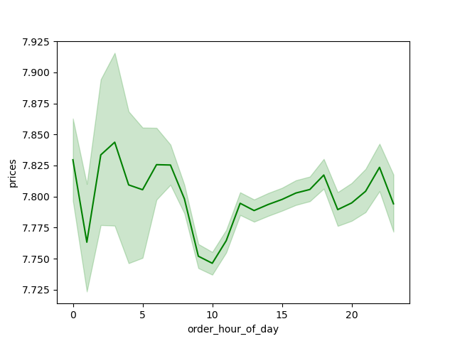

 |  |  | Customers tend to spend the most during 03:00-0700

Instacart has a lot of products with different price tags. Marketing and sales want to use
simpler price range groupings to help direct their efforts.
Please see Sheet 5. Column derivations

Are there certain types of products that are more popular than others? The marketing
and sales teams want to know which departments have the highest frequency of product
orders.
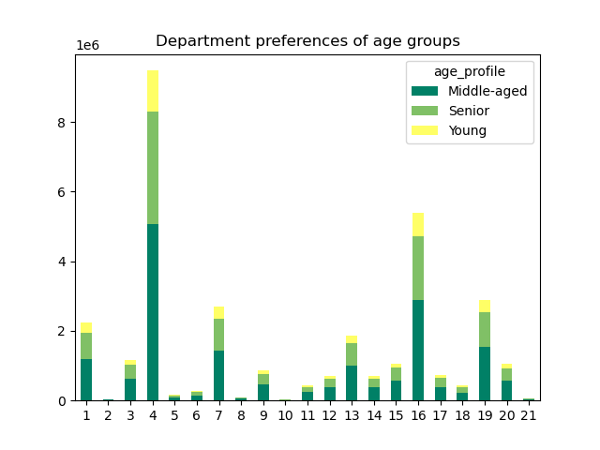

 |  | Depertments 4 and 16 receive the most orders by far (across all age groups)

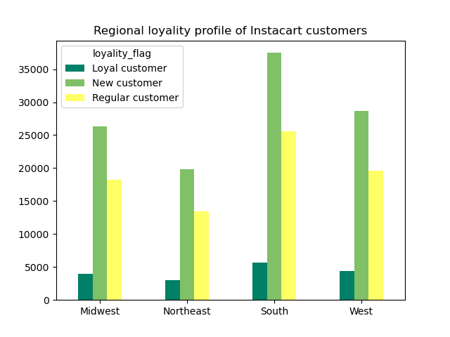
What’s the distribution among users in regards to their brand loyalty (i.e., how
often do they return to Instacart)?
 |  |  |  |  |  |  |  |  |  |  | Orders distributions among loyality groups
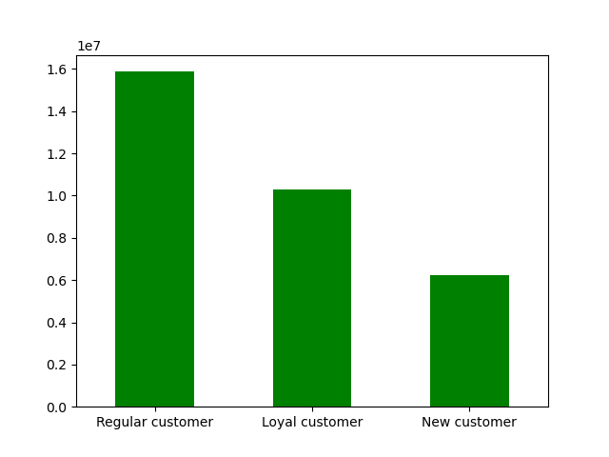

 |  | Overall Instacart relies heavily on its loyal-regular core audience for business
 |  | Customers who only made a few orders are numerous but contribute little to the overall business of Instacart

Are there differences in ordering habits based on a customer’s loyalty status?
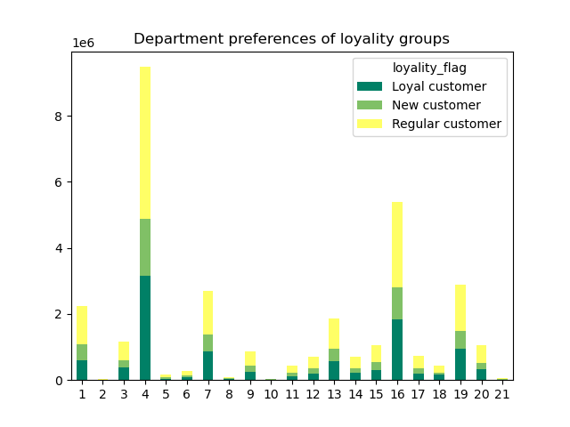

 |  |  | Ordering habits do not differ vastly over different loyality groups, neither in department preferences, nor in order timing habits

Are there differences in ordering habits based on a customer’s region?

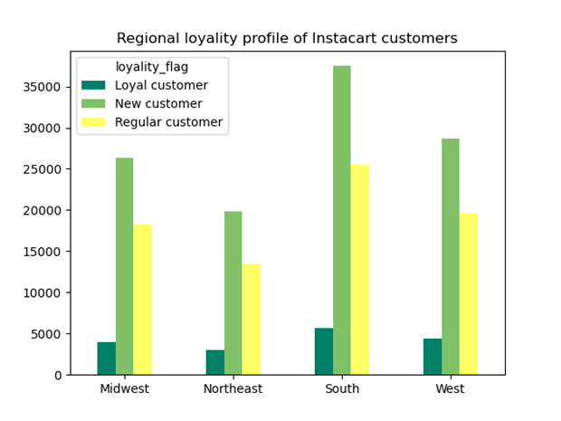

 |  |  | There are no drastic differences between regional habits
 |  |  | South's population is way bigger than the rest, but customers numbersonly partially reflect this - could be a market with most potential

Is there a connection between age and family status in terms of ordering habits
 |  |  |  |  |  |  |  |  |  | Children distribution
 | There are no significant differences between different family-status groups they pretty consistently reflect the general customer distributions
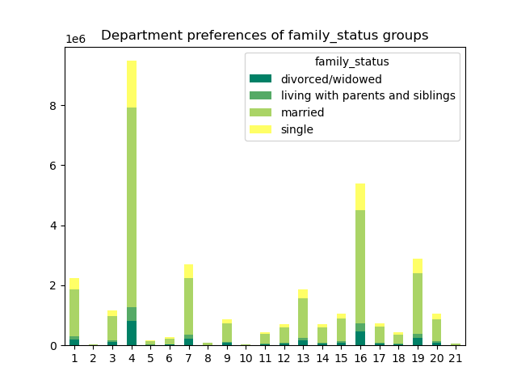
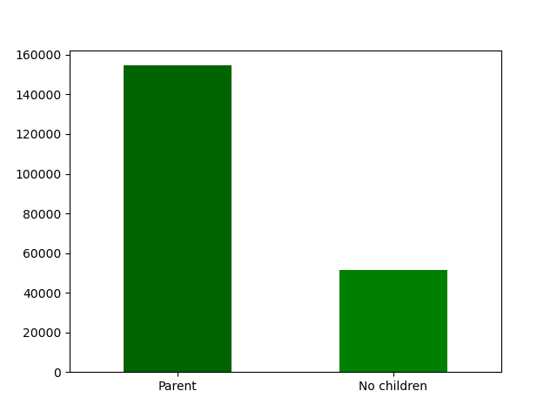
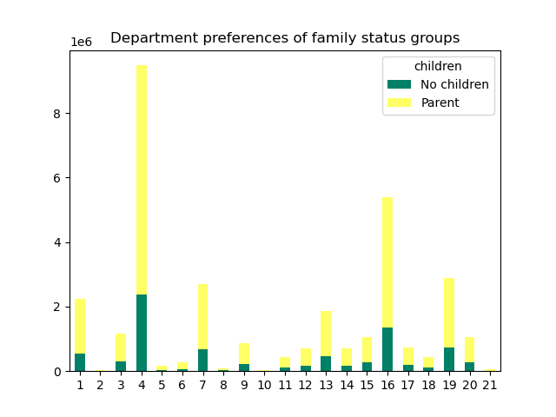

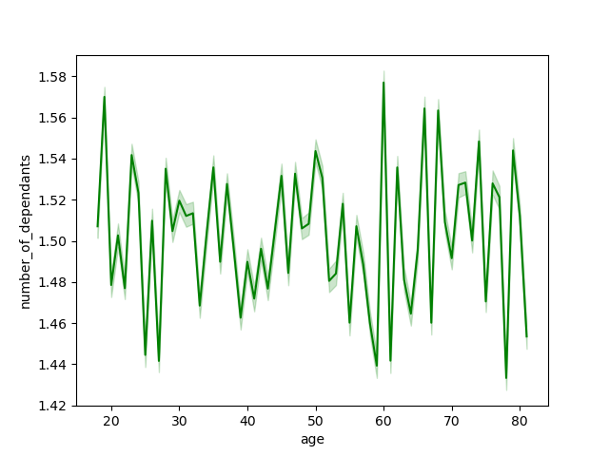

 |  |  |  |  |  |  |  |  |  |  |  | average number of children across age groups I consistently between 1-2.

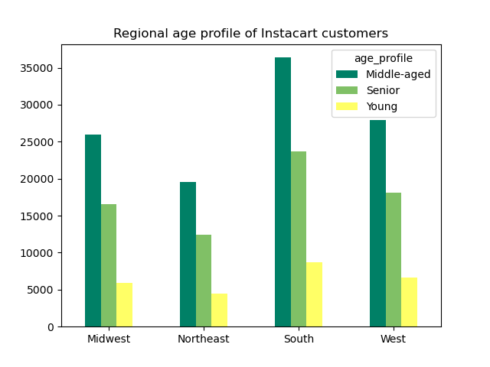

 | Similarly, age group ordering preferences mostly follow the profile distribution

What different classifications does the demographic information suggest? Age?
Income? Certain types of goods? Family status?

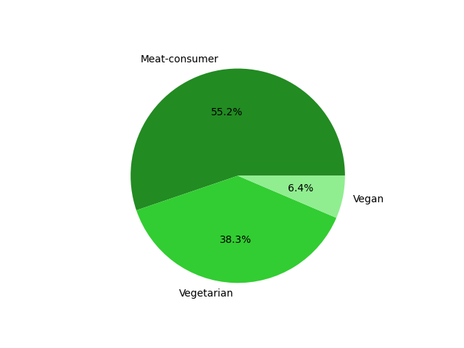
Aside from those already covered, Vegans and Vegetarians can be reasonably identified from their ordering habits.

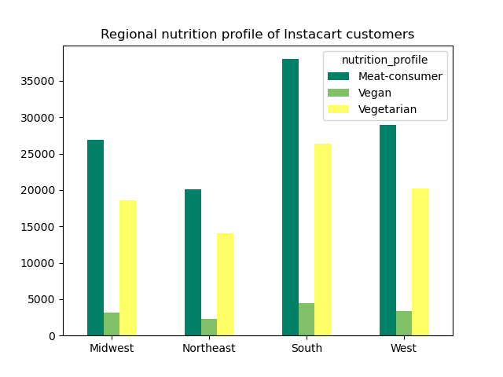
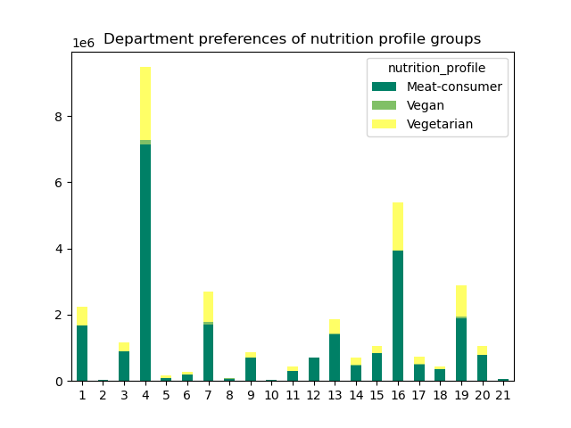

What differences can you find in ordering habits of different customer profiles?
Consider the price of orders, the frequency of orders, the products customers are
ordering, and anything else you can think of.

7. Recommendations
 |  | Title page

Recommendations

In this tab you should include any recommendations you would made to Instcart in terms of their marketing strategy based on the questions posed in the brief. Every key question has been covered in the Tasks of the Exercises - here you need to add an item - a visualisation or table/crosstable that is showing the answer in the data, acompanied by a comment from you. Please, list the questions below and add the answer underneath.

Question | Answer
1. The sales team needs to know what the busiest days of the week and hours of the day are (i.e., the days and times with the most orders) in order to schedule ads at times when there are fewer orders. | Tuesday and Wednesday stand out as days with the lowest amount of orders, focusing advertisement effort to these days could be profitable. The moring(07:00-11:00) and evening (18:00-23:00) could be similarly impactful windows for ads (late night hours are the least active, but unlikely for people to consume much ads at that time)

2. They also want to know whether there are particular times of the day when people spend the most money, as this might inform the type of products they advertise at these times. | People spend the most in the small hours (03:00-07:00) and during the evening (18:00-22:00). Pushing more expensive product ads around these hours could reach an audience with more spending power/willingness

3. Instacart has a lot of products with different price tags. Marketing and sales want to use simpler price range groupings to help direct their efforts. | Please see Sheet 5., row no.1.. Categorizing them as Low-, Mid-, and High-price products is a straighforward option
4. Are there certain types of products that are more popular than others? The marketing and sales teams want to know which departments have the highest frequency of product orders. | Department 4. (Produce) and 16. (Dairy and eggs) stand out as the most popular departments. Advertising through products of these departments could reach the widest audience

Key Question 5: Brand loyality | Overall Instacart relies heavily on its loyal-regular core audience for business. There are a lot of customers with only a few orders at their name, but their value is much smaller for instacart. Customer retention and transforming new customers to regulars should be a clear focus over acquiring raw number of customers

Key Question 6: Regional differences | Overal, regional differences are insignificant. South stands out with a market with a lot of room to grow.

Key Question 7: Additional profiling oppoprtunities | Alternate nutrition style groups, (Vegans and Vegetarians) are clearly identifyable through ordering habits. It could be worthwile, and efficent to funnel (only) relevant advertisements towards these particular groups. They make up asignificant portion of the Instacart customerbase

