1. Title Page
[Project Name]

Project Name: Instacart Grocery Basket Analysis
Date: 09/26/2021
Analyst Name: Richa Vijay

Population Flow
Consistency checks
Wrangling steps
Column derivations
Visualizations
Recommendations

Project Objective :

Instacart already has very good sales, but they want to uncover more information about their sales pattern. Main task is to perform an initial data and exploratory analysis of some of their data in order to derive insights and suggest strategies for better segmentation based on the provided criteria

Context

The Instacart stakeholders are most interested in the variety of customers in their database along with their purchasing behaviors. They assume they can't target everyone using the same methods, and they’re considering a targeted marketing strategy. They want to target different customers with applicable marketing campaigns to see whether they have an effect on the sale of their products. Your analysis will inform what this strategy might look l ike to ensure Instacart targets the right customer profiles with the appropriate products.

Key Questions

1. The sales team needs to know what the busiest days of the week and hours of the day are (i.e., the days and times with the most orders) in order to schedule ads at times when there are fewer orders.

2. They also want to know whether there are particular times of the day when people spend the most money, as this might inform the type of products they advertise at these times.

3. Instacart has a l ot of products with different price tags. Marketing and sales want to use simpler price range groupings to help direct their efforts.

4. Are there certain types of products that are more popular than others? The marketing and sales teams want to know which departments have the highest frequency of product orders.

5. The marketing and sales teams are particularly interested in the different types of customers in their system and how their ordering behaviors differ. For example: a) What’s the distribution among users i n regards to their brand l oyalty (i.e., how often do they return to Instacart)? b) Are there differences i n ordering habits based on a customer’s l oyalty status? c)Are there differences i n ordering habits based on a customer’s region? d) Is there a connection between age and family status i n terms of ordering habits? e) What different classifications does the demographic i nformation suggest? Age? Income? Certain types of goods? Family status? f) What differences can you find in ordering habits of different customer profiles? Consider the price of orders, the frequency of orders, the products customers are ordering, and anything else you can think of.

Data Citations :
1. "The Instacart Online Grocery Shopping Dataset 2017”, Accessed from https://www.instacart.com/datasets/grocery-shopping-2017 on August 5, 2021.
2. "Customer Data Set" : https://s3.amazonaws.com/coach-courses-us/public/courses/data-immersion/A4/A4_Data_Assets/customers.zip "
2

2. Population Flow
Title page

Population flow

Exclusion flag
Condition: max_order <
Obervations to be removed:
Final total count of order_products_all:

Orders_products_combined
Orders_products_merged
Orders_products_all

Total: 32435059
Total: 32434489
Total: 30658154

1.) The grey boxes in the first row of the population flow represent the original data sets as they were when you downloaded them. In the Total fields you need to add the count of the rows when you imported the data set into Jupyter.
2.) The second row of boxes (coloured) represents the data sets after you manipulated them, e.g., removed missing values and duplicates. In the Total fields you need to add the count of the rows after conducting these operations. This offers a visual oveview of how the data flows throughout the data consistency checks.
3.) The third row, where also the arrows are coloured, represents the merges you performed between the datasets. In the Total fields you need to add the count of the rows in the merged datasets, so that you end up with the final dataset (in the red box). Keep in mind the final dataset should be without exclusions (based on the exclusion flag).

3. Consistency checks
 |  |  |  | Title page
Consistency checks

Dataset | Missing values | Missing values treatment | Duplicates
orders | 206209 records for days_since_prior_order | created boolean flag for True/False values in a separate column " Ordered_today" mentioning that whether this is customer's first order or not | None
products | 16 records for product_name | created new clean dataframe excluding those 16 records | 5 duplicate records found, dropped from the dataframe
orders_products_prior | None | None | None
customers | 11259 records for first_name | created new dataframe as as subset with only complete information, excluding those records with missing first_name | None

4. Wrangling steps
 |  |  |  |  | Title page
Wrangling steps

Data Set | Columns dropped | Columns renamed | Columns' type changed | Comment/Reason
Orders | eval_set |  |  | not relevant to the project analysis
Orders |  | Orders_day_of_week |  | For better clarity to understand that "dow" stands for day of the week
Orders |  |  | order_id | columns type changed to "String" , because we do not need to perfrom any calculation on this column as we do on numeric datatypes
Orders |  |  | user_id | columns type changed to "String" , because we do not need to perfrom any calculation on this column as we do on numeric datatypes
df_prods | Unnamed |  |  | not relevant to the project analysis
df_orders_products_combined | _merge |  |  | not relevant to the project analysis
customers |  | first_name |  | Original First Name , for better clarity and consistency
customers |  | last_name |  | Original Surnam, for better clarity and consistency
customers |  | gender |  | Original Gender , for better clarity and consistency
customers |  | state |  | Original STATE , for better clarity and consistency
customers |  | age |  | Original Age , for better clarity and consistency
customers |  | no_of_dependants |  | Original n_dependants , for better clarity and consistency
customers |  | family_status |  | Original fam_status , for better clarity and consistency
Ords_prods_merge |  |  | Order_frequency_median | changed to float 16 for reducing memory usage
Ords_prods_merge |  |  | spending | changed to float 16 for reducing memory usage
Ords_prods_merge |  |  | max_order | changed to int8 for reducing memory usage
Ords_prods_merge |  |  | aisle_id | changed to float 16 for reducing memory usage
Ords_prods_merge |  |  | add_to_cart_order | changed to int8 for reducing memory usage
Ords_prods_merge |  |  | days_since_prior_order | changed to float 16 for reducing memory usage
Ords_prods_merge |  |  | order_hour_of_day | changed to int8 for reducing memory usage
Ords_prods_merge |  |  | order_day_of_the_week | changed to int8 for reducing memory usage
Ords_prods_merge |  |  | reordered | changed to int8 for reducing memory usage

5. Column derivations
 |  |  |  | Title page

Column derivations and aggregations

In this tab you should add tables below that the frequences of flags/label variables that you produced after deriving them. NB: don't do this for continuous variables, only for flags.
Dataset | New column | Column/s it was derived from | Conditions
orders | Ordered_today | Boolean flag True/False for first time orders as per column "days_since_prior_order" | If NULL value is find for column "days_since_prior_order", Flag will turn on to True
df_ords_prods_merged | price_range_loc | Flag for different price range from High to Mid to Low derived from prices column | Price>15 High Range, Prices<=15 & >5 Mid Range, Prices <=5 Low Range
df_ords_prods_merged | busiest_day | Flag created for catgorizing order's day of week to the Busiest Day and the Least Busy day , rest all will fall in Regularly Busy day | Busiest day is Saturday, Least busy day is Wednesday
df_ords_prods_merged | busiest_days | Flag created for categorizing order's day of week to the Busiest days,slowest days, and regularly busy days | Busiest Days- Saturday & Sunday, slowest days - Tuesday& Wednesday, Rest all regularly busy days
df_ords_prods_merged | busiest _period_of_day | Flag created for categorizing order_hour_of_day to the Most Orders,Fewest orders and average orders | Time from 10 am to 4 pm > Most orders , Time from 12 am to 6 am > Least orders, Rest all timing > Average orders
ords_prods_merge | loyalty_flag | flag created for loyalty of customers , for number of the orders they made derived from column "order_number" | If the max_order > 40 Loyal Customer, max_order <=40 and > 10 Regular Customer, max_order<=10 New Customer
ords_prods_merge | spending_flag | flag created for spending habit of customers, derived from column "prices" | If spending < 10 Low Spender, spending >=10 High Spender
ords_prods_merge | order_frequency_flag | flag created for order_frequency_median of customers which derived from column "days_since_ prior_order" | If order_frequency_median > 20 Non Frequent Customer, order_frequency_median<= 20 & >10 Regular Customer, order_frequency_median<=10 Frequent Customer
allcomb_df1 | regions | Flag created for the region , derived from the column state | Assigned regions based on the state of the customer as per the wikipedia link mentioned in exercise
allcomb_df2 | exclusion_flag | Flag created on the basis of number of orders, derived from column "max_order" | max_order < 5 Low activity customer, max_order>=5 High activity customer
high_activity_comb | age_group | Flag created , age groups created , derived from the column "age" | age groups made for 10 year, started from" 20 or less" ,"20-30"….to "over 70"
high_activity_comb | income_flag | Flag created , income groups created, derived from the column "Income" | <50000 Low income, >=50000 and <100000 Average_income, >= 100000 High Income
high_activity_comb | price_flag | Flag created , derived from the column "Prices" | <10 low range prices,>=10 & <20 mid range prices,>=20 & <30 upper range prices, else high range prices

6. Visualizations
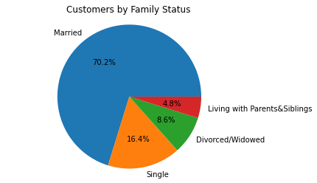
 |  |  |  |  |  | Title page

Visualisations

In this tab you should include all the visualtions from Exercises 4.9 and 4.10, alongside the questions from the project brief that they answer. Include any commentary on the relationship between different variables.

Ques 1 | What are the busiest days of the Week in terms on number of orders ?

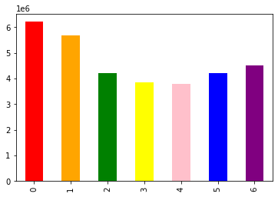

 | This bar graph shows the sales for all week days , where we can clearly see that 0( Saturday) and 1( Sunday) are the busiest days of the week with highest sales , and 3( Tuesday) and 4 ( Wednesday) are the slowest days with lowest sales

Ques 2 | What is the busiest period of the day ?

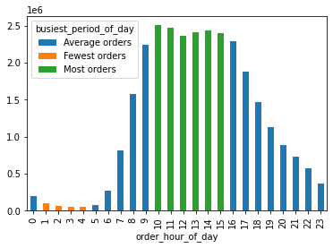

 | This bar graph clealry shows that 10 am to 3 pm , is the time when the most orders are received , whereas 12 am to 5 am is the slowest period of the day

Ques 3. | Are there certain times of day when people spend most money

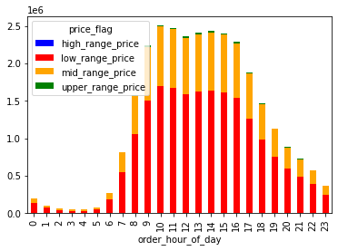

 | This stacked bar chart shows the typical pattern of business hours, when the sale peaks and the money spend during that time on products with price range. This shows clearly that there are times from 9 am to 5 pm when most of the orders are received and majority of them are low range price (>= 10 & <20) products , followed by mid range price products ( >= 20 and <30)

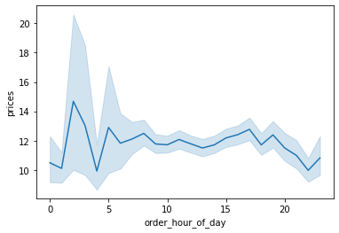

 | This line chart above shows the prices of the products sold over the hours throughout the day
 | This tends to tell that higher prices items are normally sold in the early dawn hours , mainly from 1 am to 5 am

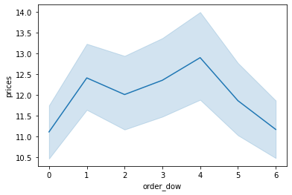

 | This line chart visualize the prices of products sold over the days of the week, this observation tells that the higher prices items are sold mainly on Sunday and Wednesdays and Low priced items are mainly sold at the start of the weekend Friday and Saturday.

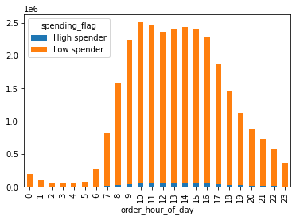

 | This bar chart visualizes the spending capacity of customers over the hour through out the day, peak hours of spending are from 8 am to 5 pm for both kind of spenders - High Spenders and Low Spenders. Proportion of High Spenders is significantly low than low spenders throughout the day.

Ques 4 | Instacart has a l ot of products with different price tags. Marketing and sales want to
 | use simpler price range groupings to help direct their efforts.

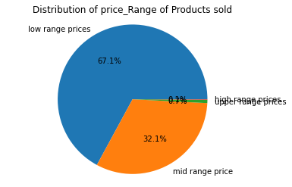

 | We have created price ranges for all the products sold from upper range, high range, mid range to low range. This pie chart visualize the majority of the products sold are in low range prices (67.1%) followed by midrange prices (32.1%) and rest 0.8% percent accounts for high and upper price range products.

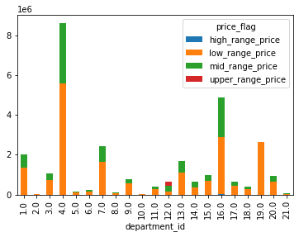

 | Above stacked bar chart visualizes distribution of different price range products over the different departments. This will help in focusing over the different departments with simpler price groupings

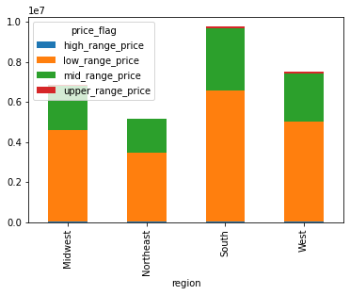

 | Above stacked bar chart visualizes the distribution of different price range products across different regions of the country. Region with highest number of sales shows that majority of the buyers buy products in low range followe d by mid range. Price range has almost similar patterns across regions

Ques 5 | Are there certain types of products that are more popular than others? The marketing
 | and sales teams want to know which departments have the highest frequency of
 | product orders.

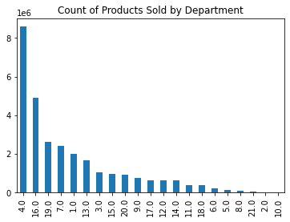

 | This bar chart shows the count of products sold by different departments. We can see that the the company sells highest number of products from department 4( Produce) followed by 16 (dairy & eggs). On the other hand departments like 18( babies), 6 (international) ,5( alcohol ) and 8 ( pets) are struggling for sales.

Ques 5a | What’s the distribution among users in regards to their brand l oyalty (i.e., how
 | often do they return to Instacart)?

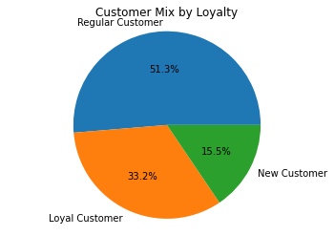

 | This pie chart demonstrate the distribution of customers in terms of loyalty. Here we can see that our 33.2 % customers are loyal customers. Loyal customers are those who have already made more than 40 orders from Instacart. Then we have 51.3% as our regular customers, who have placed orders between 10 to 40 from Instacart so far. And last we have 15.5 % as new customers who have made less than 10 orders so far.

Ques 5 b | Are there differences i n ordering habits based on a customer’s l oyalty status

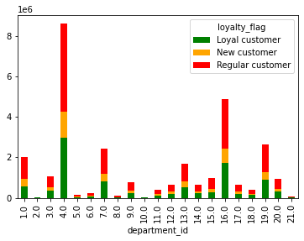

 | As per the customer loyalty status , we have observed the difference in the order frequency , but when we analyse customer loyalty departmentwise , we can see in the stacked bar chart above that they almost follow the same proportions across departments

 | Order frequency of Instacart Customers
 | Order frequency of customers is measured in terms of how often customer places an order, Frequent customers places orders every 10 days or less. Regular customers places order more than 10 days apart but less than 20 days. Non frequent customers places order more than 20 days apart.
 | We have 68.4 % of frequent customer and 9.4% non frequent customer,rest 22.2 % are regular customer

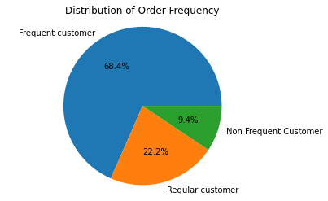

 | Are there differences i n ordering habits based on a customer’s region?

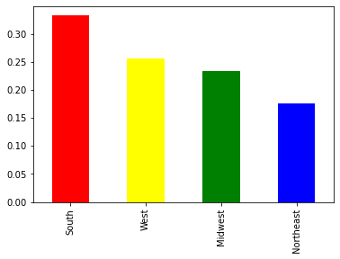

 | Above chart shows the number of orders distribution across the regions. We can see that highest number of orders are coming from South region and the least number of orders are coming from Northeast region

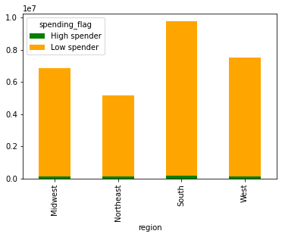

 |  |  |  | High spender | Low spender
 |  |  | Midwest | 143058 | 6722821
 |  |  | Northeast | 96641 | 5086524
 |  |  | South | 186751 | 9569272
 |  |  | West | 140196 | 7352891

 |  |  | This stacked bar chart above shows the type of spenders we have across four regions. All four regions majority spenders are low spenders with South having highest high and low spenders. Out of all four regions , Midwest region has the highest proportion of high spenders compared to other three regions

 | Is there a connection between age and family status in terms of ordering
 | habits?

 | Stacked bar chart demonstrating the different family status across different age groups. For Age groups 20 or less and 20-30 , majority of the customers are those who with parents and siblings. For all age groups , Instacart's majority customers are married ( people who are living with dependants, have parental status). For the senior age groups , we have a significant share of customers who are divorced/widowed. In the other stacked bar chart on the other side , we can see the distribution of family status across all the hours of a day. For the peak hours from 8 am to 5 pm , maximum orders are coming from the customers who are married or who have dependants , followed by customers with single family status. When we connect both the bar charts , we can conclude that the majority of the Instacart orders are coming from the middle age groups and even in those age groups, customers who are married ( who have dependants or have parental status) are accounted for majority of the Instacart orders
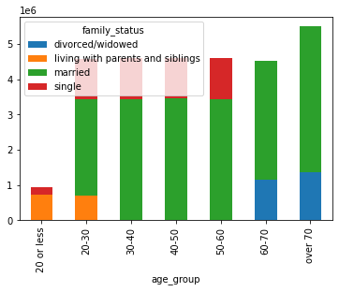
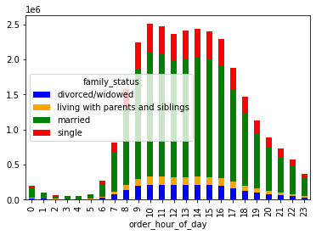

 | age_group | divorced/widowed | living with parents and siblings | married | single
 | 20 or less | 0 | 711982 | 0 | 210884
 | 20-30 | 0 | 694596 | 2734978 | 1146304
 | 30-40 | 0 | 0 | 3439310 | 1146725
 | 40-50 | 0 | 0 | 3462264 | 1144559
 | 50-60 | 0 | 0 | 3440392 | 1158158
 | 60-70 | 1141680 | 0 | 3366995 | 0
 | over 70 | 1371307 | 0 | 4128020 | 0

7. Recommendations
 |  |  |  |  |  | Title page

Recommendations

In this tab you should include any recommendations you would made to Instcart in terms of their marketing strategy based on the questions posed in the brief. Every key question has been covered in the Tasks of the Exercises - here you need to add an item - a visualisation or table/crosstable that is showing the answer in the data, acompanied by a comment from you. Please, list the questions below and add the answer underneath.

Question
Key Question 1 |  | For Sales Team, What the busiest days of the week and hours of the day ?

 |  |  | This bar graph shows the sales for all week days , where we can clearly see that 0( Saturday) and 1( Sunday) are the busiest days of the week with highest sales , and 3( Tuesday) and 4 ( Wednesday) are the slowest days with lowest sales

 |  |  | Reccomendation
 |  |  | Saturday and Sunday are the days where every household has a tendency to stock up for whole week, those are the days where families plan ahead about their weekly meal plans and any essentials they are running out. So definitly the slowest days are perfect for promotions where the company can market for upcoming weekend deals to give a more boost for the weekend sales. Also the slowest days can be celebrated for special weekday deals , which can give extra incentive to customers to plan ahead of weekend to buy stuff. Especially during these times , where majority of the working population is working remote, it is easier for them to shop online even on the weekdays if they have some extra discounts on weekday deals

 |  |  | This bar graph visualizes that 10 am to 3 pm , is the time when the most orders are received , whereas 12 am to 5 am is the slowest period of the day

 |  |  | Reccomendation
 |  |  | From the marketing point of view, being late evening and early dawn hours are the slowest hours of the day , they are just perfect for targetting advertisements for the peak hours. Encouraging sales in the non peak hours is difficult , because it is like changing the customers habit but can be done on special days like friday , saturday and sunday with some extra special deals on certain products.

Ques 2 |  | Are there certain times of day when people spend most money

 |  |  | This stacked bar chart shows the typical pattern of business hours, when the sale peaks and the money spend during that time on products with price range. This shows clearly that there are times from 9 am to 5 pm when most of the orders are received and majority of them are low range price (>= 10 & <20) products , followed by mid range price products ( >= 20 and <30)

 |  |  | People are spending most from 9 am to 5 pm everyday, over the different price range products, but majority of the revenue is coming from low price range products , followed by mid price range products.

 |  |  | This line chart above shows the prices of the products sold over the hours throughout the day
 |  |  | This tends to tell that higher prices items are normally sold in the early dawn hours , mainly from 1 am to 5 am

 |  |  | People are buying higher priced products in the early dawn hours , reason could be people plan in advance for buying higher prices products , also they might expect that they get better pricing or discount in early morning hours on those higher priced products and even if the discount is little , it makes a major difference in their bill considering the price

 |  |  | This line chart visualize the prices of products sold over the days of the week (dow) , this observation tells that the higher prices items are sold mainly on Sunday and Wednesdays and Low priced items are mainly sold at the start of the weekend Friday and Saturday.

 |  |  | Friday and Saturday are the days when people stock up for the week buying low priced products and thats a every week pattern. Buying higher priced products on Sunday or middle of the week that is Wednesday, means they are specific thing for which they are looking for and they specially plan and thats not a pattern.

 |  |  | This bar chart visualizes the spending capacity of customers over the hour through out the day, peak hours of spending are from 8 am to 5 pm for both kind of spenders - High Spenders and Low Spenders. Proportion of High Spenders is significantly low than low spenders throughout the day.

 |  |  | Reccomendation : The important thing to be note down , here is that the high spenders are only buying during the peak hours so if any specific product which is targeted towards high spenders , should be targeted in peak hours.

Ques 3 | Instacart has a l ot of products with different price tags. Marketing and sales want to use simpler price range groupings to help direct their efforts

 |  |  | We have created price ranges for all the products sold from upper range, high range, mid range to low range. This pie chart visualize the majority of the products sold are in low range prices (67.1%) followed by midrange prices (32.1%) and rest 0.8% percent accounts for high and upper price range products.

 |  |  | Recommendation :
 |  |  | Low range price grouping - Item less than 10 $
 |  |  | Mid range price grouping - Items between 10 to 20 $
 |  |  | Customers are purchasing low range priced items more than double than mid range price items. If vendors have margin and can create discount for special period on mid range products , and bring them in the category of low price range products, that will give a major boost to the sales of mid range price products. And once the customer loyalty is created , they will stick to that product even if the price is increased later on.

 |  |  | Above stacked bar chart visualizes the distribution of different price range products across different regions of the country. Region with highest number of sales shows that majority of the buyers buy products in low range followe d by mid range. Price range has almost similar patterns across regions

Ques 4 |  | Are there certain types of products that are more popular than others? The marketing and sales teams want to know which departments have the highest frequency of product orders

 |  |  | This bar chart shows the count of products sold by different departments. We can see that the the company sells highest number of products from department 4( Produce) followed by 16 (dairy & eggs). On the other hand departments like 18( babies), 6 (international) ,5( alcohol ) and 8 ( pets) are struggling for sales.

 |  |  | Recommendations

 |  |  | Now we know which departments are thriving and which are struggling. Departments where the company sales are struggling like babies, pets , alcohol, customers are not buying much from Instacart but defintely customers are buying those products from somewhere else. Deals and special days can be planned for those struggling departments after discussing with vendors and that should definitely target the specific customer set and give a sales boost.

 |  |  | Above stacked bar chart visualizes distribution of different price range products over the different departments. This will help in focusing over the different departments with simpler price groupings

 |  |  | Recommendation : Different departments with similar price groupings can target together for different set of products.

Ques 5 | The marketing and sales teams are particularly interested in the different types of customers in their system and how their ordering behaviors differ

a) | What’s the distribution among users in regards to their brand l oyalty (i.e., how often do they return to Instacart)?

 |  |  | This pie chart demonstrate the distribution of customers in terms of loyalty. Here we can see that our 33.2 % customers are loyal customers. Loyal customers are those who have already made more than 40 orders from Instacart. Then we have 51.3% as our regular customers, who have placed orders between 10 to 40 from Instacart so far. And last we have 15.5 % as new customers who have made less than 10 orders so far.

 |  |  | Recommendation : There is very thin line between Regular and Loyal customers , and if we erase that line those regular customers can easily come into the category of loyal customers. We need to reward our regular customers with some reward points or may be a mail coupon for their next purchase , and some similar strategies like this are sure going to increase our loyalty base

 |  |  | As per the customer loyalty status , we have observed the difference in the order frequency , but when we analyse customer loyalty departmentwise , we can see in the stacked bar chart above that they almost follow the same proportions across departments

 |  |  | Recommendation : Focusing on struggling departments is going to increase the loyalty customer base as well

b) |  | Order frequency of Instacart Customers

 |  |  | Order frequency of customers is measured in terms of how often customer places an order, Frequent customers places orders every 10 days or less. Regular customers places order more than 10 days apart but less than 20 days. Non frequent customers places order more than 20 days apart.

 |  |  | Recommendation : We have 68.4 % of frequent customer and 9.4% non frequent customer,rest 22.2 % are regular customer. Regular customer focused approach can improve the overall order frequency for the Instacart. Better weekly deals compared to the competitors in the market can turn our regular customers into frequent customer.

c) | Are there differences in ordering habits based on a customer’s region?

 |  |  | Above chart shows the number of orders distribution across the regions. We can see that highest number of orders are coming from South region and the least number of orders are coming from Northeast region

 |  |  | Recommendation : Interesting thing to note here is that, the north east region which is the most densly populated region of the country has the lowest number of orders. This means that the opportunity in this region is not fully utilized. Study should be conducted , in terms of buying patterns of the Northeast region customers, if they are not buying from Instacart, from where are they buying and why - price, convenience etc what is the driving factor ? If this can be executed in right manner, overall sales of Instacart are going to rise drastically.

 |  |  | This stacked bar chart above shows the type of spenders we have across four regions. All four regions majority spenders are low spenders with South having highest high and low spenders. Out of all four regions , Midwest region has the highest proportion of high spenders compared to other three regions

 |  |  |  | High spender | Low spender
 |  |  | Midwest | 143058 | 6722821
 |  |  | Northeast | 96641 | 5086524
 |  |  | South | 186751 | 9569272
 |  |  | West | 140196 | 7352891

 |  |  | Recommendation : But overall this shows that our marketing campaigns towards high spenders needs of work, we need to make our promotion attractive for the high spenders and forcing them to buy additional items from Instacart only. For example , targeting the high spenders and rewarding them with coupon which they can use in their next order , but there should be minimum order size to which that coupon applies , may be to a order of minimum 100 $ , this kind of reward will motivate the high spenders to increase their cart size to use that coupon

d) | Is there a connection between age and family status in terms of ordering habits ?

 |  |  | Stacked bar chart demonstrating the different family status across different age groups. For Age groups 20 or less and 20-30 , majority of the customers are those who with parents and siblings. For all age groups , Instacart's majority customers are married ( people who are living with dependants, have parental status). For the senior age groups , we have a significant share of customers who are divorced/widowed

 |  |  | In this stacked bar chart on the other hand , we can see the distribution of family status across all the hours of a day. For the peak hours from 8 am to 5 pm , maximum orders are coming from the customers who are married or who have dependants , followed by customers with single family status

 |  |  | Recommendation : When we connect both the bar charts , we can conclude that the majority of the Instacart orders are coming from the middle age groups and even in those age groups, customers who are married ( who have dependants or have parental status) are accounted for majority of the Instacart orders

e) | What different classifications does the demographic i nformation suggest?
 | Age? Income? Certain types of goods? Family status?

 |  |  | This pie chart visualizes the customer mix based on their family_status. Our 70 % customers are married , that’s means they have dependants or may be parental status. Only 16.4 % are singles, means they have no dependants. 8.6 % are divorced and widowed and rest 4.8% are living with parents and siblings

 |  |  | Recommedation : So the major customer base is one with family, so our deals and promotions should be more family focused like to be very proactive during the holiday seasons - when people shop a lot for family meals, gifts etc, Back to school season when parents are stocking up for the whole school year of kids.

 |  |  | Recommendation : Customers are purchasing low range priced items more than double than mid range price items. If vendors have margin and can create discount for special period on mid range products , and bring them in the category of low price range products, that will give a major boost to the sales of mid range price products. And once the customer loyalty is created , they will stick to that product even if the price is increased later on.

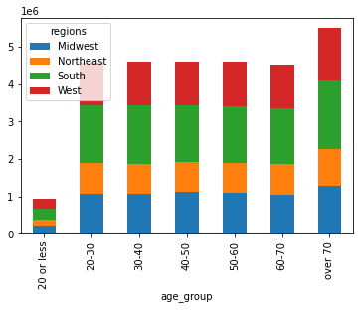

 |  |  | We have similar distribution of customers in terms of age group, across different regions in the country

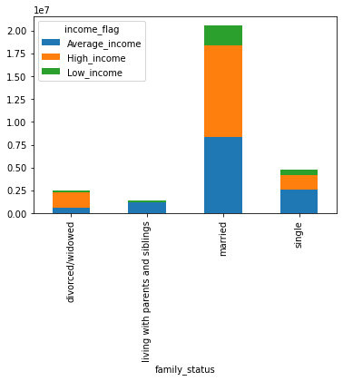

 |  |  | In this stacked bar chart we can see distribution of family status of our customer and their range of incomes from Low to Average to High Income

 |  |  | Recommendation : Customers with married status forms the highest customer base of the Instacart. Also they the customers with highest income, reason could be they have multiple people earning in the family , also they are middle age groups, by then most of the persons start falling in the higher income ranges

