CarSpeeds
Before | Shortly After | After | We'll conduct two significance tests:
33 | 28 | 30 | 1) Compare speeds shortly after to before
34 | 24 | 30 | 2) Compare speeds after to before
32 | 34 | 27
32 | 34 | 30 | We're comparing the means of three sets of independent (unpaired) samples.
26 | 37 | 25 | Since we're testing whether there was a reduction in speed, which implies a one-tailed test to the left.
22 | 23 | 28
31 | 32 | 28 |  | SAMPLE DATA |  |  | HYPOTHESIS TEST
34 | 26 | 28 |  | Before | Shortly After | After |  | Shortly After | After
31 | 27 | 36 | n: | 100 | 100 | 100 | Ho: | d >= 0 | d >= 0
32 | 26 | 28 | n-1: | 99 | 99 | 99 | Ha: | d < 0 | d < 0
37 | 34 | 36 | Mean: | 29.86 | 27.75 | 29.81 | Alpha: | 0.1 | 0.05
29 | 26 | 25 | Variance: | 16.626666667 | 14.593434343 | 11.892828283 | Standard Error: | 0.55874950568 | 0.53403646832
27 | 30 | 29 | s2/n: | 0.16626666667 | 0.14593434343 | 0.11892828283 | Test Statistic (t): | -3.7762896943 | -0.093626564788
29 | 34 | 35 |  |  |  |  | Degrees of Freedom: | 197.16375701 | 192.69109638
30 | 28 | 35 |  |  |  |  | P-value: | 0.00010535066257 | 0.46275171779
31 | 20 | 29 |  |  |  |  |  | REJECT | FAIL TO REJECT
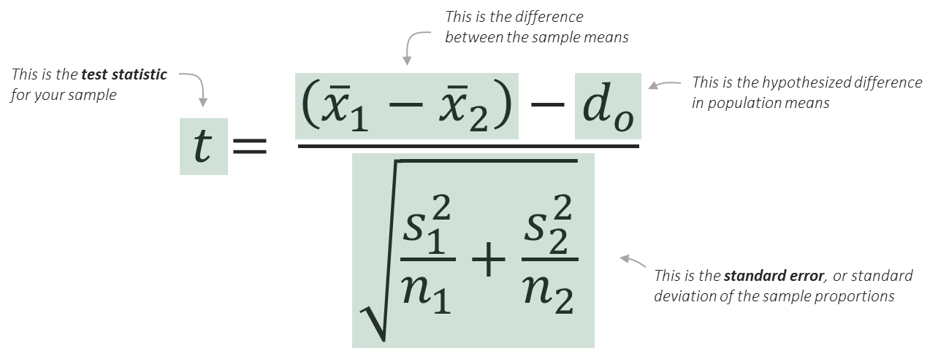
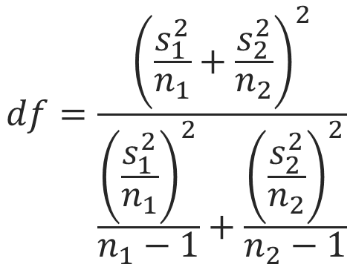
30 | 30 | 32
36 | 26 | 27
35 | 32 | 30
32 | 22 | 25
34 | 25 | 28
35 | 28 | 29
34 | 24 | 36
28 | 31 | 26
26 | 28 | 29
34 | 21 | 30
30 | 34 | 33
33 | 28 | 34
26 | 29 | 32
28 | 28 | 24
24 | 32 | 28
35 | 30 | 32
34 | 29 | 34
34 | 32 | 31 | Interpretation of results:
38 | 26 | 20 | We can confirm with 90% confidence that there is a significant reduction in speeds shortly after putting up the sign, but we can't confirm with 90% confidence that there is a significant reduction in speeds after the sign has been up for a longer period of time.
43 | 27 | 32
27 | 25 | 27
27 | 29 | 26
26 | 24 | 32
28 | 30 | 26
24 | 26 | 27
33 | 31 | 34
24 | 28 | 29
34 | 33 | 34
27 | 26 | 29
31 | 23 | 27
26 | 23 | 28
22 | 29 | 26
29 | 27 | 33
31 | 36 | 26
29 | 28 | 28
30 | 29 | 33
35 | 32 | 27
29 | 24 | 38
30 | 21 | 36
24 | 25 | 27
36 | 24 | 24
28 | 24 | 29
36 | 29 | 28
30 | 28 | 26
28 | 28 | 28
31 | 26 | 35
28 | 28 | 35
22 | 29 | 24
38 | 32 | 31
26 | 25 | 33
28 | 28 | 27
29 | 26 | 29
27 | 29 | 33
29 | 22 | 35
25 | 24 | 30
37 | 28 | 32
36 | 22 | 29
25 | 30 | 26
32 | 19 | 30
24 | 30 | 25
26 | 32 | 31
27 | 24 | 30
29 | 26 | 33
28 | 28 | 29
26 | 27 | 32
28 | 28 | 28
26 | 30 | 34
26 | 24 | 33
28 | 23 | 29
26 | 33 | 30
28 | 34 | 26
32 | 26 | 28
35 | 26 | 31
24 | 29 | 30
30 | 28 | 26
27 | 27 | 30
30 | 36 | 29
33 | 29 | 28
31 | 24 | 35
31 | 25 | 34
28 | 27 | 33
25 | 23 | 25
29 | 25 | 31
33 | 36 | 33

