mLSTM
https://arxiv.org/abs/2405.04517
Extended Long Short Term Memory (xLSTM) | AI by Hand ✍️ © 2024 Tom Yeh
 | 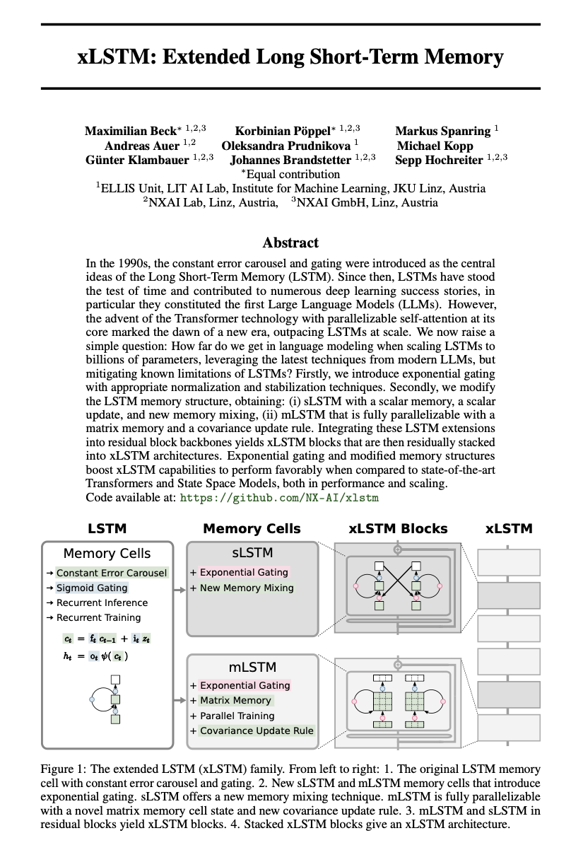 |  |  |  |  |  |  | 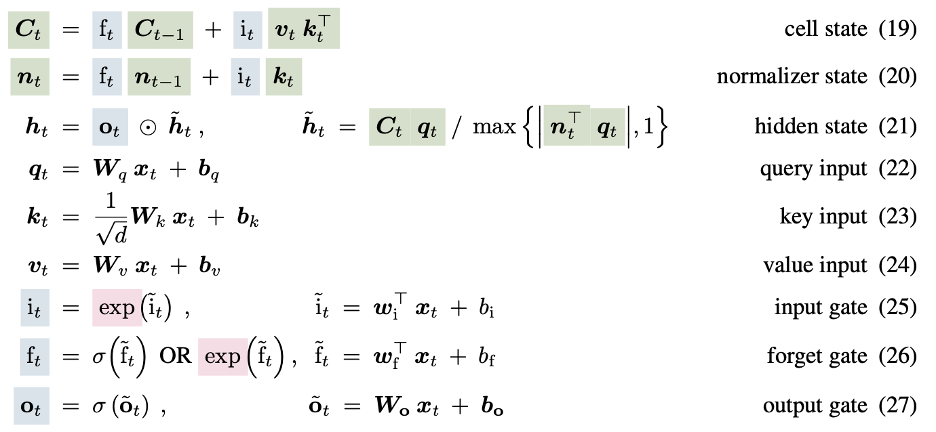

$$x_{t}$$
$$x_{t}$$
 |  |  |  |  |  |  | Time |  | t = | 1 |  |  |  |  |  |  | 2

Long-term Memory
Short-term Memory
 |  |  |  |  |  |  |  |  |  | 1 |  |  |  |  |  |  | 2
 |  |  |  |  |  |  |  |  |  | 2 |  |  |  |  |  |  | -1
 |  |  |  |  |  |  |  |  |  | 1 |  |  |  |  |  |  | 1
Cell State
Normalizer State
Cell State
Normalizer State
 |  |  |  |  |  |  |  |  |  | 1 |  |  |  |  |  |  | 1
Gates
 |  |  |  |  |  |  |  |  |  | ↓ |  |  |  |  |  |  | ↓
mLSTM
$$C_{t−1}$$
mLSTM
$$C_{t−1}$$
$$n_{t−1}$$
Parameters
$$n_{t−1}$$
(26) Forget Gate: ${f_{t}=σ(\tilde{f}}_{t}), {\tilde{f}}_{t}=w_{f}x_{t}+b_{f}$
 |  |  |  |  |  |  |  |  |  |  |  | 0 | 0 |  |  | 1 |  |  | 0.26013004751 | -0.076190326926 |  |  | 0.63946301705
 |  |  |  |  |  |  |  |  |  |  |  | 0 | 0 |  |  | 1 |  |  | 0.52026009502 | -0.15238065385 |  |  | -0.033177731829
 |  |  |  |  |  |  |  |  |  |  |  | ⊙ |  |  |  | ⊙ |  |  | ⊙ |  |  |  | ⊙
$$w_{f}$$
$$b_{f}$$
$${\tilde{f}}_{t}$$
$$f_{t}$$
$$f_{t}$$
$${\tilde{f}}_{t}$$
$$f_{t}$$
$$f_{t}$$
 |  |  |  |  |  |  |  |  |  |  | σ |  |  |  |  |  |  | σ
 |  |  |  |  | 0 | -1 | 0 | 0 | → | -2 | 〜 | 0.11920292202 |  |  |  | 0.11920292202 | 1 | 〜 | 0.73105857863 |  |  |  | 0.73105857863

(22) Query Input: ${q_{t}=W}_{q}x_{t}+b_{q}$
 |  |  |  |  |  |  |  |  |  |  |  | + |  |  |  | + |  |  | + |  |  |  | +
$$W_{q}$$
$$b_{q}$$
$$q_{t}$$
$$q_{t}$$
$$q_{t}$$
$$q_{t}$$
(23) Key Input: ${k_{t}=\frac{1}{\sqrt{d}}W}_{K}x_{t}+b_{k}$
${\frac{1}{\sqrt{d}}W}_{K}$
 |  |  |  |  | 1 | 0 | 1 | -1 | → | 1 |  |  |  |  | 1 |  | 2 |  |  |  |  | 2
 |  |  |  |  | 0 | 1 | 1 | -1 |  | 2 |  |  |  |  | 2 |  | -1 |  |  |  |  | -1
 |  |  |  |  |  |  |  |  |  |  |  |  |  |  | ↓ |  |  |  |  |  |  | ↓
$$W_{k}$$
$$b_{k}$$
$$k_{t}$$
$$k_{t}^{T}$$
$$k_{t}$$
$$k_{t}$$
$$k_{t}^{T}$$
$$k_{t}$$
(24) Value Input: ${v_{t}=W}_{v}x_{t}+b_{v}$
store
store
 |  | 0 | 1 | 0 | 0 | 0.70710678119 | 0 | 0 | → | 1.4142135624 |  |  |  |  |  | 1.4142135624 | -0.70710678119 |  |  |  |  |  | -0.70710678119
 |  | -1 | 0 | -1 | -0.70710678119 | 0 | -0.70710678119 | 1 | → | -0.41421356237 |  | 1.4142135624 | -0.41421356237 |  |  | -0.41421356237 | -1.1213203436 |  | -0.70710678119 | -1.1213203436 |  |  | -1.1213203436
 |  |  |  |  |  |  |  |  |  |  |  | ↓ | ↓ |  |  |  |  |  | ↓ | ↓
$$W_{v}$$
$$b_{v}$$
$$v_{t}$$
$$v_{t}k_{t}^{T}$$
$$v_{t}$$
$$v_{t}k_{t}^{T}$$
(25) Input Gate: ${i_{t}=exp(\tilde{i}}_{t}), {\tilde{i}}_{t}=w_{i}x_{t}+b_{i}$
 |  |  |  |  | 1 | 0 | 0.5 | -1 | → | 0.5 | → | 0.70710678119 | -0.20710678119 |  |  |  | 1.5 | → | -1.0606601718 | -1.6819805153
 |  |  |  |  | -1 | 1 | 2 | -2 |  | 1 | → | 1.4142135624 | -0.41421356237 |  |  |  | -3 | → | 2.1213203436 | 3.3639610307
 |  |  |  |  |  |  |  |  |  |  |  | ⊙ |  |  |  | ⊙ |  |  | ⊙ |  |  |  | ⊙
$$w_{i}$$
$$b_{i}$$
$${\tilde{i}}_{t}$$
$$i_{t}$$
$$i_{t}$$
$${\tilde{i}}_{t}$$
$$i_{t}$$
$$i_{t}$$
$$i_{t}$$
 |  |  |  |  |  |  |  |  |  |  | exp |  |  |  |  |  |  | exp
 |  |  |  |  | 1 | -1 | 1 | -1 | → | -1 | 〜 | 0.36787944117 |  |  |  | 0.36787944117 | 3 | 〜 | 20.085536923 |  |  |  | 20.085536923
retrieve
$$C_{t}q_{t}$$
retrieve
$$C_{t}q_{t}$$
 |  |  |  |  |  |  |  |  |  |  |  | ↓ |  |  |  | ↓ |  |  | ↓ |  |  |  | ↓
(19) Cell State: $C_{t}={(C}_{t−1})f_{t}+{{(v}_{t}k_{t}^{T}\text{)} i}_{t}$
$$C_{t}$$
$$n_{t}$$
$$C_{t}$$
$$n_{t}$$
(20) Normalizer State: $n_{t}=n_{t−1}f_{t}+{k_{t} i}_{t}$
 |  |  |  |  |  |  |  |  |  |  |  | 0.26013004751 | -0.076190326926 | → | 0.10774939366 | 0.63946301705 |  |  | -21.11375874 | -33.839181337 | → | -8.3883361439 | -13.735134438
 |  |  |  |  |  |  |  |  |  |  |  | 0.52026009502 | -0.15238065385 | → | 0.21549878732 | -0.033177731829 |  |  | 42.988198692 | 67.455564306 | → | 18.520833078 | -22.546576029
 |  |  |  |  |  |  |  |  |  |  |  |  |  |  | / |  |  |  |  |  |  | /
(21-b) Hidden state: ${\tilde{h}}_{t}=C_{t}q_{t} /max⁡(\{|n_{t}q_{t}^{T}|,1\}\text{)}$
$$max⁡(\{|n_{t}q_{t}^{T}|,1\}\text{)}$$
$$max⁡(\{|n_{t}q_{t}^{T}|,1\}\text{)}$$
 |  |  |  |  |  |  |  |  |  |  |  |  |  |  | 1 |  |  |  |  |  |  | 452.86008532
 |  |  |  |  |  |  |  |  |  |  |  |  |  |  | ↓ |  |  |  |  |  |  | ↓
$${\tilde{h}}_{t}$$
$${\tilde{h}}_{t}$$
(27) Output Gate: ${o_{t}=σ(\tilde{o}}_{t}), {\tilde{o}}_{t}=W_{o}x_{t}+b_{o}$
 |  |  |  |  |  |  |  |  |  |  |  |  |  |  | 0.10774939366 |  |  |  |  |  |  | -0.018523019396
 |  |  |  |  |  |  |  |  |  |  |  |  |  |  | 0.21549878732 |  |  |  |  |  |  | 0.040897472926
 |  |  |  |  |  |  |  |  |  |  |  |  |  |  | ⊙ |  |  |  |  |  |  | ⊙
$$W_{o}$$
$$b_{o}$$
$${\tilde{o}}_{t}$$
$$o_{t}$$
$${\tilde{o}}_{t}$$
$$o_{t}$$
 |  |  |  |  |  |  |  |  |  |  | σ |  |  |  |  |  |  | σ
 |  |  |  |  | 1 | 1 | 0 | 1 | → | 4 | 〜 |  |  |  | 0.98201379004 |  | 2 | 〜 |  |  |  | 0.88079707798
 |  |  |  |  | 0 | 0 | -1 | 2 | → | 1 | 〜 |  |  |  | 0.73105857863 |  | 1 | 〜 |  |  |  | 0.73105857863
 |  |  |  |  |  |  |  |  |  |  |  |  |  |  | ↓ |  |  |  |  |  |  | ↓
(21-a) Hidden State: $h_{t}=o_{t}⊙{\tilde{h}}_{t}$
$$h_{t}$$
$$h_{t}$$
 |  |  |  |  |  |  |  |  |  |  |  |  |  |  | 0.10581139044 |  |  |  |  |  |  | -0.016315021359
 |  |  |  |  |  |  |  |  |  |  |  |  |  |  | 0.15754223715 |  |  |  |  |  |  | 0.029898448427
 |  |  |  |  |  |  |  |  |  |  |  |  |  |  | ↓ |  |  |  |  |  |  | ↓

