Sheet1
 | partner1 | partner2 | Analys 9 ileum4wk AbxHFHS sp Coefficient_Expt_1 | Analys 9 ileum4wk AbxHFHS sp Coefficient_Expt_2 | Analys 9 ileum4wk AbxHFHS sp CategCorPVal_Expt_1 | Analys 9 ileum4wk AbxHFHS sp CategCorPVal_Expt_2 | Analys 9 ileum4wk AbxNCD sp Coefficient_Expt_1 | Analys 9 ileum4wk AbxNCD sp Coefficient_Expt_2 | Analys 9 ileum4wk AbxNCD sp CategCorPVal_Expt_1 | Analys 9 ileum4wk AbxNCD sp CategCorPVal_Expt_2 | Analys 9 sp ileum4wk AbxHFHS vs ileum4wk AbxNCD DiffCorrs_Expt_1 | Analys 9 sp ileum4wk AbxHFHS vs ileum4wk AbxNCD DiffCorrs_Expt_2 | Analys 9 sp ileum4wk AbxHFHS vs ileum4wk AbxNCD pvalue_Expt_1 | Analys 9 sp ileum4wk AbxHFHS vs ileum4wk AbxNCD pvalue_Expt_2 | Analys 9 sp ileum4wk AbxHFHS vs ileum4wk AbxNCD FDR_Expt_1 | Analys 9 sp ileum4wk AbxHFHS vs ileum4wk AbxNCD FDR_Expt_2 | combinedPvalue | combinedDiffCoefficient | combinedFDR | combCategCorPVal_ileum4wk AbxHFHS | combCategCoeff_ileum4wk AbxHFHS | pass_consis_ileum4wk AbxHFHS | combCategFDR_ileum4wk AbxHFHS | combCategCorPVal_ileum4wk AbxNCD | combCategCoeff_ileum4wk AbxNCD | pass_consis_ileum4wk AbxNCD | combCategFDR_ileum4wk AbxNCD | partner1InFold | partner1_FoldChange | partner2InFold | partner2_FoldChange | partner1_FoldChange.FoldChangeDirection | partner2_FoldChange.FoldChangeDirection | IfFoldChangeDirectionMatch | combCategCoeff_ileum4wk AbxHFHS.correlationDirection | PUC_ileum4wk AbxHFHS | combCategCoeff_ileum4wk AbxNCD.correlationDirection | PUC_ileum4wk AbxNCD
ENSMUSG00000000058<==>ENSMUSG00000000028 | ENSMUSG00000000058 | ENSMUSG00000000028 | 0.6 | 0.61558701125 | 0.35 | 0.26899777012 | -0.15389675281 | -0.4 | 0.80482881661 | 0.51666666667 | 0.75389675281 | 1.0155870113 | 0.39628401819 | 0.25365483375 | 0.98302839519 | 0.90333012675 | 0.33145302609 | 0.885 | 0.91212643008 | 0.31661199202 | 0.608 | 1 | 1 | 0.78071043091 | -0.277 | 1 | 1 | ENSMUSG00000000058 | 0.64841977733 | ENSMUSG00000000028 | 0.90563398302 | -1 | -1 | 1 | 1 | 1 | -1 | -1
ENSMUSG00000000416<==>ENSMUSG00000000154 | ENSMUSG00000000416 | ENSMUSG00000000154 | -0.22360679775 | -0.4472135955 | 0.71768564421 | 0.45018485575 | -0.97467943448 | -1 | 0.0048182304682 | 0.016666666667 | 0.75107263673 | 0.5527864045 | 0.051078143597 | 0 | 0.72125942409 | 0 | 0 | 0.652 | 0 | 0.68812631651 | -0.335 | 1 | 1 | 0.00083754441807 | -0.987 | 1 | 0.95021068468 | ENSMUSG00000000416 | 0.78078649261 | ENSMUSG00000000154 | 1.3122112546 | -1 | 1 | -1 | -1 | 1 | -1 | 1
ENSMUSG00000000581<==>ENSMUSG00000000149 | ENSMUSG00000000581 | ENSMUSG00000000149 | 0.7 | 1 | 0.23333333333 | 0.016666666667 | -0.8 | 0.6 | 0.13333333333 | 0.35 | 1.5 | 0.4 | 0.049308682347 | 0 | 0.69902159904 | 0 | 0 | 0.95 | 0 | 0.025470790313 | 0.85 | 1 | 1 | 0.18968717344 | -0.1 | 0 | 0.95021068468 | ENSMUSG00000000581 | 1.4191233562 | ENSMUSG00000000149 | 1.1558867066 | 1 | 1 | 1 | 1 | 1 | -1 | 0
ENSMUSG00000000739<==>ENSMUSG00000000600 | ENSMUSG00000000739 | ENSMUSG00000000600 | 0.3 | 0.1 | 0.68333333333 | 0.95 | -1 | -0.2 | 0.016666666667 | 0.78333333333 | 1.3 | 0.3 | 0 | 0.76183811513 | 0 | 0.97430807812 | 0 | 0.8 | 0 | 0.92964937528 | 0.2 | 1 | 1 | 0.069697625436 | -0.6 | 1 | 0.95021068468 | ENSMUSG00000000739 | 1.7171308729 | ENSMUSG00000000600 | 0.79388393093 | 1 | -1 | -1 | 1 | -1 | -1 | 1

 | /nfs3/PHARM/Morgun_Lab/richrr/Type2_Diabetes/RNA-Seq/analysis/t2-liver/rel_quantile/merged/corr/sp/p1_cp1_cfdr1/per_analysis/diet
 | library(psych)
 | > r.test(n=5, 0.6,-0.1539,n2=5)$p
 | [1] 0.3962822
 | > r.test(n=5, -0.22361,-0.97468,n2=5)$p
 | [1] 0.0510772
 | > r.test(n=5, -0.44721,-1,n2=5)$p
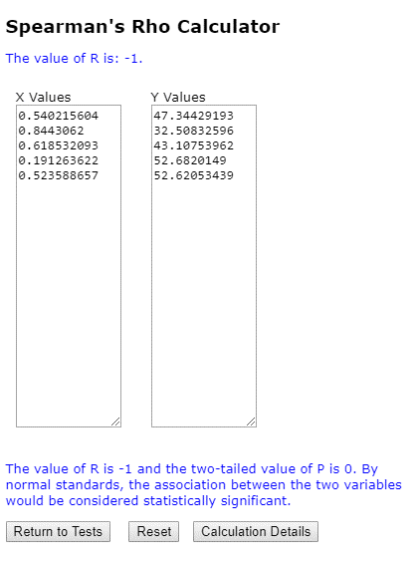
 | [1] 0
 | > r.test(n=5, 1, 0.6,n2=5)$p
 | [1] 0
 | > r.test(n=5, 0.1, -0.2,n2=5)$p
 | [1] 0.7618381
 | https://www.personality-project.org/r/html/r.test.html

t2 ncd abx3 | http://www.socscistatistics.com/tests/spearman/default2.aspx
ENSMUSG00000000416 | ENSMUSG00000000154
0.54021560428 | 47.344291933
0.84430619997 | 32.508325955
0.61853209254 | 43.107539624
0.19126362189 | 52.682014896
0.5235886572 | 52.620534389

The value of R is -1 and the two-tailed value of P is 0. By normal standards, the association between the two variables would be considered statistically significant.

