Sheet1
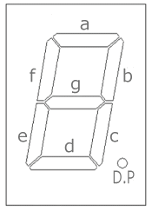
Segment | X | Y | W | H
Separation |  |  | 2 | 2
a | 9.55 | 158.484 | 75.242 | 15.1
b | 79.242 | 88.792 | 15.1 | 75.242
c | 79.242 | 9.55 | 15.1 | 75.242
d | 9.55 | 0 | 75.242 | 15.1
e | 0 | 9.55 | 15.1 | 75.242
f | 0 | 88.792 | 15.1 | 75.242
g | 9.55 | 79.242 | 75.242 | 15.1

Pico Pinouts
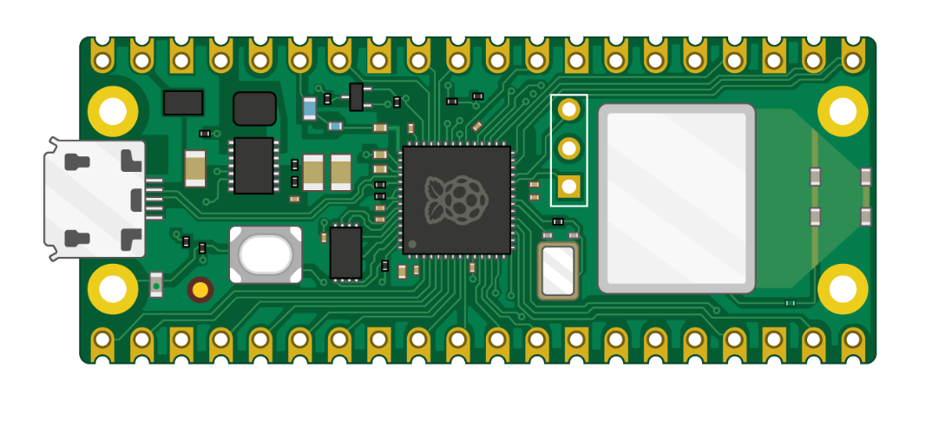
Pin | GPIO | Function | Device | Device Pin | Pin | GPIO | Function | Device | Device Pin
1 | 0 | GP0 |  |  | 40 |  | VBUS | Neopixels | PWR
2 | 1 | GP1 |  |  | 39 |  | VSYS
3 |  | GND |  |  | 38 |  | GND | SD Card & OLED | GND
4 | 2 | GP2 |  |  | 37 |  | 3V3_EN
5 | 3 | GP3 |  |  | 36 |  | 3V3(OUT) | SD Card & OLED | 3V
6 | 4 | GP4 | OLED | SDA | 35 |  | ADC_VREF
7 | 5 | GP5 | OLED | SCK | 34 | 28 | GP28 | Neopixels | Data in
8 |  | GND |  |  | 33 |  | GND | Neopixels | GND
9 | 6 | GP6 |  |  | 32 | 27 | GP27
10 | 7 | GP7 |  |  | 31 | 26 | GP26 | Remote | IR_IN
11 | 8 | GP8 |  |  | 30 |  | RUN
12 | 9 | GP9 |  |  | 29 | 22 | GP22
13 |  | GND |  |  | 28 |  | GND
14 | 10 | GP10 |  |  | 27 | 21 | GP21
15 | 11 | GP11 |  |  | 26 | 20 | GP20 | SD Card | CD
16 | 12 | GP12 |  |  | 25 | 19 | GP19 | SD Card | MOSI
17 | 13 | GP13 |  |  | 24 | 18 | GP18 | SD Card | SCK
18 |  | GND |  |  | 23 |  | GND
19 | 14 | GP14 |  |  | 22 | 17 | GP17 | SD Card | CS
20 | 15 | GP15 |  |  | 21 | 16 | GP16 | SD Card | MISO

Pico Pinouts (2)

Device Pin | Device | Function | GPIO | Pin | Pin | GPIO | Function | Device | Device Pin
SDA | OLED | GP0 | 0 | 1 | 40 |  | VBUS | Neopixels | PWR
SCK | OLED | GP1 | 1 | 2 | 39 |  | VSYS
 |  | GND |  | 3 | 38 |  | GND | SD Card & OLED | GND
 |  | GP2 | 2 | 4 | 37 |  | 3V3_EN
 |  | GP3 | 3 | 5 | 36 |  | 3V3(OUT) | SD Card & OLED | 3V
 |  | GP4 | 4 | 6 | 35 |  | ADC_VREF
 |  | GP5 | 5 | 7 | 34 | 28 | GP28 | Neopixels | Data in
 |  | GND |  | 8 | 33 |  | GND | Neopixels | GND
 |  | GP6 | 6 | 9 | 32 | 27 | GP27
 |  | GP7 | 7 | 10 | 31 | 26 | GP26
MISO | SD Card | GP8 | 8 | 11 | 30 |  | RUN
CS | SD Card | GP9 | 9 | 12 | 29 | 22 | GP22
 |  | GND |  | 13 | 28 |  | GND
SCK | SD Card | GP10 | 10 | 14 | 27 | 21 | GP21
MOSI | SD Card | GP11 | 11 | 15 | 26 | 20 | GP20
CD | SD Card | GP12 | 12 | 16 | 25 | 19 | GP19
 |  | GP13 | 13 | 17 | 24 | 18 | GP18
 |  | GND |  | 18 | 23 |  | GND
 |  | GP14 | 14 | 19 | 22 | 17 | GP17
 |  | GP15 | 15 | 20 | 21 | 16 | GP16

