R-Divider
DVM1 - Input Attenuator
 |  |  | Enter
 |  |  | Calc

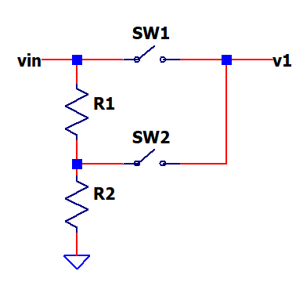
R-Divider
Gain
Vin | 20.0 | input
V1 | 4.0 | output
K | 0.20 | V1/Vin

Calc R1, R2
Rtot | 1,000,000 | Rin
R1 | 800,000 | Rtot*(1-K)
R2 | 200,000 | Rtot*K

Choose 1% values
R1' | 806,000 | from table of 1% resistor values.
R2' | 200,000

Calc max power
Vmax | 50 | overvoltage condition
P_R1 (W) | 0.002 | (Vmax*(1-K))^2 / R1
P_R2 (W) | 0.001 | (Vmax*(1-K))^2 / R2

Calc exact K with 1% values
K' | 0.199 | R2'/(R1'+R2')

Opto SSR
DVM1 - Input Attenuator
 |  |  | Enter
 |  |  | Calc

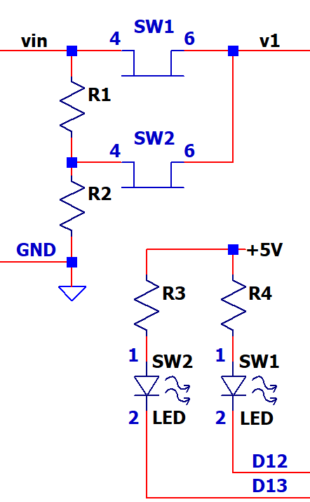
OPTO Solid-State-Switches (SSR)
Gain
Vcc | 5.0 | Supply voltage to drive LED
I_led | 0.0030 | LED operate current min (datasheet)
V_led | 1.1 | LED voltage at I_led (datasheet(
Rled | 1300 | (Vcc - Vled)/I_led (max resistor)

Enter actual resistor and calc LED current
Rled | 1,000 | choose resistor
I_led | 0.0039 | (Vcc - Vled)/R_led (actual current)

Calc max power
P_Rled (W) | 0.0152 | (Vcc - Vled) * I_led (max resistor)

LP Filter
DVM1 - Low-Pass Filter
(4V Range, no divider) |  |  | Enter
 |  |  | Calc

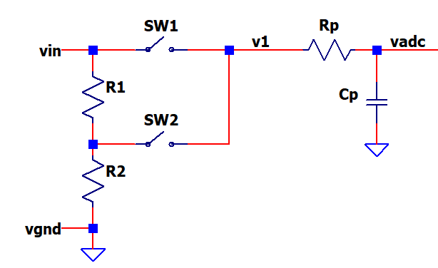
Input noise freq and atten
fnoise (Hz) | 60
H(fnoise) | 0.1 | desired attenuation at fnoise

Calc filter fc and Tau
fc | 6.0 | fc = fnoise * H(fnoise)
Tau1 (s) | 0.027 | 1/(2*pi*fc)

RC values
Choose RP1 | 200,000
Calc CP1 | 1.33E-07 | Tau1/RP1
Choose actual CP1 | 1.50E-07 | 1/(2*pi*fc)

Actual filter
Tau1 | 0.030 | RP1*CP1
fc | 5.305 | 1/(2*pi*Tau1)

Settling time
ts 1% (s) | 0.138 | -ln(0.01) / ln( e ) * Tau
ts 0.1% (s) | 0.207 | -ln(0.001) / ln( e ) * Tau

ADC
DVM1 - ADC
 |  |  | Enter
 |  |  | Calc

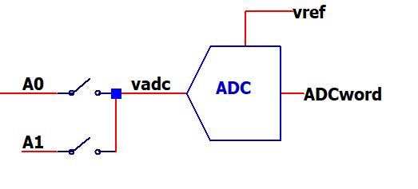
Resolution
Vref | 5.0
Nbits | 10
Ncounts | 1024 | 2^N
Vres (V/LSB) | 0.00488 | 1/Ncounts*Vref

Analog to Digital Conversion
Vadc (in) | 0.500 | Analog input voltage
ADCword (out) | 102 | Vadc / Vref * 2^Nbits

ADCword (out) | 512 | Digital output word
Vadc (in) | 2.500 | ADCword / 2^Nbits * Vref

Conversion Time
Ncycles | 12 | CPU clock cycles for ADC conversion
fclk | 16,000,000 | CPU clock frequency
Nprescaler | 128 | ADC prescaler divides down CPU clock
Tsample (s) min | 0.000096 | Ncycles*1/fclk*Nprescaler
fsample (Hz) max | 10,417 | 1/Tsample

