Instructions
Tools
Analysis Help
Journal
Notes to FSs
FS Builder
Basic Information
Entity
Entity: | Coldwater Creek
Type: | For-profit corporation
Activity: | Retail
Dates and Period
Period Beginning: | 3/1/1997
Period Ending: | 2/28/1998
Period Length: | Year
Units and Shares
Units: | Dollars in Thousands
Shares Outstanding: | 10,120,118
Par Value per Share: | $0.01

Requirements:
Number | Action: | Item: |  |  | Completed? | Location:
#1 | Review | Chart of Accounts |  |  | FALSE | Instructions
#2 | Review | Actual Financial Statements |  |  | FALSE | Actual_Financial_Statements
#3 | Review | Notes to Financial Statements |  |  | FALSE | Notes_to_FSs
#4 | Prepare | Journal entries for transactions and events of the period |  |  | FALSE | Journal
#5 | Prepare | Ending Balance Sheet |  |  | FALSE | Financial_Statements_Builder
#6 | Prepare | Income Statement |  |  | FALSE | Financial_Statements_Builder
#7 | Prepare | Statement of Shareholders' Equity |  |  | FALSE | Financial_Statements_Builder
NOTE: This problem uses the YALEiE differently. Instead of being given information about transactions and events and generating financial statements, here you are given the financial statements and asked to specify transactions and events that could have given rise to them. The actual financial statements are on the Actual_Financial_Statements tab. The financial statements on the Financial_Statements_Builder tab are automatically constructed from the Journal. Closing is automated - see the entry at the bottom of the Journal.
Your job: Figure out a set of transactions and events that generate the actual financial statements. Do this by making entries in the Journal. You will need the T-account viewer.
#8 |  |  |  |  | FALSE
#9 |  |  |  |  | FALSE
#10 |  |  |  |  | FALSE
#11 |  |  |  |  | FALSE
#12 |  |  |  |  | FALSE
#13 |  |  |  |  | FALSE
#14 |  |  |  |  | FALSE
#15 |  |  |  |  | FALSE

Chart of Accounts

Permanent Accounts | Assets |  | Liabilities |  | Equities
 | Name | Current/Noncurrent | Name | Current/Noncurrent
 | Cash | C | Accounts Payable | C | Common Stock
 | Accounts Receivable | C | Revolving Line of Credit | C | Additional Paid-in Capital
 | Inventories | C | Taxes (Payable & Deferred) | NC | Retained Earnings
 | Prepaid Expenses | C | Accrued Liabilities | C
 | Property, Plant & Equipment | NC
 | Accumulated Depreciation | NC
 | Catalog Costs (Prepaid & Deferred) | NC
 | Executive Loans | NC

Temporary Accounts | Revenues |  | Expenses |  | Gains |  | Losses
 | Sales |  | Cost of Goods Sold
 | Interest (net) and Other |  | Selling, General and Administrative Expenses
 |  |  | Tax Expense

This problem will help you:
#1 | Expand your financial vocabulary.
#2 | Better understand Balance Sheets.
#3 | Better understand Income Statements.
#4 | Use T-account notation for analyzing individual assets, liabilities and equities.
#5 | Begin to develop ability to extract information about transactions and event from financial statements

Journal
Tools
Analysis Help
Instructions
Notes to FSs
FS Builder
Transaction # |  | Coldwater Creek Journal for 03/01/1997 to 02/28/1998 |  |  | Balance? | YES
Transaction Description
Transaction Info

Transaction # | Accnt Type | Debit Account | Credit Account | Dr Amt | Cr Amt | Cash Flow
1
1

2
2

3
3

4
4

5
5

6
6

7
7

8
8

9
9

10
10

11
11

12
12

13
13

14
14

15
15

16
16

17
17

18
18

19 | Revenue | Sales |  | -
19 | Revenue | Interest (net) and Other |  | -
19 | Equity | Retained Earnings |  | -
19 | Expense |  | Cost of Goods Sold |  | -
19 | Expense |  | Selling, General and Administrative Expenses |  | -
19 | Expense |  | Tax Expense |  | -
19 | Equity |  | Retained Earnings |  | -

Financial_Statements_Builder
Capture_FSs
 |  |  | Coldwater Creek |  |  |  |  |  | 0
 |  |  | Dollars in Thousands |  |  |  |  |  | 0
 |  |  |  |  |  |  | Presentation Mode | FALSE
 |  |  | 3/1/1997 |  |  |  | Explanations of Changes over the Year |  |  |  |  | 2/28/1998

 |  |  | Balance Sheet |  | 1 |  | Income Statement |  |  | 1 | 1 | Balance Sheet
 |  | 2 | Assets |  |  | 2 | Revenues |  |  | 2 | 2 | Assets

 |  | 4 | Current Assets: |  |  | 6 | Sales | 0 |  |  | 4 | Current Assets:
 |  | 6 | Cash | 9095 |  | 7 | Interest (net) and Other | 0 |  |  | 6 | Cash | 9095
 |  | 7 | Accounts Receivable | 2342 |  | 5 | Total Revenues | $- |  |  | 7 | Accounts Receivable | 2342
 |  | 7 | Inventories | 25279 |  |  |  |  |  |  | 7 | Inventories | 25279
 |  | 7 | Prepaid Expenses | 456 |  | 2 | Expenses |  |  |  | 7 | Prepaid Expenses | 456
 |  | 5 | Total Current Assets | 37172 |  |  |  |  |  |  | 5 | Total Current Assets | 37172
 |  |  |  |  |  | 6 | Cost of Goods Sold | 0
 |  | 4 | Noncurrent Assets: |  |  | 7 | Selling, General and Administrative Expenses | 0 |  |  | 4 | Noncurrent Assets:
 |  | 6 | Property, Plant & Equipment | 24415 |  | 7 | Tax Expense | 0 |  | 2 | 6 | Property, Plant & Equipment | 24415
 |  | 7 | Accumulated Depreciation | -4335 |  | 5 | Total Expenses | $- |  |  | 7 | Accumulated Depreciation | -4335
 |  | 7 | Catalog Costs (Prepaid & Deferred) | 4722 |  |  |  |  |  |  | 7 | Catalog Costs (Prepaid & Deferred) | 4722
 |  | 7 | Executive Loans | 0 |  | 3 | Net Income | 0 |  |  | 7 | Executive Loans | 0
 |  | 5 | Total Noncurrent Assets | 24802 |  |  |  |  |  |  | 5 | Total Noncurrent Assets | 24802

 |  | 3 | Total Assets | 61974 |  |  |  |  |  |  | 3 | Total Assets | 61974

 |  | 2 | Liabilities |  |  |  |  |  |  |  | 2 | Liabilities

 |  | 4 | Current Liabilities: |  |  |  |  |  |  |  | 4 | Current Liabilities:
 |  | 6 | Accounts Payable | 18061 |  |  |  |  |  |  | 6 | Accounts Payable | 18061
 |  | 7 | Accrued Liabilities | 5969 |  |  |  |  |  |  | 7 | Accrued Liabilities | 5969
 |  | 7 | Revolving Line of Credit | 0 |  |  |  |  |  |  | 7 | Revolving Line of Credit | 0
 |  | 5 | Total Current Liabilities | 24030 |  |  |  |  |  |  | 5 | Total Current Liabilities | 24030

 |  | 4 | Noncurrent Liabilities: |  |  |  |  |  |  |  | 4 | Noncurrent Liabilities:
 |  | 6 | Taxes (Payable & Deferred) | 757 |  |  |  |  |  |  | 6 | Taxes (Payable & Deferred) | 757
 |  | 5 | Total Noncurrent Liabilities | 757 |  |  |  |  |  |  | 5 | Total Noncurrent Liabilities | 757

 |  | 3 | Total Liabilities | 24787 |  |  |  |  |  |  | 3 | Total Liabilities | 24787

 |  | 2 | Equities |  |  |  |  |  |  |  | 2 | Equities

 |  | 6 | Common Stock | 101 |  |  |  |  |  |  | 6 | Common Stock | 101
 |  | 7 | Additional Paid-in Capital | 38748 |  |  |  |  |  |  | 7 | Additional Paid-in Capital | 38748
 |  | 7 | Retained Earnings | -1662 |  |  |  |  |  |  | 7 | Retained Earnings | -1662

 |  | 3 | Total Equities | 37187 |  |  |  |  |  |  | 3 | Total Equities | 37187

 |  | 3 | Total Liabilities and Equities | 61974 |  |  |  |  |  |  | 3 | Total Liabilities and Equities | 61974

 | Disagree w Answer? |  |  |  |  |  | Student Selection - Complex | Selected by Student?
 | FALSE |  |  |  |  |  | Beginning Balance Sheet6 Current Assets | FALSE
 | TRUE |  |  |  |  |  | Beginning Balance Sheet6 Noncurrent Assets | FALSE |  |  |  | Income Statement
 | TRUE |  |  |  |  |  | Beginning Balance Sheet6 Current Liabilities | FALSE |  |  |  | Income Statement is shown
 |  |  |  |  |  |  | Beginning Balance Sheet6 Noncurrent Liabilities | FALSE |  |  |  | Revenues | TRUE
 |  |  |  |  |  |  | Beginning Balance Sheet6 Equities | FALSE |  |  |  | Expenses | TRUE
 | TRUE |  |  |  |  |  | Beginning Balance Sheet6 Equities6Preferred Stock | FALSE
 |  |  |  |  |  |  | Beginning Balance Sheet6 Equities6Common Stock | FALSE |  |  |  | Gains
 |  |  |  |  |  |  | Beginning Balance Sheet6 Equities6Additional Paid-in Capital | FALSE |  |  |  | Income Statement is shown | TRUE
 |  |  |  |  |  |  | Beginning Balance Sheet6 Equities6Retained Earnings | FALSE |  |  |  | Gains are active in the problem | FALSE
 |  |  |  |  |  |  | Beginning Balance Sheet6 Equities6Accumulated Other Comprehensive Income | FALSE |  |  |  | Gains have been selected | FALSE
 |  |  |  |  |  |  | Beginning Balance Sheet6 Equities6Treasury Stock | FALSE |  |  |  | Losses are active in the problem | FALSE
 |  |  |  |  |  |  | Beginning Balance Sheet6 Current Assets6Cash | FALSE |  |  |  | Losses have been selected | FALSE
 |  |  |  |  |  |  | Ending Balance Sheet6 Current Assets | FALSE |  |  |  | Show it: | FALSE
 |  |  |  |  |  |  | Ending Balance Sheet6 Noncurrent Assets | FALSE
 |  |  | Categories | Selected by Student? |  |  | Ending Balance Sheet6 Current Liabilities | FALSE |  |  |  | Losses
 |  |  | Current Assets | FALSE |  |  | Ending Balance Sheet6 Noncurrent Liabilities | FALSE |  |  |  | Income Statement is shown | TRUE
 |  |  | Noncurrent Assets | FALSE |  |  | Ending Balance Sheet6 Equities | FALSE |  |  |  | Gains are active in the problem | FALSE
 |  |  | Current Liabilities | FALSE |  |  | Ending Balance Sheet6 Equities6Preferred Stock | FALSE |  |  |  | Gains have been selected | FALSE
 |  |  | Noncurrent Liabilities | FALSE |  |  | Ending Balance Sheet6 Equities6Common Stock | FALSE |  |  |  | Losses are active in the problem | FALSE
 |  |  | Equities | FALSE |  |  | Ending Balance Sheet6 Equities6Additional Paid-in Capital | FALSE |  |  |  | Losses have been selected | FALSE
 |  |  | Revenues | FALSE |  |  | Ending Balance Sheet6 Equities6Retained Earnings | FALSE |  |  |  | Show it: | FALSE
 |  |  | Expenses | FALSE |  |  | Ending Balance Sheet6 Equities6Accumulated Other Comprehensive Income | FALSE
 |  |  | Gains | FALSE |  |  | Ending Balance Sheet6 Equities6Treasury Stock | FALSE |  |  |  | Statement of Changes in Shareholders Equity
 |  |  | Losses | FALSE |  |  | Ending Balance Sheet6 Current Assets6Cash | FALSE
 |  |  | Operating Activities | FALSE |  |  |  |  |  |  |  | When Statement of Shareholders' Equity is shown:
 |  |  | Financing Activities | FALSE |  |  |  |  |  |  |  | Beginning Shareholders' Equity | TRUE
 |  |  | Investing Activities | FALSE |  |  |  |  |  |  |  | Ending Shareholders' Equity | TRUE
 |  |  | Other Comprehensive Income | FALSE
 |  |  |  |  |  |  |  |  |  |  |  | Shareholders' Equity Accounts
 |  |  |  |  |  |  |  |  |  |  |  | Statement of Shareholders' Equity is automated | TRUE
 |  |  |  |  |  |  |  |  |  |  |  | Statement of Shareholders' Equity is shown | TRUE
 |  |  |  |  |  |  |  |  |  |  |  | Equities are selected | FALSE
 |  |  |  |  |  |  |  |  |  |  |  | Show it: | TRUE

 |  |  |  |  |  |  |  |  |  |  |  | Shareholders' Equity Accounts and Details
 |  |  |  |  |  |  |  |  |  |  |  | Statement of Shareholders' Equity is automated | TRUE
 |  |  |  |  |  |  |  |  |  |  |  | Equities are selected | FALSE
 |  |  |  |  |  |  |  |  |  |  |  | There is at least one amount to enter from Journal | TRUE
 |  |  |  |  |  |  |  |  |  |  |  | There is at least one amount to enter from FSBuilder | TRUE

 |  |  |  |  |  |  |  |  |  |  |  | Show it: | TRUE

 |  | Income Statement
 |  |  | Automated? | TRUE

 |  | Revenues |  |  | TRUE |  | Used in JournalAnswer? |  |  | 3
 |  | 6 |  |  | TRUE |  | Used in Journal? | 3/ | TRUE | 6 | FALSE
 |  | 7 |  |  |  |  |  | 35854 | FALSE | 7 | FALSE
 |  | 7 |  |  |  |  |  |  | TRUE | 7 | FALSE
 |  | 7 |  |  |  |  |  |  |  | 7 | FALSE
 |  | 7 |  |  |  |  |  |  |  | 7 | FALSE
 |  | 7 |  |  |  |  |  |  | TRUE | 7 | FALSE
 |  | 7 |  |  |  |  |  |  | FALSE | 7 | FALSE
 |  | 7 |  |  |  |  |  |  | FALSE | 7 | FALSE
 |  | 7 |  |  |  |  |  |  | FALSE | 7 | FALSE
 |  | 7 |  |  |  |  |  |  | TRUE | 7 | FALSE
 |  |  |  |  |  |  |  |  |  | 7 | FALSE
 |  | Expenses |  |  | TRUE |  | Used in JournalAnswer? |  |  | 7 | FALSE
 |  | 6 |  |  | TRUE |  | Used in Journal? |  | TRUE | 7 | FALSE
 |  | 7 |  |  |  |  |  |  | FALSE | 7 | FALSE
 |  | 7 |  |  |  |  |  |  | FALSE | 7 | FALSE
 |  | 7 |  |  |  |  |  |  | FALSE | 7 | FALSE
 |  | 7 |  |  |  |  |  |  | TRUE | 7 | FALSE
 |  | 7 |  |  |  |  |  |  |  | 7 | FALSE
 |  | 7 |  |  |  |  |  |  |  | 7 | FALSE
 |  | 7 |  |  |  |  |  |  | TRUE
 |  | 7 |  |  |  |  |  |  | FALSE
 |  | 7 |  |  |  |  |  |  | FALSE
 |  | 7 |  |  |  |  |  |  | TRUE
 |  | 7
 |  | 7
 |  | 7 |  |  |  |  |  |  | TRUE | 3
 |  | 7 |  |  |  |  |  |  | FALSE | 6 | FALSE
 |  | 7 |  |  |  |  |  |  | TRUE | 7 | FALSE
 |  | 7 |  |  |  |  |  |  |  | 7 | FALSE
 |  | 7 |  |  |  |  |  |  |  | 7 | FALSE
 |  | 7 |  |  |  |  |  |  | TRUE | 7 | FALSE
 |  | 7 |  |  |  |  |  |  | FALSE | 7 | FALSE
 |  |  |  |  |  |  |  |  | FALSE | 7 | FALSE
 |  |  |  |  |  |  |  |  | TRUE | 7 | FALSE
 |  |  |  |  |  |  |  |  |  | 7 | FALSE
 |  | Gains |  |  | FALSE |  | Used in JournalAnswer? |  | TRUE | 7 | FALSE
 |  | 6 |  |  | FALSE |  | Used in Journal? |  | TRUE | 7 | FALSE
 |  | 7 |  |  |  |  |  |  |  | 7 | FALSE
 |  | 7 |  |  |  |  |  |  |  | 7 | FALSE
 |  | 7 |  |  |  |  |  |  |  | 7 | FALSE
 |  | 7 |  |  |  |  |  |  |  | 7 | FALSE
 |  | 7 |  |  |  |  |  |  |  | 7 | FALSE
 |  | 7 |  |  |  |  |  |  |  | 7 | FALSE
 |  | 7 |  |  |  |  |  |  |  | 7 | FALSE
 |  | 7 |  |  |  |  |  |  |  | 7 | FALSE
 |  | 7

 |  | Losses |  |  | FALSE |  | Used in JournalAnswer?
 |  | 6 |  |  | FALSE |  | Used in Journal?
 |  | 7
 |  | 7
 |  | 7 |  |  |  |  |  |  |  | 3
 |  | 7 |  |  |  |  |  |  |  | 6 | FALSE
 |  | 7 |  |  |  |  |  |  |  | 7 | FALSE
 |  | 7 |  |  |  |  |  |  |  | 7 | FALSE
 |  | 7 |  |  |  |  |  |  |  | 7 | FALSE
 |  | 7 |  |  |  |  |  |  |  | 7 | FALSE
 |  | 7 |  |  |  |  |  |  |  | 7 | FALSE
 |  |  |  |  |  |  |  |  |  | 7 | FALSE
 |  |  |  |  |  |  |  |  |  | 7 | FALSE
 |  | Statement of Comprehensive Income |  |  |  |  |  |  |  | 7 | FALSE
 |  | 6 |  |  |  |  |  |  |  | 7 | FALSE
 |  | 7 |  |  |  |  |  |  |  | 7 | FALSE
 |  | 7 |  |  |  |  |  |  |  | 7 | FALSE
 |  | 7 |  |  |  |  |  |  |  | 7 | FALSE
 |  | 7 |  |  |  |  |  |  |  | 7 | FALSE
 |  |  |  |  |  |  |  |  |  | 7 | FALSE
 |  |  |  |  |  |  |  |  |  | 7 | FALSE
 |  |  |  |  |  |  |  |  |  | 7 | FALSE
 |  |  |  |  |  |  |  |  |  | 7 | FALSE
 |  |  |  |  |  |  |  |  |  | 7 | FALSE

 |  |  |  |  |  |  |  |  |  | 2
 |  |  |  |  |  |  |  |  |  | 2

 |  |  |  |  |  |  |  |  |  | 5
 |  |  |  |  |  |  |  |  |  | 5
 |  |  |  |  |  |  |  |  |  | 5

 |  |  |  |  |  |  |  |  |  | 5

 |  |  |  |  |  |  |  |  |  | 1
 |  |  |  |  |  |  |  |  |  | 6
 |  |  |  |  |  |  |  |  |  | 7
 |  |  |  |  |  |  |  |  |  | 7
 |  |  |  |  |  |  |  |  |  | 7
 |  |  |  |  |  |  |  |  |  | 7
 |  |  |  |  |  |  |  |  |  | 7
 |  |  |  |  |  |  |  |  |  | 7
 |  |  |  |  |  |  |  |  |  | 7
 |  |  |  |  |  |  |  |  |  | 7
 |  |  |  |  |  |  |  |  |  | 7
 |  |  |  |  |  |  |  |  |  | 7
 |  |  |  |  |  |  |  |  |  | 7
 |  |  |  |  |  |  |  |  |  | 7
 |  |  |  |  |  |  |  |  |  | 7
 |  |  |  |  |  |  |  |  |  | 7
 |  |  |  |  |  |  |  |  |  | 7
 |  |  |  |  |  |  |  |  |  | 7
 |  |  |  |  |  |  |  |  |  | 7
 |  |  |  |  |  |  |  |  |  | 7

 |  |  |  |  |  |  |  |  |  | 2

 |  |  |  |  |  |  |  |  |  | 6
 |  |  |  |  |  |  |  |  |  | 7
 |  |  |  |  |  |  |  |  |  | 7
 |  |  |  |  |  |  |  |  |  | 7
 |  |  |  |  |  |  |  |  |  | 7
 |  |  |  |  |  |  |  |  |  | 7
 |  |  |  |  |  |  |  |  |  | 7
 |  |  |  |  |  |  |  |  |  | 7
 |  |  |  |  |  |  |  |  |  | 7
 |  |  |  |  |  |  |  |  |  | 7
 |  |  |  |  |  |  |  |  |  | 7
 |  |  |  |  |  |  |  |  |  | 7
 |  |  |  |  |  |  |  |  |  | 7
 |  |  |  |  |  |  |  |  |  | 7
 |  |  |  |  |  |  |  |  |  | 7
 |  |  |  |  |  |  |  |  |  | 7
 |  |  |  |  |  |  |  |  |  | 7
 |  |  |  |  |  |  |  |  |  | 7
 |  |  |  |  |  |  |  |  |  | 7
 |  |  |  |  |  |  |  |  |  | 7
 |  |  |  |  |  |  |  |  |  | 7
 |  |  |  |  |  |  |  |  |  | 7
 |  |  |  |  |  |  |  |  |  | 7
 |  |  |  |  |  |  |  |  |  | 7
 |  |  |  |  |  |  |  |  |  | 7
 |  |  |  |  |  |  |  |  |  | 7
 |  |  |  |  |  |  |  |  |  | 7
 |  |  |  |  |  |  |  |  |  | 7
 |  |  |  |  |  |  |  |  |  | 7
 |  |  |  |  |  |  |  |  |  | 7
 |  |  |  |  |  |  |  |  |  | 6
 |  |  |  |  |  |  |  |  |  | 7
 |  |  |  |  |  |  |  |  |  | 7
 |  |  |  |  |  |  |  |  |  | 7
 |  |  |  |  |  |  |  |  |  | 7
 |  |  |  |  |  |  |  |  |  | 7
 |  |  |  |  |  |  |  |  |  | 7
 |  |  |  |  |  |  |  |  |  | 7
 |  |  |  |  |  |  |  |  |  | 7
 |  |  |  |  |  |  |  |  |  | 7
 |  |  |  |  |  |  |  |  |  | 6
 |  |  |  |  |  |  |  |  |  | 7
 |  |  |  |  |  |  |  |  |  | 7
 |  |  |  |  |  |  |  |  |  | 7
 |  |  |  |  |  |  |  |  |  | 7
 |  |  |  |  |  |  |  |  |  | 7
 |  |  |  |  |  |  |  |  |  | 7
 |  |  |  |  |  |  |  |  |  | 7
 |  |  |  |  |  |  |  |  |  | 7
 |  |  |  |  |  |  |  |  |  | 7

 |  |  |  |  |  |  |  |  |  | 2

 |  |  | Compare Beginning Balance Sheet above to answer: |  |  |  | Compare Income Statement above to answer: |  |  |  |  | Compare Ending Balance Sheet above to answer:
 |  |  | All lines chosen are in Answer? | TRUE |  |  | All lines chosen are in Answer? | FALSE |  |  |  | All lines chosen are in Answer | FALSE
 |  |  |  | Line in Answer? |  |  |  | Line in Answer? |  |  |  |  | Line in Answer?
 |  |  | Assets | TRUE |  |  | Revenues | TRUE |  |  |  | Assets | TRUE

 |  |  | Current Assets: | TRUE |  |  | Sales0 | FALSE |  |  |  | Current Assets: | TRUE
 |  |  | Cash9095 | TRUE |  |  | Interest (net) and Other0 | FALSE |  |  |  | Cash9095 | FALSE
 |  |  | Accounts Receivable2342 | TRUE |  |  | Total Revenues0 | FALSE |  |  |  | Accounts Receivable2342 | FALSE
 |  |  | Inventories25279 | TRUE |  |  |  |  |  |  |  | Inventories25279 | FALSE
 |  |  | Prepaid Expenses456 | TRUE |  |  | Expenses | TRUE |  |  |  | Prepaid Expenses456 | FALSE
 |  |  | Total Current Assets37172 | TRUE |  |  |  |  |  |  |  | Total Current Assets37172 | FALSE
 |  |  |  |  |  |  | Cost of Goods Sold0 | FALSE
 |  |  | Noncurrent Assets: | TRUE |  |  | Selling, General and Administrative Expenses0 | FALSE |  |  |  | Noncurrent Assets: | TRUE
 |  |  | Property, Plant & Equipment24415 | TRUE |  |  | Tax Expense0 | FALSE |  |  |  | Property, Plant & Equipment24415 | FALSE
 |  |  | Accumulated Depreciation-4335 | TRUE |  |  | Total Expenses0 | FALSE |  |  |  | Accumulated Depreciation-4335 | FALSE
 |  |  | Catalog Costs (Prepaid & Deferred)4722 | TRUE |  |  |  |  |  |  |  | Catalog Costs (Prepaid & Deferred)4722 | FALSE
 |  |  | Executive Loans0 | TRUE |  |  | Net Income0 | FALSE |  |  |  | Executive Loans0 | FALSE
 |  |  | Total Noncurrent Assets24802 | TRUE |  |  |  |  |  |  |  | Total Noncurrent Assets24802 | FALSE

 |  |  | Total Assets61974 | TRUE |  |  |  |  |  |  |  | Total Assets61974 | FALSE

 |  |  | Liabilities | TRUE |  |  |  |  |  |  |  | Liabilities | TRUE

 |  |  | Current Liabilities: | TRUE |  |  |  |  |  |  |  | Current Liabilities: | TRUE
 |  |  | Accounts Payable18061 | TRUE |  |  |  |  |  |  |  | Accounts Payable18061 | FALSE
 |  |  | Accrued Liabilities5969 | TRUE |  |  |  |  |  |  |  | Accrued Liabilities5969 | FALSE
 |  |  | Revolving Line of Credit0 | TRUE |  |  |  |  |  |  |  | Revolving Line of Credit0 | FALSE
 |  |  | Total Current Liabilities24030 | TRUE |  |  |  |  |  |  |  | Total Current Liabilities24030 | FALSE

 |  |  | Noncurrent Liabilities: | TRUE |  |  |  |  |  |  |  | Noncurrent Liabilities: | TRUE
 |  |  | Taxes (Payable & Deferred)757 | TRUE |  |  |  |  |  |  |  | Taxes (Payable & Deferred)757 | FALSE
 |  |  | Total Noncurrent Liabilities757 | TRUE |  |  |  |  |  |  |  | Total Noncurrent Liabilities757 | FALSE

 |  |  | Total Liabilities24787 | TRUE |  |  |  |  |  |  |  | Total Liabilities24787 | FALSE

 |  |  | Equities | TRUE |  |  |  |  |  |  |  | Equities | TRUE

 |  |  | Common Stock101 | TRUE |  |  |  |  |  |  |  | Common Stock101 | TRUE
 |  |  | Additional Paid-in Capital38748 | TRUE |  |  |  |  |  |  |  | Additional Paid-in Capital38748 | TRUE
 |  |  | Retained Earnings-1662 | TRUE |  |  |  |  |  |  |  | Retained Earnings-1662 | FALSE

 |  |  | Total Equities37187 | TRUE |  |  |  |  |  |  |  | Total Equities37187 | FALSE

 |  |  | Total Liabilities and Equities61974 | TRUE |  |  |  |  |  |  |  | Total Liabilities and Equities61974 | FALSE

Financial Statement Constructions
 |  |  |  |  | Show? |  |  | Show?
 |  | 2 | Revenues |  | TRUE |  | Other Comprehensive Income | FALSE
 |  | 2 | Expenses |  | TRUE | 6 | Net Income | $-
 |  | 2 | Gains |  | FALSE | 3 | Comprehensive Income | 0
 |  | 2 | Losses |  | FALSE

 |  | 5 | Total Revenues | $- | TRUE
 |  | 5 | Total Expenses | $- | TRUE
 |  | 5 | Total Gains | $- | FALSE
 |  | 5 | Total Losses | $- | FALSE

 |  | 3 | Net Income | $- | TRUE

 |  |  | Case1: No Gains or Losses |  | TRUE
 |  |  | Case2: Gains but no Losses |  | FALSE
 |  |  | Case 3: Losses but no Gains |  | FALSE
 |  |  | Case 4: Both Losses and Gains |  | FALSE |  |  |  |  | 2
 |  |  | No case is true |  | FALSE

 |  | 2 | Revenues

 |  | 2 | Expenses

 |  |  |  |  |  |  |  |  |  | 2

 |  | Income Statement Construction
 |  | Revenues
 |  | 2 | Revenues

 |  | 5 | Total Revenues | -

 |  | Expenses
 |  | 2 | Expenses

 |  | 5 | Total Expenses | -

 |  | Gains

 |  | Losses

 |  | 3 | Net Income | -

 |  | Case 1: No Gains or Losses
 |  | 2 | Revenues

 |  | 5 | Total Revenues | -

 |  | 2 | Expenses

 |  | 5 | Total Expenses | -

 |  | 3 | Net Income | -

 |  |  |  |  |  |  |  |  |  |  | 0 | 0 | 0

 |  | Case 2: Gains but no Losses
 |  | 2 | Revenues

 |  | 5 | Total Revenues | -

 |  | 2 | Expenses

 |  | 5 | Total Expenses | -

 |  | 3 | Net Income | -

 |  | Case 3: Losses but no Gains
 |  | 2 | Revenues

 |  | 5 | Total Revenues | 0

 |  | 2 | Expenses

 |  | 5 | Total Expenses | 0

 |  |  |  |  |  |  |  |  |  | #REF!

 |  | 3 | Net Income | 0

 |  | Case 4: Both Gains and Losses
 |  | 2 | Revenues

 |  | 5 | Total Revenues | 0

 |  | 2 | Expenses

 |  | 5 | Total Expenses | 0

 |  | 3 | Net Income | 0

Actual Financial Statements
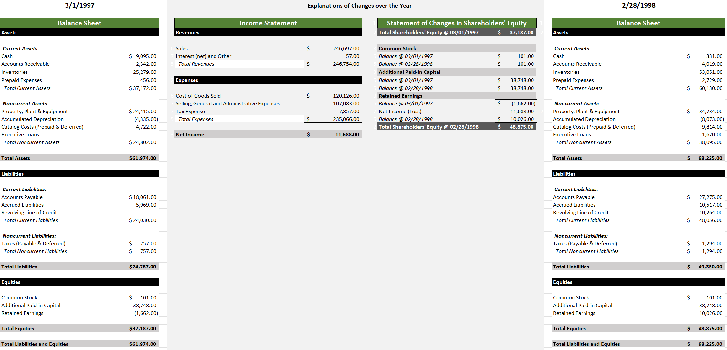
Actual Financial Statments for Coldwater Creek (put into YALEiE format)

Notes_to_FSs
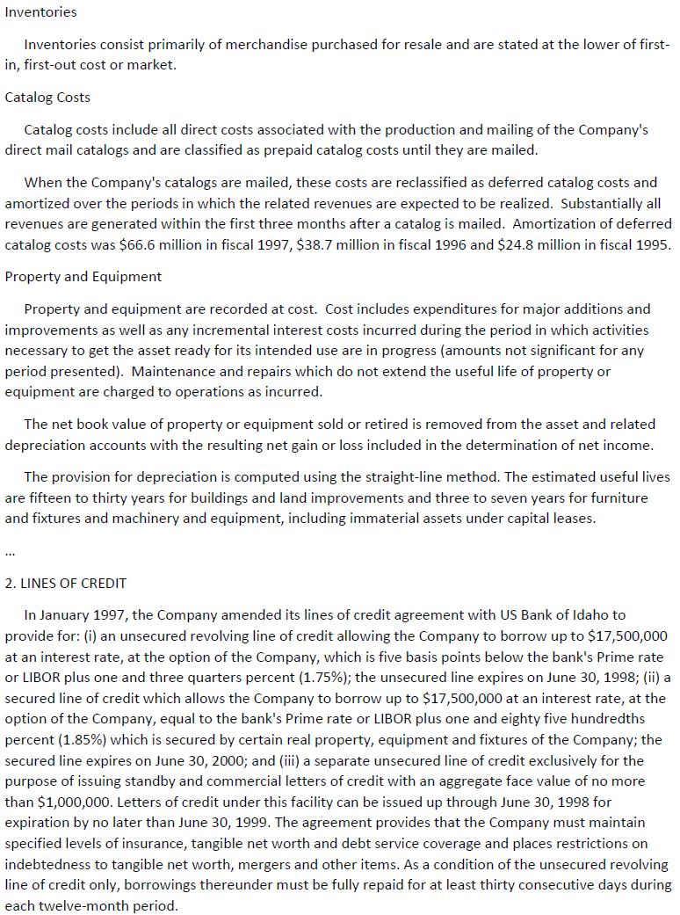
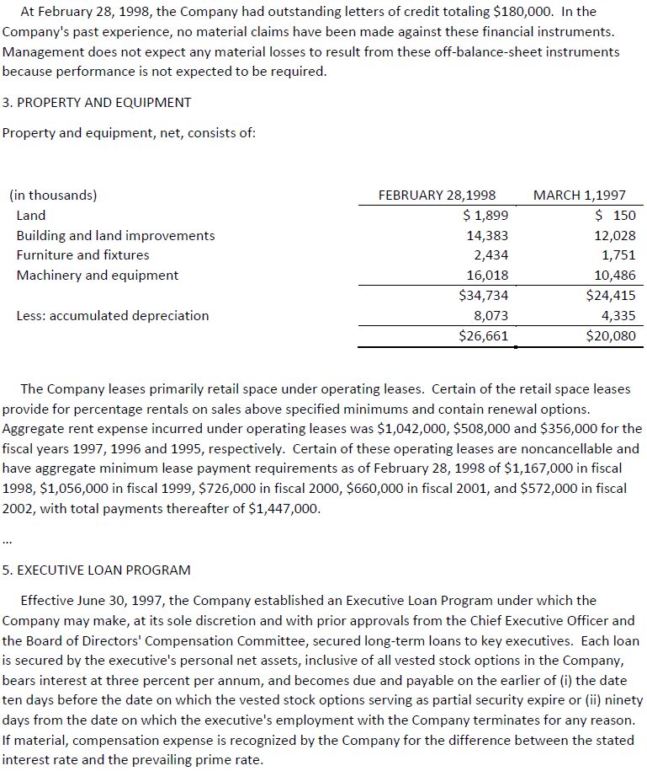
Tools
Coldwater Creek
Dollars in Thousands
Instructions
Excepts from Notes to the Financial Statements
Journal
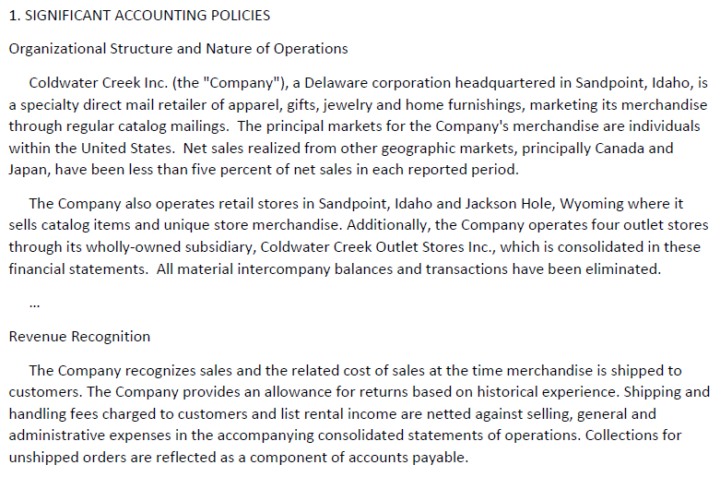
Analysis Help
FS Builder

Analysis_Help
Clear All
Instructions
SELECT TRANSACTION TO ANALYZE
 |  | select from drop down menu
 | Transaction #

Tools
 | Transaction Details
 | Transaction Info
FS Notes

Journal

Recognition Help

Accounting Identity Calculator

Equity Analysis Help

Account Name Help

Debit/Credit Help

Journal Entry Help

Tools
T-ACCOUNT VIEWERS
FS Notes
Instructions
FS Builder
Journal
 | Permanent Account
 | Account Type: | Asset
 | Account Name: | Cash

ref | Cash |  | ref
3/1/1997 | 9,095.00 | - | 3/1/1997
 | - | -

2/28/1998 | $9,095.00 | $- | 2/28/1998

 | Balance Calculator
Desired Bal
Amt Needed | $- | $9,095.00

 | Temporary Account
 | Account Type: | Revenue
 | Account Name: | Sales

ref | Sales |  | ref
1900-01-19 | - | -

2/28/1998 | $- | $- | 2/28/1998

 | MD_Asset | BegBalanceSheet_Assets
 | 0 | 0 |  | ----
 | MD_Revenue |  |  | ----
 | MD_Revenue[Account Name] |  |  | ----
 | MD_Revenue[Used] |  |  | ----
 |  |  |  | ----
 | MD_Asset[Account Name] | BegBalanceSheet_Assets[Amount] |  | ----
 | MD_Asset[Used] | BegBalanceSheet_Assets[IncreasedBy] |  | ----
 | Debit | 9095 |  | ----
1 | Cash | 9095 | Debit | ----
 | Accounts Receivable | 2342 | Debit | ----
 | Inventories | 25279 | Debit | ----
 | Prepaid Expenses | 456 | Debit | ----
 | Property, Plant & Equipment | 24415 | Debit | ----
 | Accumulated Depreciation | -4335 | Credit | ----
 | Catalog Costs (Prepaid & Deferred) | 4722 | Debit | ----
 | Executive Loans | 0 | Debit | ----
 |  | 0 |  | ----
 |  | 0 |  | ----
 |  | 0 |  | ----
 |  | 0 |  | ----
 |  | 0
 |  | 0
 |  | 0 |  | Asset-Accounts Receivable--246697-
 |  | 0 |  | Revenue--Sales--246697
 |  | 0 |  | ----
 |  | 0 |  | ----
 |  | 0 |  | ----
 |  | 0 |  | ----
 |  | 0 |  | ----
 |  | 0 |  | ----
 |  |  |  | ----
 |  |  |  | ----
 |  |  |  | ----
1 | Sales |  |  | ----
 | Interest (net) and Other |  |  | ----
 |  |  |  | ----
 |  |  |  | ----
 |  |  |  | ----
 |  |  |  | ----
 |  |  |  | ----
 |  |  |  | ----
 |  |  |  | ----

Notice
Your Accounting Learning Environment in ExcelTM (YALEiETM)
This Excel workbook will help you learn accounting. The goal is to help you better understand these financial statements that are produced using accounting systems:
Balance Sheets
Statements of Changes in Shareholders' Equity
Income Statements
Cash Flow Statements
Reconciliations of Net Income and Cash Flow from Operations
Along the way, you will learn the basic types of accounts (assets, liabilities, equities, revenues, expenses, gains and losses) and their roles in financial statements.
This workbook contains three types of tabs:
Information and Instructions:
Instructions
Notes_to_FSs
Notice
Accounting Environment:
Journal
Financial_Statements_Builder
Assistance:
Analysis_Help
Tools
Reconciliation_Tool
See the User Manual for details on how to use this workbook.
Any Yale student or faculty member may use this workbook. Others must obtain permission by emailing Rick Antle at:
rick.antle@yale.edu
DO NOT DISTRIBUTE THIS WORKBOOK
©2025 Rick Antle

