Intro Notes
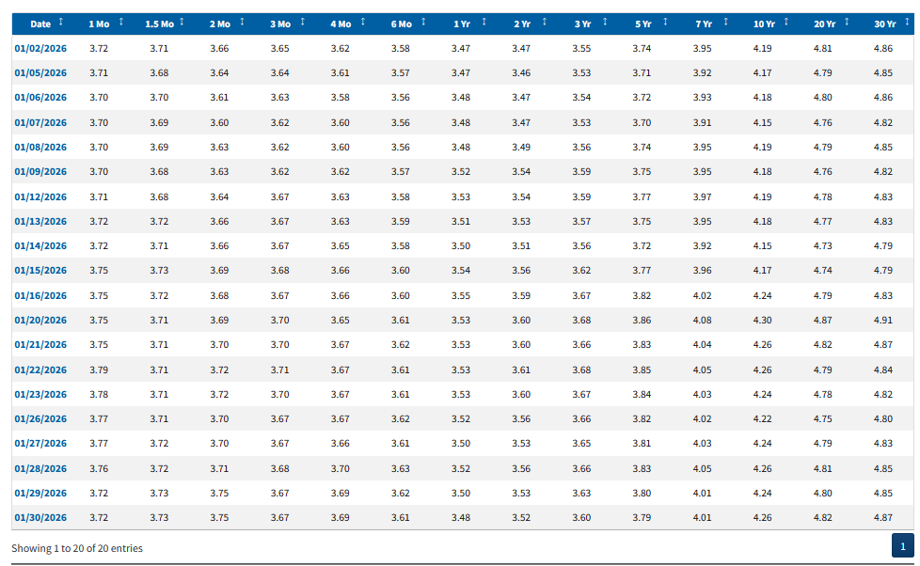
This workbook addresses the following question: What would be the cash flows from purchasing for $50k cash 30-year bonds with a coupon rate of 3.00% when the bonds are priced to yield 4.79% (see table below for yield)? Coupon payments are made semi-annually.
We have to estimate the face value of the bonds purchased and apply the coupon rate to that face value.
Alternative 1 and Alternative 2 are both checks to see if the face value found in Class would
indeed generate cash flows with a present value of $50,000.

The table below is taken from:
Resource Center | U.S. Department of the Treasury
accessed at 2:15 pm on February 1, 2026.

