Instructions
Web Queries in Excel
In 2017, Microsoft retired the old Web Query Wizard in favor of a newer approach for dynamically importing data from web servers. The old tool looked as follows:
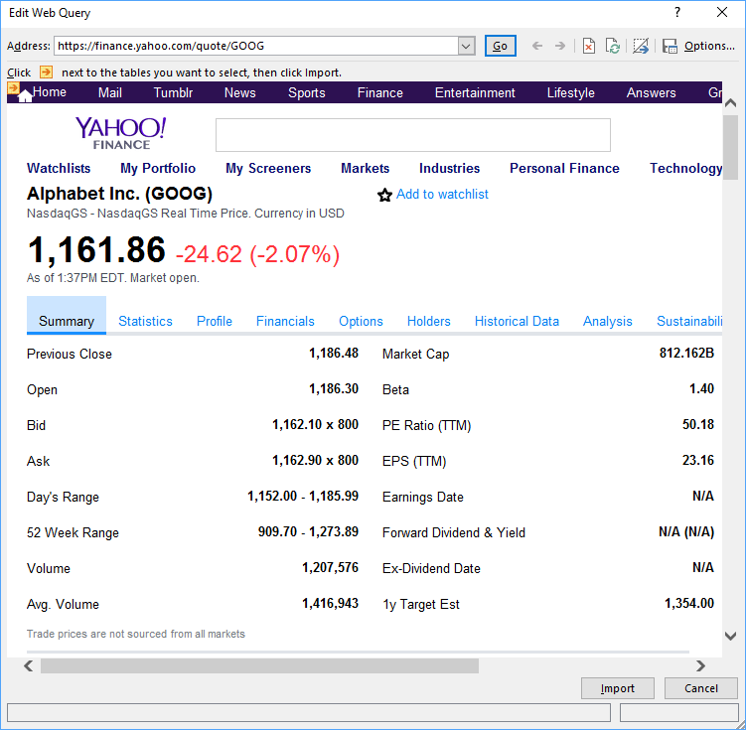

While it was not effective in dealing with active content (such as page elements rendered by JavaScript), it provided a simple way to bring data from a webpage into Excel.
The new web query environment has the advantage of working well with active content as well as building data objects that can be chained together with other kinds of query objects to perform complex queries in the PowerQuery environment. You can know if you version of Excel has the current tools if when you initiate a web query, you see the following dialog box:

The extra power new web query environment provides comes at the cost of simplicity, both in the use of the tool and in the VBA code that is required to manipulate the objects created by the two different approaches.
Because the new web query environment has replaced the old web query wizard in the Excel interface, there is no longer a way to generate the old-style web-queries; however, Excel can still modify the old queries if they already exist.
This workbook contains two web queries generated with the original web query wizard. On the sheet named “WQ-Whole Page” Is a web query configured to bring back the entire HTML of the URL specified for the query. The sheet named “WQ-Tables Only” is a query that only retrieves the data is in a table format on the page.
To use these in projects that involve VBA, copy one of these worksheets into the project you are working on and record a macro of yourself editing the query. To edit the query, right click any cell that contains the data from the query and select “Edit Query” then click “Import” on the dialog box that appears. You need not make any change to the web query, because the macro recorder will generate VBA code that you can modify to make the change you desire.

