readme
This excel file comprises the following worksheets

Actual flows Meuse | Links to internet locations where you can find the historical flows as well as the actual flows of many rivers in the Meuse basin
Debit Jun-Jul | Observed flows (m3/s; daily) for different tributaries of the River Meuse for the period June-July 2021
P-observed | Hourly precipitation (mm/hr) data for different sub basins of the Meuse, period december 12, 2020 - July 21, 2021
P-forecasted-ecmwf-HRES | Hourly forecasted precipitation (mm/hr) ECMWF-HRES (DETERMINISTIC FORECAST, 10 DAYS LEAD TIME) for different sub basins of the Meuse, period July 10 - July 21, 2021 (july 16 and 20 are missing).
Workflow | prepare here the workflow needed to produce the hindcast
Forecast results | Sheet showing the format you need to provide the results
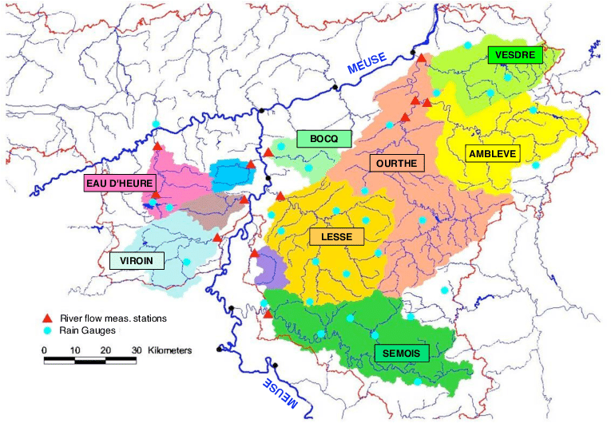

Legend for the ECMWF-pf.csv files
meuse000="Meuse",
meuse001="Amblève",
meuse002="Chiers",
meuse003="Jeker",
meuse004="Lesse",
meuse005="Méhaigne",
meuse006="Ourthe",
meuse007="Sambre",
meuse008="Sémois",
meuse009="Vesdre",
meuse010="Viroin",
meuse011="Meuse up to Verdun",
meuse012="Meuse from Verdun up to Chooz",
meuse013="Meuse from Chooz up to Maastricht"

