Sheet1
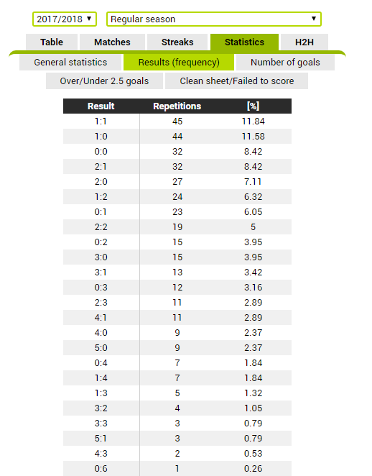
windrawwin.com | vitisport.es
predictz.com
zulubet.com
statarea.com
forebet.com

Forebet: https://www.forebet.com best site for international bets.
Statarea: http://www.statarea.com As the first only there are also the opinions of the almost infallible experts.
Superprostici: http://www.superpronostici.it best site for the Serie A while for the other championships a little less.

soccerstats.com
https://www.bettingclosed.com/predictions/american/copa-libertadores
https://www.dratings.com/predictor/international-football/south-american-football/copa-libertadores-predictions/

https://www.windrawwin.com/statistics/full-time-scores/

http://www.betdevil.com/soccer/competition/USA-MLS/45/

https://fivethirtyeight.com/features/in-126-years-english-football-has-seen-13475-nil-nil-draws/

http://www.decisionsciencenews.com/2016/03/01/most-soccer-matches-are-within-one-goal-of-1-0/

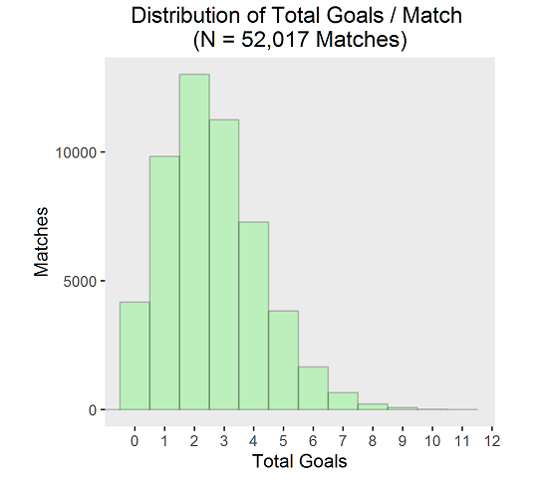
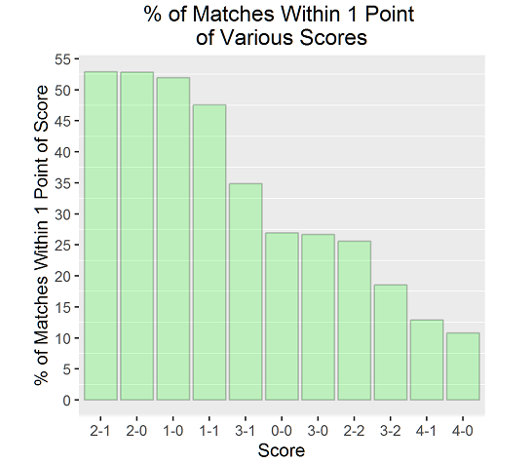
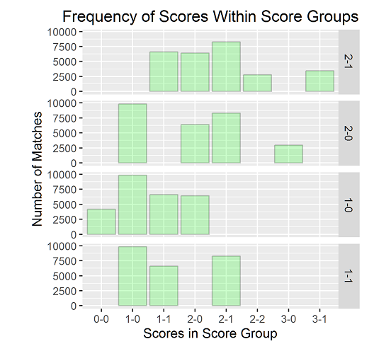

https://www.myonlinetraininghub.com/excel-histogram-charts-and-frequency-function |  |  | http://www.soccerstatistically.com/blog/2013/7/15/goal-time-analysis.html
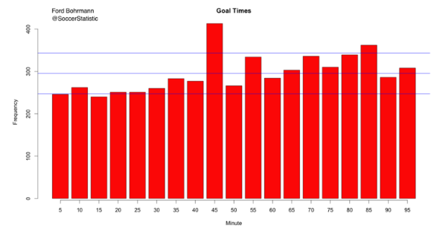
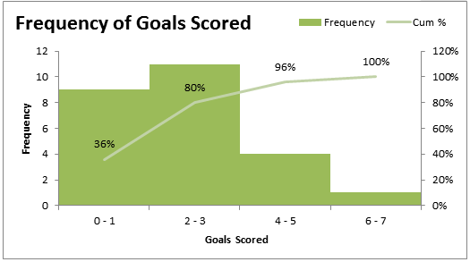

 |  | http://fcstats.com/statistics,premier-league-england,1,5,1938.php

