广告拦截插件对比
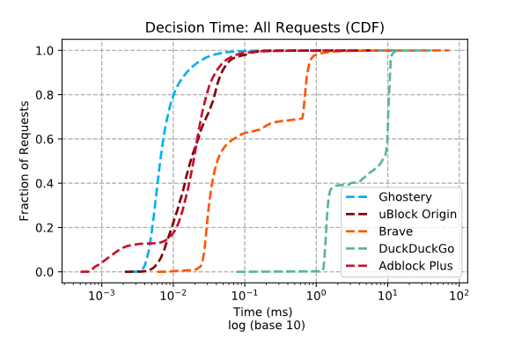
 | Compatibility |  | Effectiveness |  | System Load

abp | √

uBlock Origin |  |  | √ |  | √

效果（ifeng） | URLs visited | Domains | Hosts | Scripts | Outbound cookies | Net requests | Bandwidth
无
abp
uBlock Origin
Ghostery-adblock
Brave-adblock
DuckDuckGo-adblock

技术点
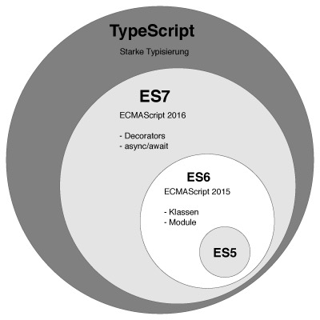

针对于ECMAScript 、javascript、TypeScript的一点认识

域名解析 | publicsuffixlist | Punycode
 | tld.js 提取主域

CSP （内容安全策略）
Content Security Policy 入门教程

