20.6.9
Problem 28-8: Reliable Construction Co. Contract Bidding

 | Data |  |  |  |  | Range Name | Cells
 | Our Project Cost ($million) | 5.000 |  |  |  | CompetitorBids | C8:E8
 | Our Bid Cost ($million) | 0.050 |  |  |  | MeanProfit | C31
 |  |  |  |  |  | MinimumCompetitorBid | C23
 | Competitor Bids | Competitor 1 | Competitor 2 | Competitor 3 | Competitor 4 | OurBid | C25
 | Bid ($million) | 6.165 | 5.834 | 6.017 | 5.578 | OurBidCost | C5
 |  |  |  |  |  | OurProjectCost | C4
 | Distribution | Triangular | Triangular | Triangular | Triangular | Profit | C29
 |  |  |  |  |  | WinBid? | C27
 | Competitor Distribution Parameters (Proportion of Our Project Cost)
 | Minimum | 105% | 105% | 105% | 105%
 | Most Likely | 120% | 120% | 120% | 120%
 | Maximum | 140% | 140% | 140% | 140%

 | Competitor Distribution Parameters ($millions)
 | Minimum | 5.250 | 5.250 | 5.250 | 5.250
 | Most Likely | 6.000 | 6.000 | 6.000 | 6.000
 | Maximum | 7.000 | 7.000 | 7.000 | 7.000

 | Minimum Competitor
 | Bid ($million) | 5.834

 | Our Bid ($million) | 5.3

 | Win Bid? | 1 | (1=yes, 0=no)

 | Profit ($million) | 0.250

 | Mean Profit ($million) | #N/A

 | A) Mean profit 325,2000
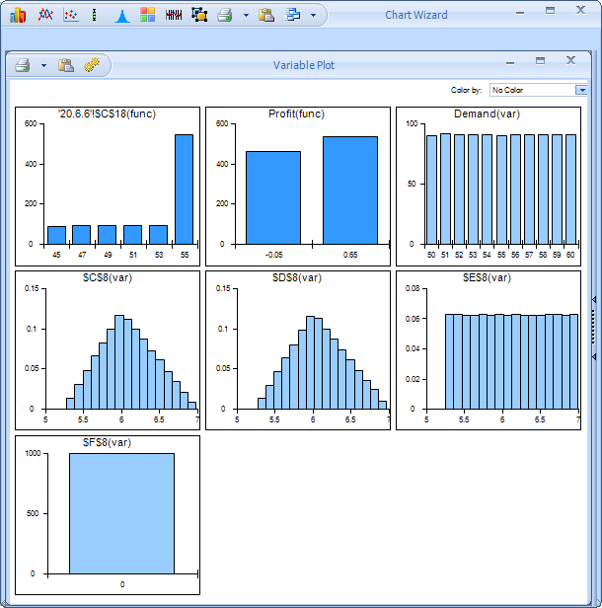

 | B)
 | 5.3 | 240000
 | 5.4 | 302000
 | 5.5 | 336000
 | 5.6 | 346000 | best
 | 5.7 | 325000
 | 5.8 | 266000
 | 5.9 | 204000
 | 6 | 150000

