p3.4.4
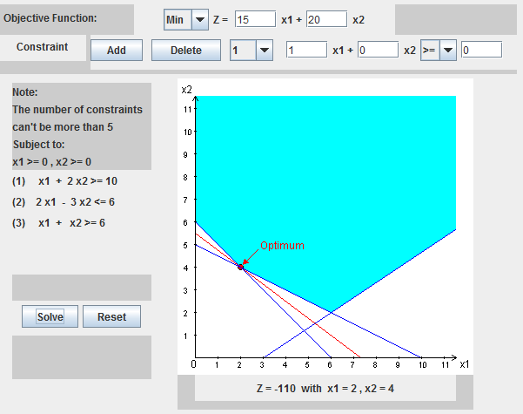
Z | P3.4-4
116.66666667
10 | >= | 10 | x1 | x2
-14.666666667 | <= | 6 | 0.66666666667 | 5.3333333333
6 | >= | 6

p3.4.8
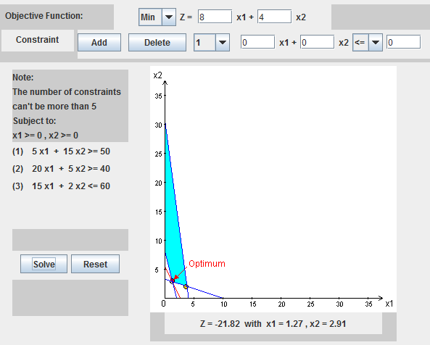
P 3.4-8

p3.4.10
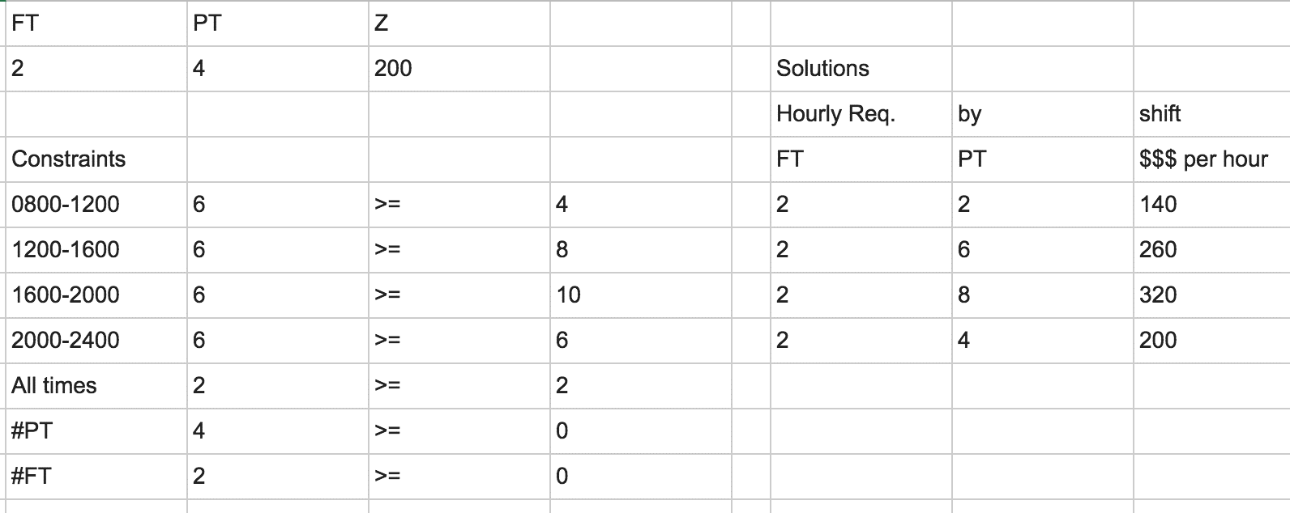
P 3.4-10

