Sheet1
Luna | https://www.sfspca.org/adoptions/pet-details/41781755/ | 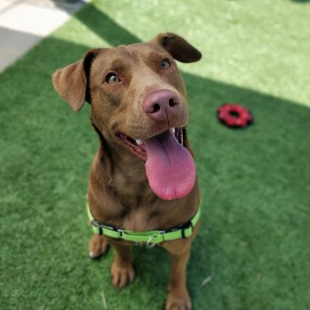
Cammie | https://www.sfspca.org/adoptions/pet-details/44916106/ | 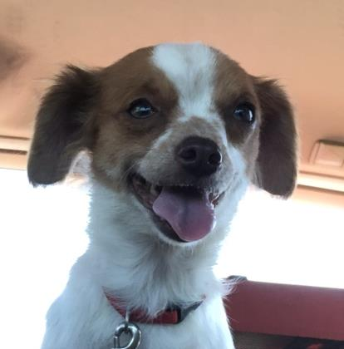
Banjo | https://www.sfspca.org/adoptions/pet-details/44999347/ | 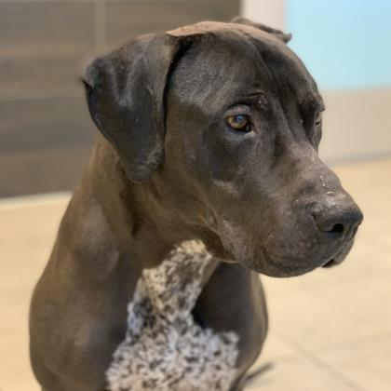
Augie | https://www.sfspca.org/adoptions/pet-details/45012114/ | 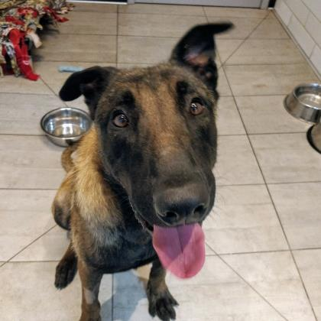
Sugar | https://www.sfspca.org/adoptions/pet-details/45012150/ | 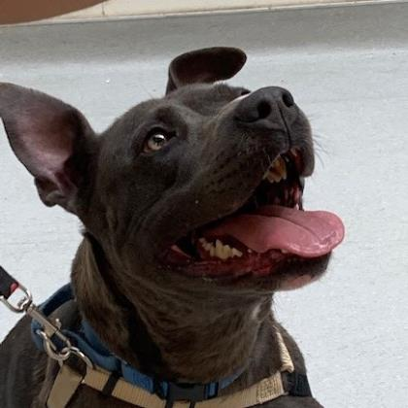
Allie | https://www.sfspca.org/adoptions/pet-details/45012009/ | 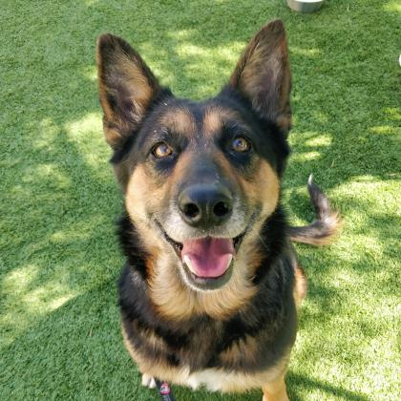
Cash | https://www.sfspca.org/adoptions/pet-details/45053219/ | 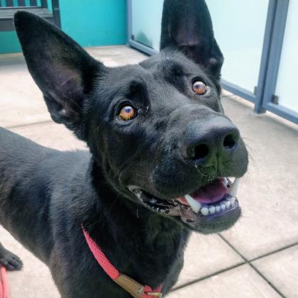
Burke | https://www.sfspca.org/adoptions/pet-details/45063055/
Bee Iris | https://www.sfspca.org/adoptions/pet-details/45063170/ | 