Sheet1
Breezy | https://www.sfspca.org/adoptions/pet-details/44513274/
Luna | https://www.sfspca.org/adoptions/pet-details/41781755/ | 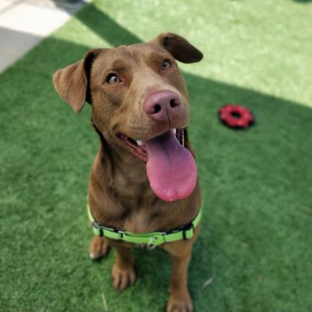
Cammie | https://www.sfspca.org/adoptions/pet-details/44916106/ | 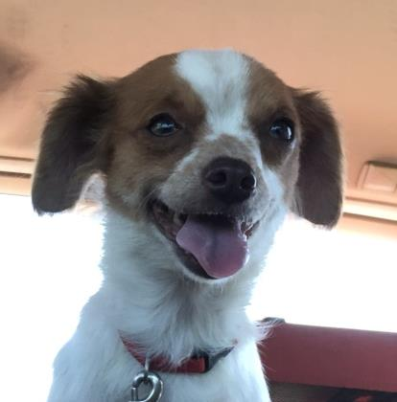
Banjo | https://www.sfspca.org/adoptions/pet-details/44999347/ | 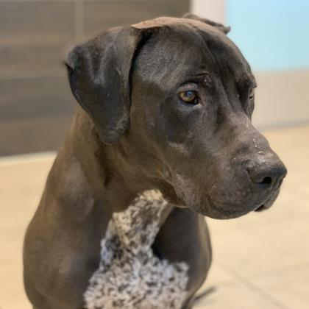
Augie | https://www.sfspca.org/adoptions/pet-details/45012114/ | 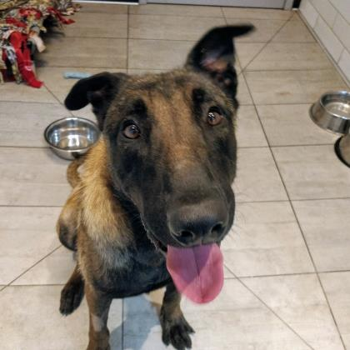
Allie | https://www.sfspca.org/adoptions/pet-details/45012009/ | 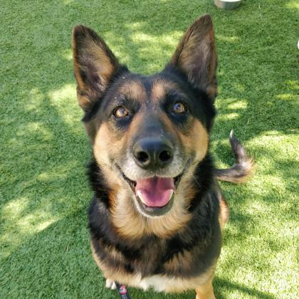
Chiquitita | https://www.sfspca.org/adoptions/pet-details/45049802/ | 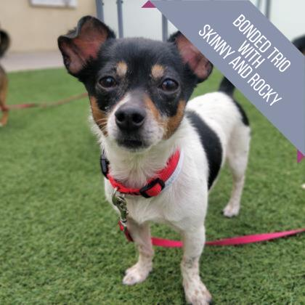
Rocky | https://www.sfspca.org/adoptions/pet-details/45049805/ | 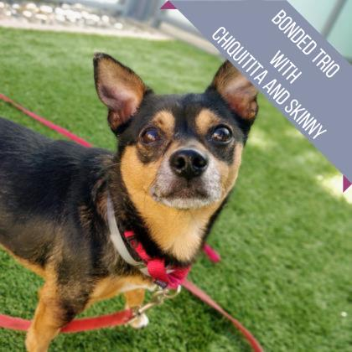
Skinny | https://www.sfspca.org/adoptions/pet-details/45049763/ | 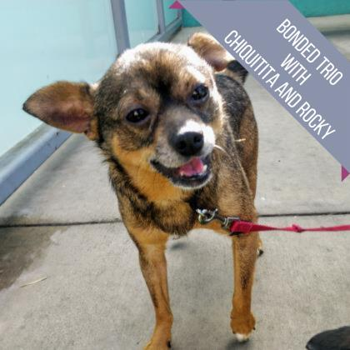
Sophie | https://www.sfspca.org/adoptions/pet-details/45053169/
Moon | https://www.sfspca.org/adoptions/pet-details/45062086/ | 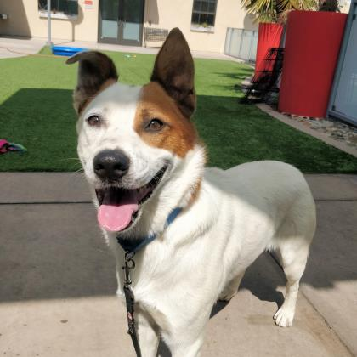
Burke | https://www.sfspca.org/adoptions/pet-details/45063055/
Tia | https://www.sfspca.org/adoptions/pet-details/43896298/ | 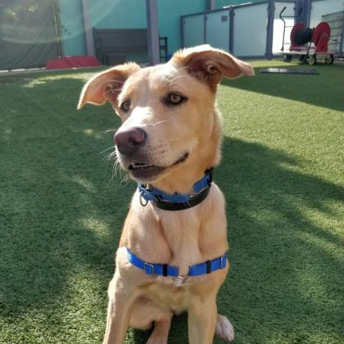
Arlo | https://phs-spca.org/adopt/dogs/ | 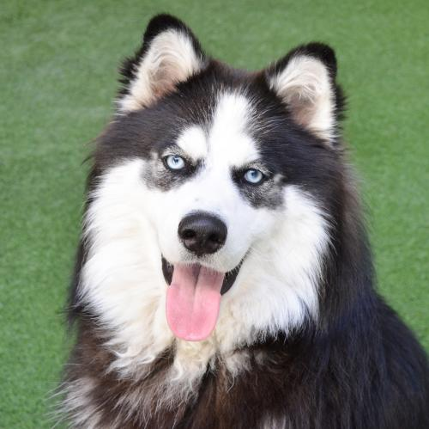
Chaparro | https://phs-spca.org/adopt/dogs/ | 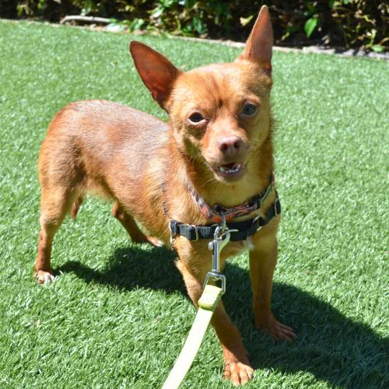
Bingo | https://phs-spca.org/adopt/dogs/
Macaroni | https://phs-spca.org/adopt/dogs/ | 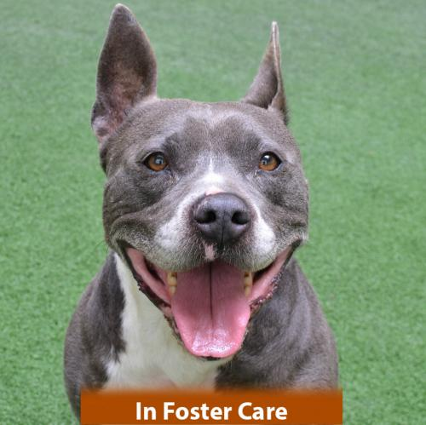
Jack | https://phs-spca.org/adopt/dogs/ | 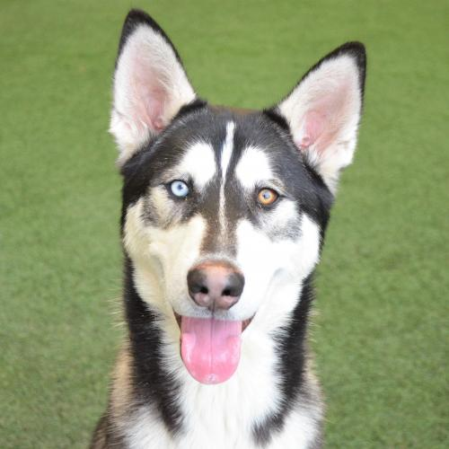
Huey | https://phs-spca.org/adopt/dogs/ | 