About
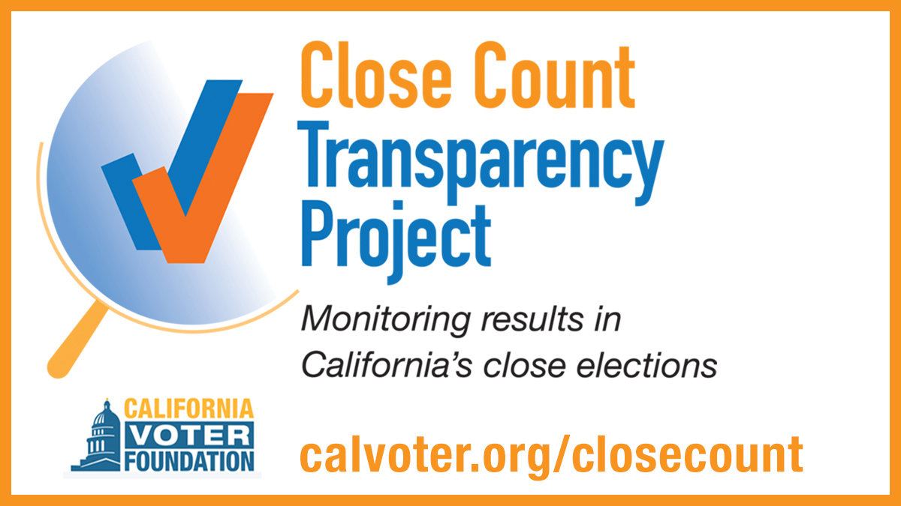

The California Voter Foundation is monitoring several close California races in the November 2024 election to give the public an understanding of how many ballots are left to be counted and how results fluctuate over time. We are also providing this service to the media and others who want to track close contests in California. This data will be updated on Election Night and continuously thereafter until Dec. 5th using the California Secretary of State's Unofficial Election Results and the Unprocessed Ballot Status Report, as well as unprocessed ballot status reports on county election office websites where available. Additional local election results are available on county websites, which can be accessed through CVF's Directory of County Election Offices. See calvoter.org/closecount for more information.

