Sheet1
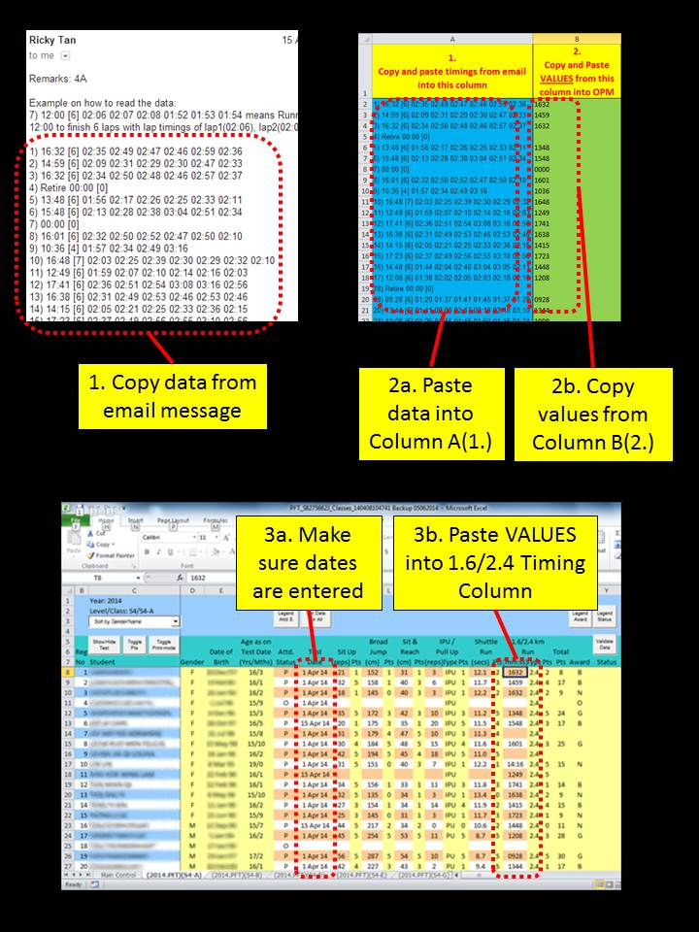
1. Copy and paste timings from email into this column | 2. Copy and Paste VALUES from this column into OPM
<paste data from email message> | #VALUE!
 | #VALUE!
 | #VALUE!
 | #VALUE!
 | #VALUE!
 | #VALUE!
 | #VALUE!
 | #VALUE!
 | #VALUE!
 | #VALUE!
 | #VALUE!
 | #VALUE!
 | #VALUE!
 | #VALUE!
 | #VALUE!
 | #VALUE!
 | #VALUE!
 | #VALUE!
 | #VALUE!
 | #VALUE!
 | #VALUE!
 | #VALUE!
 | #VALUE!
 | #VALUE!
 | #VALUE!
 | #VALUE!
 | #VALUE!
 | #VALUE!
 | #VALUE!
 | #VALUE!
 | #VALUE!
 | #VALUE!
 | #VALUE!
 | #VALUE!
 | #VALUE!
 | #VALUE!
 | #VALUE!
 | #VALUE!
 | #VALUE!
 | #VALUE!

