LOQ
LIST OF QUESTIONS - P&S CORRIDOR:
The unknowns?
 | corporate PIC utk guideline terbaru? Mas Robert/Planning
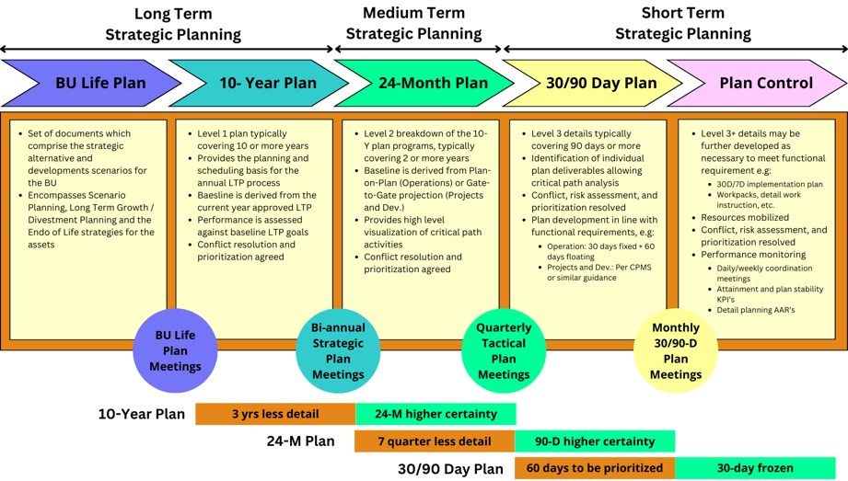
 | ada successor corporate utk OE-P&S-RP-002? |  | check w/ corporate guidelines
 | ada versi yg lebih baru utk salah satu/both document?
 | confirm Rev.3 -> hasil localization dr global RP OE-P&S-RP-002? (citation sengaja di-remove atau memang udah ga ada parent doc?)

clarify expectation Pak Tri:
 | rewrite total? | update ke current processes di Corridor |  |  | To check:
 | re-align ke corporate? | Short-term -> Fahmi/Mas Oi |  |  | - corp guidelines planning -> heritagenya OE-P&S-RP-002
 | content improvement aja? | Long-term/Medium -> Mas Robert |  |  | a) Horizon
 | scope/boundary sampai mana? |  | Ada references/documentation |  | b) Scope
 |  |  |  |  | c) Content scenario
confirm planning horizon:
 | 7-day planning masih applicable -> formal/nggak sebetulnya?
 | 5-tier breakdown masih dipakai? -> who to confirm

Steering Committee:
 | BU P&S Lead sekarang siapa? |  |  | To validate -> masih ada apa enggak si BU P&S Lead
 | committee member sekarang siapa aja? |  |  |  | apakah masih asset/plannign yg handle?
 | how to become one?
 |  |  |  |  | To ask:
Who to interview interview? validate actual process vs document? (BU Planning / Department / Ops) |  |  |  |  | Short-term -> Fahmi/Mas Oi -> intvw w/ SPV/Planner (ask evidence, comparison, etc)
 |  |  |  |  |  | a) planner to ask for whole process
align review timeline: |  |  |  |  |  | b) mas fahmi/mas oi to confirm
 | milestone 2–3 minggu
 | expected output utk first discussion / review meeting |  |  |  | Long-term/Medium -> Mas Robert
 |  |  |  |  |  | Ada references/documentation

