fsm
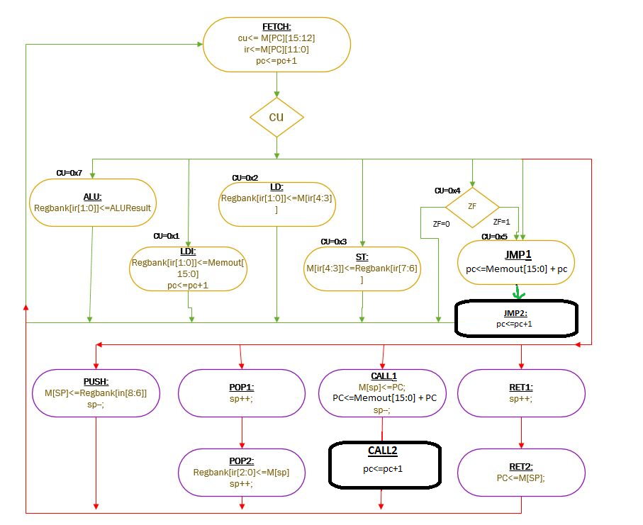
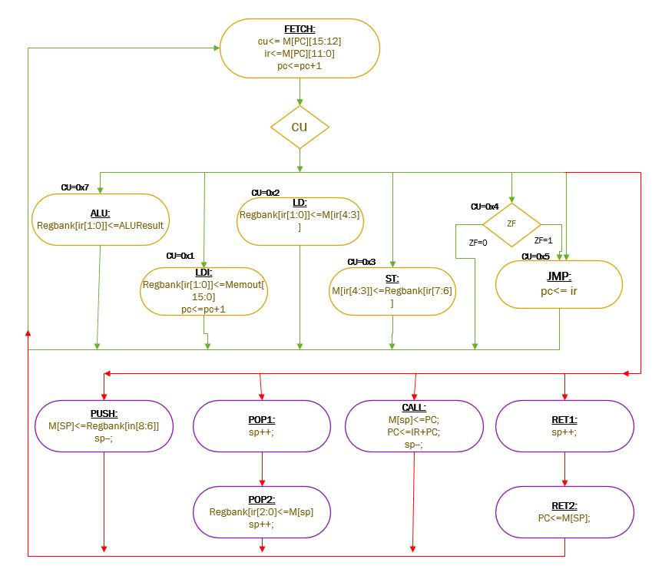
12-bit Address Bus Bird CPU FSM | 16-bit Extended Address Bus Bird CPU FSM

