Parameters_simple
Activities | Nodes | Nodes_from | Nodes_to | Distance | Electricity | Material_Use | Disposal | GHG_Unit | Initial_Inv | Cost_Inv | Cost_process | index | Activities | Delivery | Manufacturing |  |  | Inventory
Transport |  | 0 | 1 | 44 |  |  |  | 0.1258 |  |  | 0.2200 | 0 | Source | Transport | Electricity | Material Use | Disposal | Electricity
Transport |  | 0 | 2 | 138 |  |  |  | 0.3947 |  |  | 0.6900 | 1 | Parameter | 0.00286 | 0.19 | 3701.4 | 665.96 | 0.19
Manufacture |  | 1 | 1 |  | 0.005 | 0.0013 | 0.0003 | 5.0126 |  |  | 2.0000 | 2
Manufacture |  | 2 | 2 |  | 0.003 | 0.0012 | 0.0002 | 4.5754 |  |  | 2.2000 | 3
Transport |  | 1 | 3 | 211 |  |  |  | 0.6035 |  |  | 1.0550 | 4
Transport |  | 1 | 4 | 86 |  |  |  | 0.2460 |  |  | 0.4300 | 5
Transport |  | 2 | 3 | 97 |  |  |  | 0.2774 |  |  | 0.4850 | 6 | assumption:
Transport |  | 2 | 4 | 150 |  |  |  | 0.4290 |  |  | 0.7500 | 7 | 1 unit of product = 1 kg
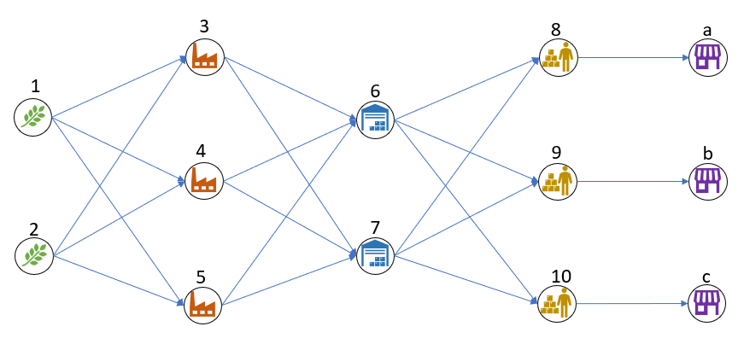
Inventory | 1 |  |  |  | 0.001 |  |  | 0.0002 | 380 | 0.1100 |  | 1
Inventory | 2 |  |  |  | 0.001 |  |  | 0.0002 | 350 | 0.1300 |  | 2
Inventory | 3 |  |  |  | 0.001 |  |  | 0.0002 | 400 | 0.1200 |  | 3
Inventory | 4 |  |  |  | 0.001 |  |  | 0.0002 | 80 | 0.1500 |  | 4

